Dimensions of Wellness
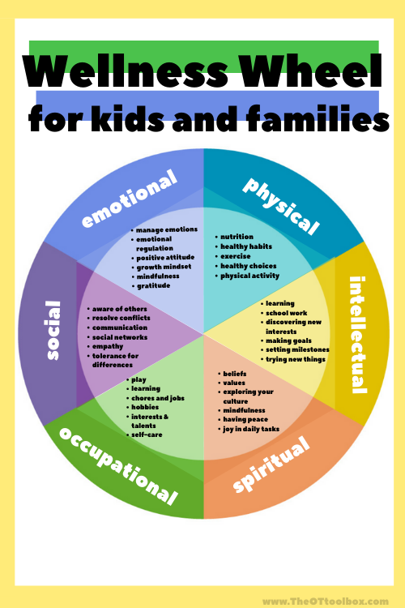
Wellness Wheel for Kids and Families (The OT Toolbox)
The Dimensions of Wellness | Examples
Social | Awareness of Others Communication Empathy Social Networks Tolerance for Differences Conflict Resolution
Emotional | Managing Emotions Emotional Regulation Positive Attitude Growth Mindset Mindfulness Gratitude
Physical | Nutrition Healthy Habits Physical Activity Excercise Healthy Choices
Intellectual | Learning School Work/School Readiness Discovering New Interests Setting Milestones Trying New Things Setting Goals
Spiritual | Beliefs Values Exploring Culture Mindfulness Having Peace Joy in Daily Tasks
Occupational | Play Learning Chores and Jobs Hobbies Interests and Talents Self-Care

Instructions
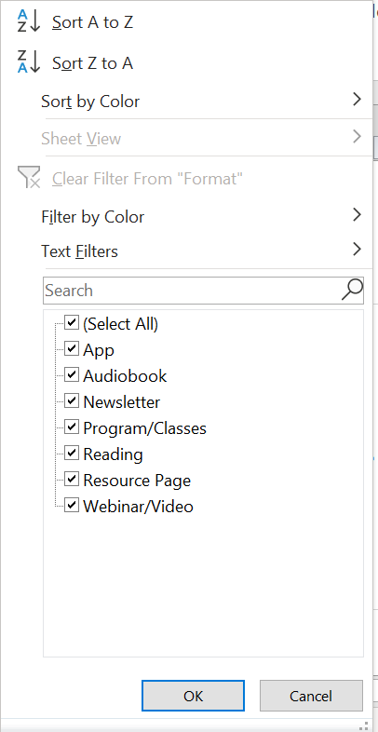
OVERVIEW
In spring 2021, Oregon Health Authority Transformation Center partnered with Insight for Action to conduct an environmental scan to identify resources for parents of young children (ages 3 to 6) to promote their children’s wellness. This scan aligns with the OHA CCO incentive metric focused on kindergarten readiness, which emphasizes the importance of well-child visits for 3 to 6 year old children in improving school readiness. Tab 2 in this workbook, titled "Family-Centered Resources," contains a curated list of 67 free, easily digestible and family-centered resources intended to be shared with parents and families of young children. Listed below is more information on the categories of Health Topics, Formats and Dimensions of Wellness represented in this list of resources, and instructions for utilizing built-in filters in this spreadsheet to navigate these resources.

HEALTH TOPICS: This scan contains resources related to the following nine health topics.
COVID-19 | Resources related to COVID-19, including prevention and safety information for parents and children.
Developmental Milestones | Resources providing information on important social, emotional, physical and intellectual milestones of healthy child development.
Learning & Play | Resources with tools, activities and information to promote age-appropriate learning and play.
Nutrition | Resources providing information and guidance to support healthy nutrition and eating for young children and families.
School Readiness | Resources to support young children in preparing for school and guide parents in supporting their child's learning.
Stress & Resilience | Resources to support children and families in preventing and managing stress, building resilience, and navigating and healing from trauma.
Social & Emotional Health | Resources to promote healthy, age-appropriate social and emotional health and development for young children and families.
Parenting Tips & Guidance | Resources focused on providing parents of young children with tips, tools and guidance for raising healthy children.
Physical Activity | Resources with tools, activities and information to promote physical activity for young children.
FORMATS: All resources are categorized in to one of the following seven formats.
App | Links to or names of apps that support parents in promoting child wellness.
Audibook | Books that can be listened to, rather than read.
Newsletter | Copies of past newsletters or links to sign up for newsletters with resources for parents of young children.
Webinar/Video | Resources with information shared via webinar or video (i.e. YouTube).
Reading | A broad range of resources that can be read, including articles, books, brochures, infographics and more.
Resource Page | Websites or documents with a list of multiple resources.
Program/Class | Resources and information on programs and/or classes for parents of young children.
DIMENSIONS OF WELLNESS: All resources are connected to one or more of the following six dimensions of wellness, adopted from The Wellness Wheel for Kids and Families developed by the OT Toolbox. Below are examples of measures of each of the Dimensions of Wellness:
Social | Awareness of Others, Communication, Empathy, Social Networks, Tolerance for Differences, Conflict Resolution
Emotional | Managing Emotions, Emotional Regulation, Positive Attitude, Growth Mindset, Mindfulness, Gratitude
Physical | Nutrition, Healthy Habits, Physical Activity, Exercise, Healthy Choices
Intellectual | Learning, School Work/School Readiness, Discovering New Interests, Setting Milestones, Trying New Things, Setting Goals
Occupational | Beliefs, Values, Exploring Culture, Mindfulness, Having Peace, Joy in Daily Tasks
Spiritual | Play, Learning, Chores and Jobs, Hobbies, Interests and Talents, Self-Care
HOW TO: Use the built-in filters in row 1 to navigate this list of family-centered resources.
STEP 1: | Select the filter button in desired column.

STEP 2: | The following box (displayed below) will appear, including a list of all possible categories in the column to filter by. Select the desired categories, then click OK. You may also use the search bar to search for the desired category, and can refer to the names of Health Topics, Formats or Dimensions of Wellness above when searching. For example, if only interested in looking at resources in a webinar or video format, select only the Webinar/Video option, or search for Webinar/Video and click OK. Then, only resources that are presented in Webinar/Video format will be displayed.

