Data entry and analysis
Example On-Board Passenger Survey Data Sheet
This is an example Excel document for entering onboard passenger survey data. Please use and modify to suit your on-board passenger survey design. Some tips for data entry and analysis are included below.

Typical data entry
Add a column for each question in your survey. Each column should have a brief header describing the information that should go into the cells below (Example: if question #6 on your survey asks people their income, your column header may be "Q6_Income"). Record the data from a survey by starting at the first column and entering the survey ID number. Each survey should have a distinct ID so you can go back and check for errors if you later find any issues with a survey response. Enter the responses across the whole sheet. You can move from one cell to the next by pressing the "tab" button on your keyboard, which may make this process quicker.

In the On-Board Passenger Survey Guide templates, multiple choice question response boxes have been numbered so data can be entered easily. Entering numbers instead of an entire survey response (e.g. "4" instead of "$20,000-$24,999" or "7" instead of "Prefer not to answer") reduces typos that may cause difficulties with data analysis efforts. If a respondent does not answer a question, leave it blank.

For questions that ask survey respondents to fill in information, like addresses or comment boxes, you should record whatever information the survey respondent provides.

Example survey responses: | Q6_Income | Q7_Address | Q8_Phone | Q9_Disability Status
T4 $20,000-$24,999 | 4 | 123 State Ave. |  | 7
Address: 123 State Ave.
Phone number: #________
T7 Prefer not to answer

Recording data for questions with scales
Assign a number to each possible response (example: 1 = very satisfied, 2 = satisfied, 3 = neutral, 4 = dissatisfied, 5 = very dissatisfied). This allows you to average the results at the end to see the average ranking your respondents chose.

15. How satisfied are you with the value of the service you receive for the amount you pay in fares? |  | Q15_ServiceValue
£1 Very satisfied |  | 2
£2 Satisfied |  | 3
£3 Neutral |  | 2
£4 Dissatisfied |  | 1
£5 Very dissatisfied |  | 1
 | Average: | 1.8 |  | On average, respondents are satisfied with the value of service they receive

Recording data for questions with multiple responses
This is for questions where respondents can select one or more answers. Add a column for each possible response, and then enter 0 if the respondent did not check the box, and 1 if the respondent checked the box. You can then add up the totals for each column at the end of your spreadsheet. This is a more simple way to organize multiple response data rather than entering multiple information points in one column. It allows you to easily tally results and compare them across other responses.

Example survey response: |  | Race
19. What is your race? Please check all that apply. |  | Hispanic or Latino | Black/African American | American Indian or Alaskan Native | White | Native Hawaiian or Pacific Islander | Asian | Other
T1 Hispanic or Latino |  | 1 | 1 | 0 | 0 | 0 | 0 | 0
T2 Black/African American
£3 American Indian or Alaskan Native
£4 White
£5 Native Hawaiian or Pacific Islander
£6 Asian
£7 Other: ___________________________
 | Total: | 1 | 1 | 0 | 0 | 0 | 0 | 0

How to analyze data after data entry
Once you have entered all your data, a typical column might look something like this:

Entering single numbers makes the data entry process easier and more accurate than entering long responses for each survey. However, before analyzing our data, we may need to replace these numbers with the actual survey options. If you want to do certain types of analysis (for example, if you want to know the average household size of your survey respondents), then you may want to keep some columns in number form.

To replace the numbers with survey options, use the find and replace feature. The steps to performing this are listed below.

1. Select data in only one column
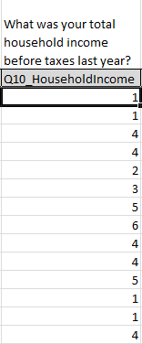
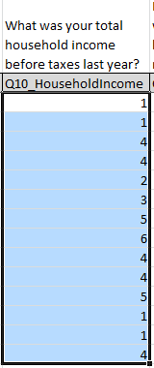

 | Press ctrl + shift + down arrow to quickly select all data points in one column

2. Use the Find and Replace tool in the Home window to replace the numbers with the survey options
 |  |  |  | Because the survey option for "4" is $20,000-$24,999, we want to find "4" and replace it with "$20,000-$24,999." Click the "Options" button and check the "Match entire cell contents" box to make sure you are not overwriting survey options. For example, you don't want to find the "2"s in "$20,000-$24,999" and replace them with "$10,000-$14,999." Press "Replace All" when you are ready.
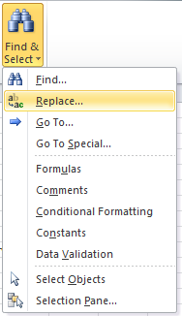

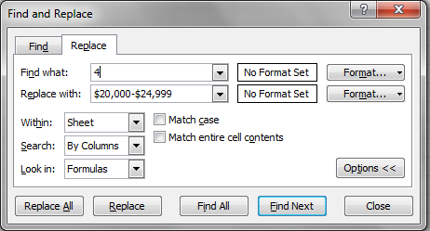

3. Your data should now be replaced with the actual survey options.
Repeat this with the other items in the column.
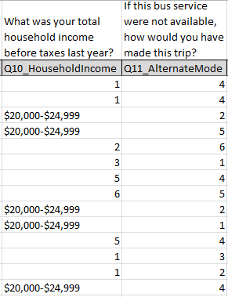

This process only replaced the items within the selected column, so it was successful! Now you can easily repeat this process with other items in this column.

Creating a PivotTable
Now that our data is in useable format, we want to analyze it for final reports, marketing materials, or plans. An easy way to do this is by creating a PivotTable, which will let us tally responses, compare question answers, produce graphs, and more. It will help us provide data to report results like "60% of our respondents over age 65 ride the bus because it is convenient," or "The majority of our respondents who are disabled would prefer greater service frequency"
1. Select data to include in the PivotTable

Hint: press Ctrl + shift + down arrow to select to the last data point in the column

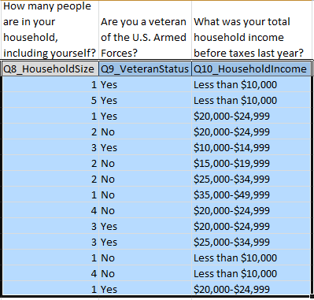

2. Insert PivotTable

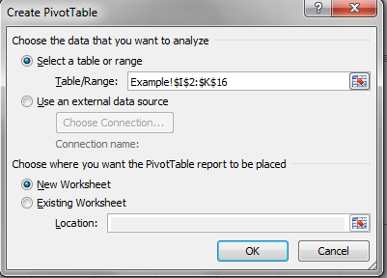
Adjust the table range if necessary.
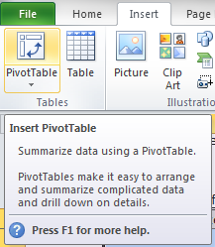

3. Add fields to your PivotTable report

Let's say I want to know what percent of my survey respondents are veterans. This process is described below.

A. I add Q9_VeteranStatus to my report by checking it. This adds it as a Row label.

B. I drag Q9_Veteran Status from the Field list to the Values list. "Count" tells me how many responses are in each row label category--so I can see that 7 respondents said "No" and 7 respondents said "Yes" when asked if they are veterans.
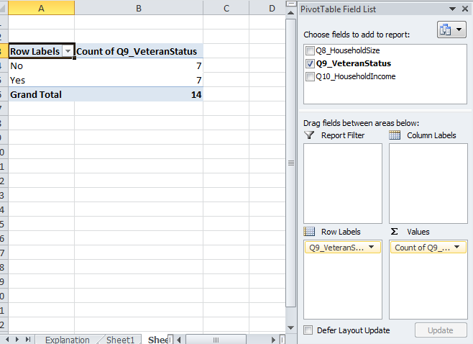

C. Now I want to know what percent of responses fall under each row label category. I right-click on my PivotTable, choose "Show Values As" and then choose "% of Grand Total"

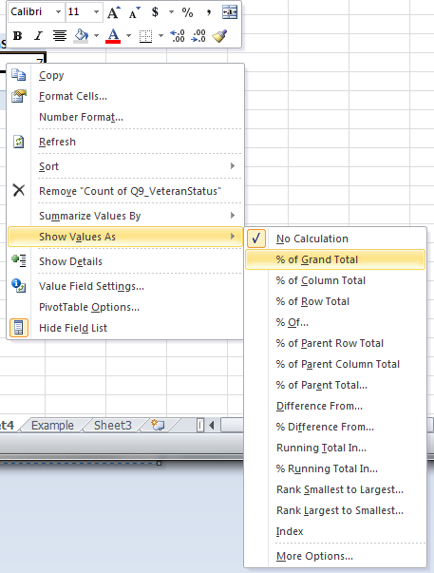

D. Now I can see what percent of responses fall under each category for this question. 50% of my survey respondents are veterans.

E. If I want to create a chart based on this data, I can click "PivotChart" and choose chart options.
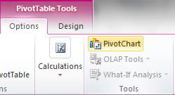

If you need to change your survey data sheet at any point, just click "refresh" to update the data in your PivotTable!
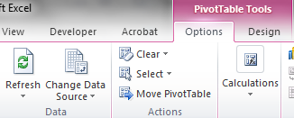

If I want to compare even more data in this analysis, I can add more data by checking the boxes in the field list.
For example, I want to understand what the income levels are for my respondents who are veterans so that I can better understand the needs of my veteran customers.

A. I check the Q10_HouseholdIncome box in the field list, which adds it as a Row Label.

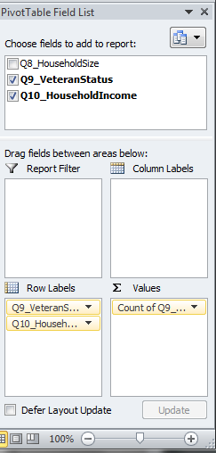

B. This data tells me what percent of the total respondents fall under both of the listed categories. It shows the percent of respondents who responded "Yes" and "No" to the question asking whether they were veterans, and the percent of respondents who selected each income category. So it shows me that 14.29% of my total respondents are veterans who also have a household income of less than $10,000.
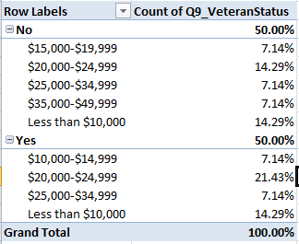

C. But I want to know what percent of my respondents who are veterans fall under each household income level. To get this data, I right-click on my PivotTable, choose "Show Values As," and choose "% of Parent Row Total." This will break down responses into how many respondents under the categories of veteran or non-veteran fall under each household income level.
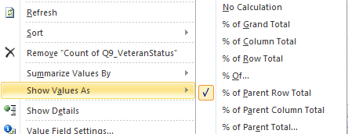

D. Now my data looks like this. I can see that 28.57% of my veteran respondents have household incomes of less than $10,000, for example. This process might be useful when running analyses of what percent of people who ride specific routes have high or low customer satisfaction ratings, bike to their bus, have low household incomes, or more. This kind of analysis lets you say "80% of survey respondents who ride the 4 line are very satisfied with bus driver courtesy!"

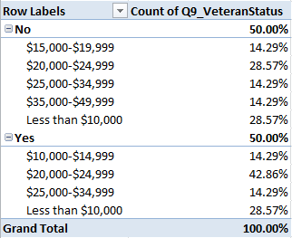

The "Example PivotTable1" sheet in this document provides this PivotTable. The "Example PivotTable 2" sheet has more data included in it, and it may be helpful to work with this table to become more familiar with how PivotTables work. There is also an Example Data Sheet in this document that provides an example of what entered survey data may look like.

