Home
Risk management
Construction risk assessment tool
Construction manager / general contractor

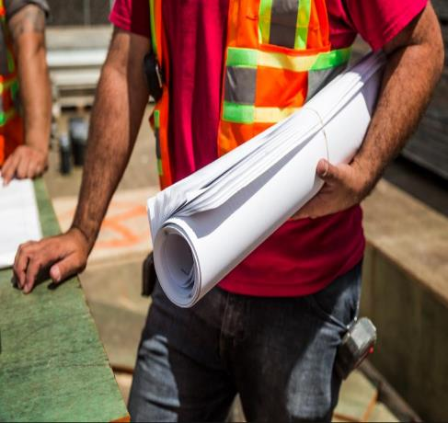
Construction Manager (CM) / General Contractor (GC) | Tips, Risk Reduction Strategies and Loss Examples

A CM is contracted with during the design process to provide constructability input. CMs plan, coordinate, budget, and supervise construction projects from start to finish (CMs do not perform the actual building). General Contractors are responsible for the day-to-day oversite of a construction site, management of vendors and trades, and the communication of information to all involved parties throughout the course of a building project. | These tips, risk reduction strategies and loss examples help offer insight when conducting an insurance risk assessment.

(CM-GC)
Home
Construction Manager / General Contractor

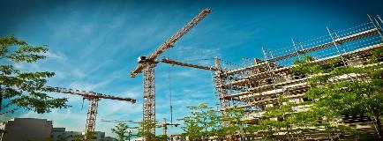

New Building Construction | Existing Building Construction

Includes general contractor work for new public and institutional buildings and related structures, such as parking structures. | Includes general contractor work for additions, alterations, maintenance, and repairs of existing public and institutional buildings and related structures, such as parking structures.

Scope of Work (CMGC-EB)
Home | Construction Manager / General Contractor |  |  | Scope of Work | Insurance Assessment |  | Summary / Print

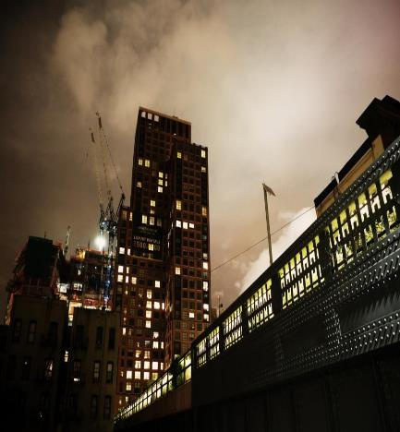
Review Scope of Work and Select Contractor Types |  | Site Preparation Contractors |  |  |  | Notes
 |  | FALSE | Site Preparation Contractors
 |  | FALSE | Remediation Services
 |  | Foundation, Structure and Building Exterior Contractors
 |  | FALSE | Poured Concrete Foundation / Structure Contractors
 |  | FALSE | Structural Steel and Precast Concrete Contractors
 |  | FALSE | Framing Contractors
 |  | FALSE | Masonry Contractors
 |  | FALSE | Glass and Glazing Contractors
 |  | FALSE | Roofing Contractors
 |  | FALSE | Siding Contractors
 |  | FALSE | Other Foundation, Structure and Exterior Contractors
 |  | Building Finishing Contractors
 |  | FALSE | Electrical and Other Wiring Installation Contractors
 |  | FALSE | Plumbing, Heating and Air-Conditioning Contractors
 |  | FALSE | Other Building Equipment Contractors
 |  | FALSE | Drywall and Insulation Contractors
 |  | FALSE | Painting and Wall Covering Contractors
 |  | FALSE | Flooring Contractors |  |  | Click here to continue to Insurance Assessment
 |  | FALSE | Tile and Terrazzo Contractors
 |  | FALSE | Finish Carpentry Contractors
 |  | FALSE | Other Building Finishing Contractors
 |  | Other Specialty Trade Contractors
 |  | FALSE | All Other Specialty Trade Contractors

Scope of Work (CMGC-NB)
Home | Construction Manager / General Contractor |  |  | Scope of Work | Insurance Assessment |  | Summary / Print

Review Scope of Work and Select Contractor Types |  | Site Preparation Contractors |  |  |  | Notes
 |  | FALSE | Site Preparation Contractors
 |  | FALSE | Remediation Services
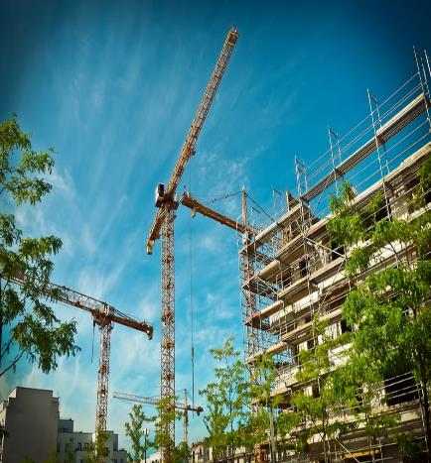
 |  | Foundation, Structure and Building Exterior Contractors
 |  | FALSE | Poured Concrete Foundation / Structure Contractors
 |  | FALSE | Structural Steel and Precast Concrete Contractors
 |  | FALSE | Framing Contractors
 |  | FALSE | Masonry Contractors
 |  | FALSE | Glass and Glazing Contractors
 |  | FALSE | Roofing Contractors
 |  | FALSE | Siding Contractors
 |  | FALSE | Other Foundation, Structure and Exterior Contractors
 |  | Building Finishing Contractors
 |  | FALSE | Electrical and Other Wiring Installation Contractors
 |  | FALSE | Plumbing, Heating and Air-Conditioning Contractors
 |  | FALSE | Other Building Equipment Contractors
 |  | FALSE | Drywall and Insulation Contractors
 |  | FALSE | Painting and Wall Covering Contractors
 |  | FALSE | Flooring Contractors |  |  | Click here to continue to Insurance Assessment
 |  | FALSE | Tile and Terrazzo Contractors
 |  | FALSE | Finish Carpentry Contractors
 |  | FALSE | Other Building Finishing Contractors
 |  | Other Specialty Trade Contractors
 |  | FALSE | All Other Specialty Trade Contractors

General Contractor (GC)
Home
General Contractor

General contractor

New Building Construction | Existing Building Construction

Includes general contractor work for new public and institutional buildings and related structures, such as parking structures. | Includes general contractor work for additions, alterations, maintenance, and repairs of existing public and institutional buildings and related structures, such as parking structures.

Scope of Work (GC-EB)
Home | General Contractor | Scope of Work |  |  | Insurance Assessment | Summary / Print
Existing building construction

Review Scope of Work and Select Contractor Types |  |  | Site Preparation Contractors |  |  |  | Notes
 |  |  | FALSE | Site Preparation Contractors
 |  |  | FALSE | Remediation Services
 |  |  | Foundation, Structure and Building Exterior Contractors
 |  |  | FALSE | Poured Concrete Foundation / Structure Contractors
 |  |  | FALSE | Structural Steel and Precast Concrete Contractors
 |  |  | FALSE | Framing Contractors
 |  |  | FALSE | Masonry Contractors
 |  |  | FALSE | Glass and Glazing Contractors
 |  |  | FALSE | Roofing Contractors
 |  |  | FALSE | Siding Contractors
 |  |  | FALSE | Other Foundation, Structure and Exterior Contractors
 |  |  | Building Finishing Contractors
 |  |  | FALSE | Electrical and Other Wiring Installation Contractors
 |  |  | FALSE | Plumbing, Heating and Air-Conditioning Contractors
 |  |  | FALSE | Other Building Equipment Contractors
 |  |  | FALSE | Drywall and Insulation Contractors
 |  |  | FALSE | Painting and Wall Covering Contractors
 |  |  | FALSE | Flooring Contractors |  |  | Click here to continue to Insurance Assessment
 |  |  | FALSE | Tile and Terrazzo Contractors
 |  |  | FALSE | Finish Carpentry Contractors
 |  |  | FALSE | Other Building Finishing Contractors
 |  |  | Other Specialty Trade Contractors
 |  |  | FALSE | All Other Specialty Trade Contractors

Insurance Requirements (GC-EB)
Home | General Contractor |  | Scope of Work |  | Insurance Assessment |  | Summary / Print
Existing building construction

General Liability and Umbrella Coverage |  | Automobile Liability |  | Contractor's Pollution Liability |  | Installation Floater and Builder's Risk |  | Contractor's Professional Liability | Additional Coverages

Commercial General Liability (CGL) is required in all contracts. It is perhaps the most important of all insurance policies in a contractual relationship. It ensures the Contractor has broad liability coverage for contractual activities and for completed operations. Note: CGL does not provide coverage for Professional Liability. |  | Automobile Liability insurance is typically required in most contracts. Automobile Liability is need whenever contracted work requires use of a licensed vehicle on public roads or on your property (this includes driving between job sites, to and from meetings, and/or occasional trips). |  | Contractor's Pollution Liability insurance is required when the contractor will be using, removing, hauling, storing, or disposing of hazardous materials. |  | Installation Floater coverage is required for maintenance, repair or interior renovation. This policy is designed to protect a specific contractor from the loss of property installed by that contractor. |  | Contractor's Professional Liability insurance is required when the Contractor's work is in a professional field requiring specialized knowledge and intellectual skills. | Additional coverages are non-typical coverages that may be required based on the exposures from specialized contracted services. These types of coverages include, but are not limited to Aircraft Liability, Drone Liability, Marine Liability and more. Review to confirm if additional coverages are needed.

 |  |  |  |  |  | Builder's Risk insurance is required during the course of construction to add additional square footage. This policy is designed to cover property at the construction site, off-site storage locations and in transit.

Click HERE for more information. |  | Click HERE for more information. |  | Click HERE for more information. |  | Click HERE for more information. |  | Click HERE for more information. | Click HERE for more information.

CGL Umbrella (GC-EB)
Home |  |  | General Contractor | Scope of Work |  | Insurance Assessment | Summary / Print
Existing building construction

Commercial General Liability (CGL) and Excess/Umbrella Coverage Selection |  |  |  |  | Notes |  |  | Risk Reduction Strategies

The contract is for a: |  |  |  |  | Commercial General Liability coverage is a risk transfer strategy to help cover the cost of liability claims for personal injury, property damage and advertising injury. |  |  | 1. | Move employees from construction zone.

FALSE | General contractor (GC) contract size less than $10M |  |  |  |  |  |  | 2. | If building is occupied by employees, perform the construction work after hours.

FALSE | General contractor (GC) contract size greater than $10M but less than $20M
 |  |  |  |  | Note: Require an additional insured endorsement with respect to liability arising out of ongoing operations and completed operations. This practice helps protect the contractor and the state from losses that occur during the course of construction, as well as claims arising out of the completed project (damages found after the project is completed). Review Insurance Template for more detail. |  |  | 3. | Partition off construction zone for safety and security reasons.

 | Note: | Projects equal to or more than |  |  |  |  |  | 4. | Before work begins, document existing conditions and values of existing structures.
 |  | $20M contact DAS Risk Management.

Commercial General Liability Coverage: |  |  |  |  |  |  |  | 5. | Before work begins, memorialize the condition of adjacent properties and document distance from project.
Suggested per occurrence amount:
Suggested aggregate amount:
 |  |  |  |  | Note: Excess/umbrella insurance coverage shall be provided and will apply over all liability policies, without exception, including but not limited to Commercial General Liability, Automobile Liability, and Employers’ Liability coverage.
Excess/Umbrella Coverage: |  |  |  |  |  |  |  | Click here to continue working on Insurance Assessment
Suggested coverage amount:

Automobile (GC-EB)
Home |  | General Contractor | Scope of Work |  |  | Insurance Assessment | Summary / Print
Existing building construction

Automobile Liability |  |  |  | Automobile Liability Endorsement |  |  |  | Tips, Risk Reduction Strategies and Loss Examples

Will the Contractor: |  |  |  | Will the Contractor: |  |  |  | Click HERE to review tips, risk reduction strategies and loss examples which will help offer insight when conducting an insurance risk assessment.

FALSE | 1. Use a vehicle to accomplish the work? |  |  | FALSE | Transport hazardous materials?
...

Pollution (GC-EB)
Existing building construction
...

Builder's Risk (GC-EB)
Home | General Contractor | Scope of Work | Insurance Assessment
Existing building construction
...

Professional (GC-EB)
Home | General Contractor | Scope of Work | Insurance Assessment
Existing building construction
...

Additional Coverages (GC-EB)
Home | General Contractor | Scope of Work | Insurance Assessment | Summary / Print
Existing building construction
...

Scope of Work (GC-NB)
Home | General Contractor | Scope of Work | Insurance Assessment
New building construction
...

Insurance Requirements (GC-NB)
Home | General Contractor | Scope of Work | Insurance Assessment
New building construction
...

CGL Umbrella (GC-NB)
Home | General Contractor | Scope of Work | Insurance Assessment
New building construction
...

Automobile (GC-NB)
Home | General Contractor | Scope of Work | Insurance Assessment
New building construction
...

Pollution (GC-NB)
New bulding construction
...

Builder's Risk (GC-NB)
Home | General Contractor | Scope of Work | Insurance Assessment
New building construction
...

Professional (GC-NB)
Home | General Contractor | Scope of Work | Insurance Assessment
New building construction
...

Additional Coverages (GC-NB)
Home | General Contractor | Scope of Work | Insurance Assessment
New building construction
...

Insurance Requirements (CM)
Home | Construction Manager Insurance Assessment | Summary / Print
Construction manager
...

CGL Umbrella (CM)
Home | Construction Manager Insurance Assessment | Summary / Print

Construction manager
...

Automobile (CM)
Home | Construction Manager Insurance Assessment | Summary / Print

Construction manager
...

Professional (CM)
Home | Construction Manager Insurance Assessment | Summary / Print
Construction manager
...

Additional Coverage (CM)
Home | Construction Manager Insurance Assessment | Summary / Print
Construction manager
...

