Est Pollutant Costs
https://ac.els-cdn.com/S2352146516305944/1-s2.0-S2352146516305944-main.pdf?_tid=a7dd7b44-11b5-11e8-88e2-00000aacb35d&acdnat=1518633442_eff53f698c197024c3815f397f397064

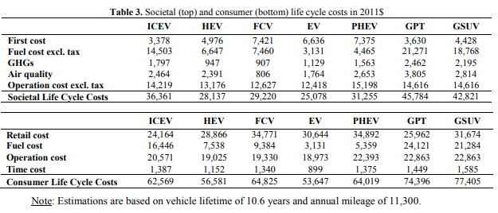

 |  |  |  | 10 | year vehicle life
 |  |  |  | 9,985 | Annual VMT

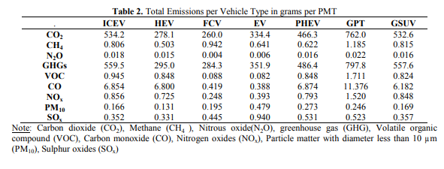

 | 2008
 | www.ce.utexas.edu/prof/kockelman/public_html/TRB08VehicleExternalities.pdf

 | Table 2: External Cost Estimates by Vehicle Make and Model, per Mile Driven
Veh Type | Make & Model | GHG $ | Health
Pickup | F150 | 0.061 | 0.0245
Mid Size Car | Taurus | 0.0316 | 0.0031

 |  | Project External Health Costs = | $43,923.02

Projected Veh Costs
 |  |  |  | Bloomberg | https://www.bloomberg.com/news/articles/2017-05-26/electric-cars-seen-cheaper-than-gasoline-models-within-a-decade
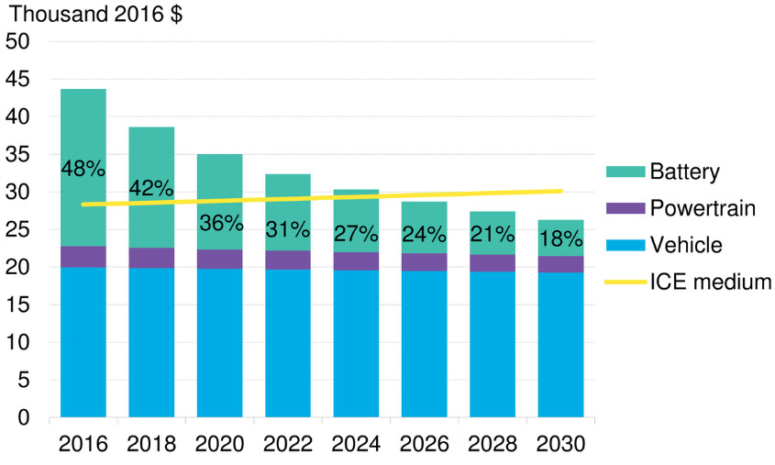
Now research from Bloomberg New Energy Finance indicates that falling battery costs
will mean electric vehicles will also be cheaper to buy in the U.S. and Europe as soon as
2025. Batteries currently account for about half the cost of EVs, and their prices will fall
by about 77 percent between 2016 and 2030, the London-based researcher said.

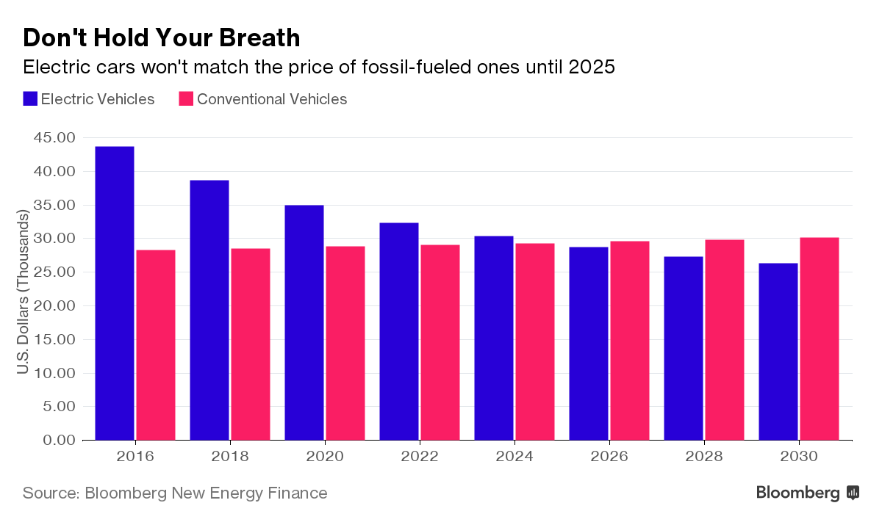

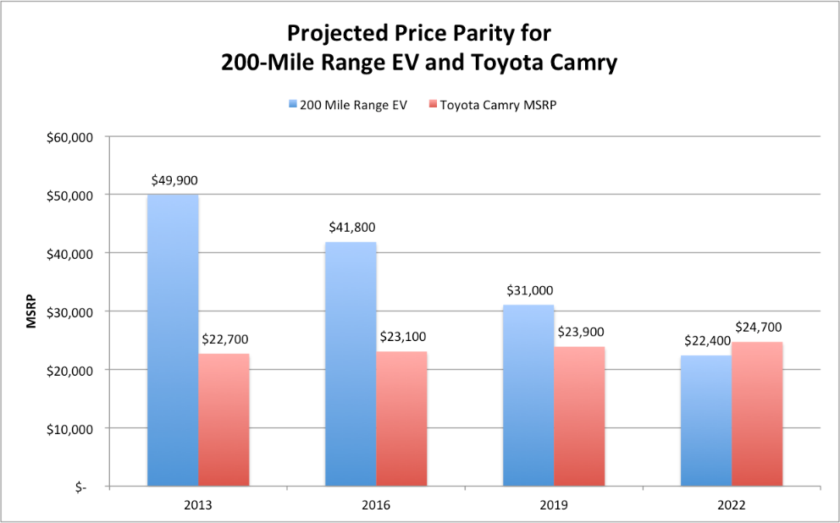

 |  |  |  |  |  | Fleet vehicles will still be less expensive as they are generally about $ 3,500 less expensive today than consumer vehicles

 | Source: NADA Guides, ARK Investment Management LLC
 |  | 2016 to 2019 | 2019 to 2022 | 2022 to 2025
Increase ICE |  | $400 | $800

