Temp. Criteria Instructions
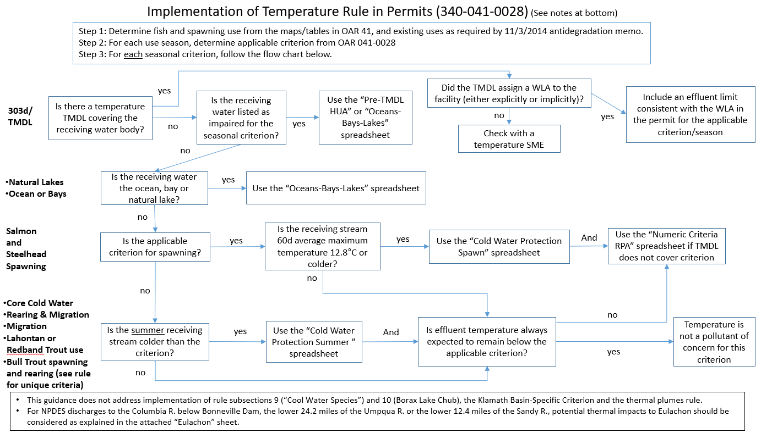

6.Thermal Plumes Instructions
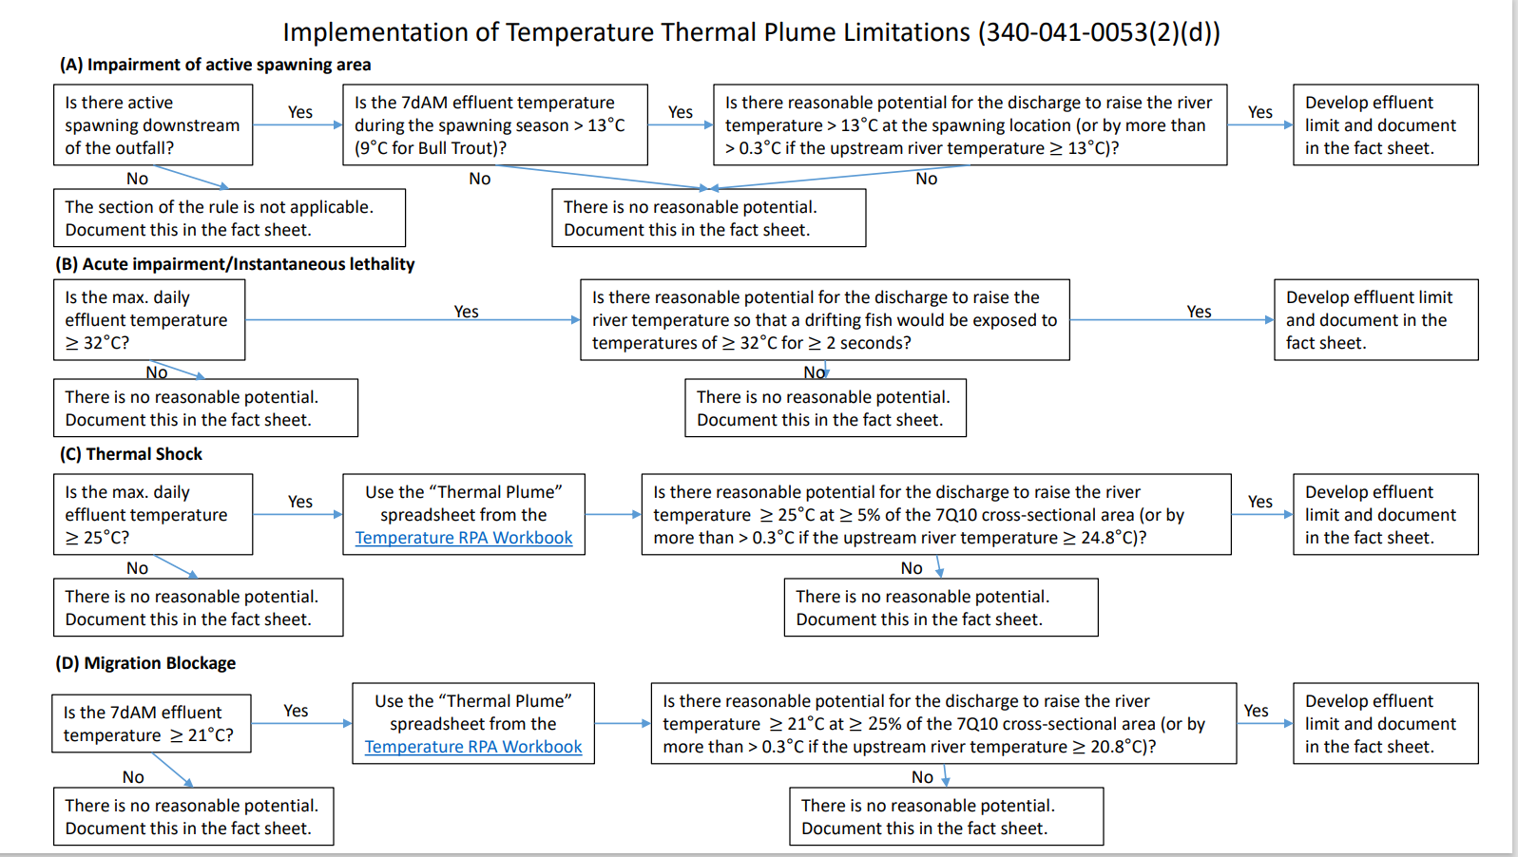 | Impairment of active spawning area note: If there is no spawning use noted in OAR or ODFW use maps, then there is not active spawning downstream of the outfall. If spawning is noted on the maps, then check to see if there is information within the mixing zone study or other sources on active spawning beds. If there is no information within the mixing zone study, or from other available sources, regarding active spawning areas, contact the regional ODFW biologist and: Provide the biologist with a detailed description of the mixing zone location (including a map showing the location of the mixing zone within the receiving stream) and ask this question: Does ODFW have knowledge (for example, from a survey or direct observation) that an active salmonid spawning area, where spawning redds are located or likely to be located, exists within the mixing zone described above? 1. If yes, please provide any available documentation. 2. If no, is it likely that the area within the mixing zone described above is an active spawning area for spawning redds? Migration Blockage Note: Migration blockage only applies to upstream migration of anadromous species. It also primarily applies to historically native stecidies, but if a species is native the the ESU, bhen it should likely apply to that species also (especiall if it's a T&E species). (Per Debra Sturdevant emails to Rob Burkart 9/16/2021 and 9/17/2021).

7. TMDL - Willamette Bubble
Willamette TMDL Small Source Bubble
Assigned Thermal Load Calculation

 | Facility Name: |  |  |  | Date:

Enter data into white cells below: |  |  |  |  |  |  |  | From the 2006 Willamett TMDL, Chapter 4, pages 124 and 126:

 |  | Low Flow Scaling Factor = |  |  |  | Equation used to calculate thermal load

 |  | High Flow Scaling Factor =
 |  |  |  |  |  | TL = 2.447*Qe*(Te-Tc)*d
 |  | Effluent Temperature = |  | ºC

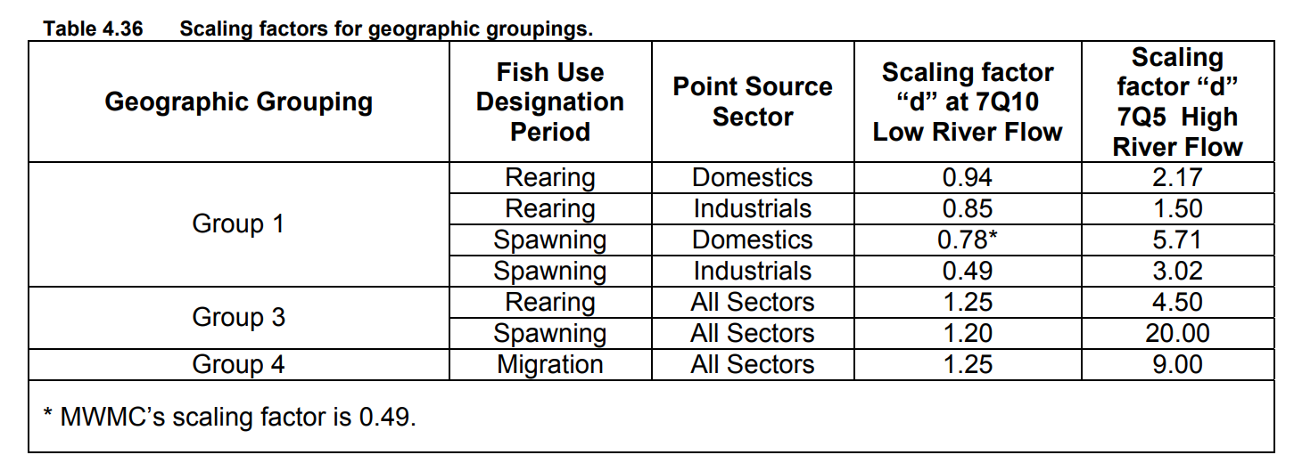
 |  | Applicable Temperature Criterion = |  | ºC
 |  |  |  |  |  | Where:
 |  | Effluent Flow = |  | mgd |  | Qe = | Effluent Flow in cfs
 |  |  |  |  |  | Te = | Effluent Temperature °C
 |  |  |  |  |  | Tc = | Temperature Criterion °C
 |  | Effluent Flow = | 0.00 | cfs |  | d = | Scaling Factor
 |  |  |  |  |  | The above equation is provided on page 4-132 of the TMDL (Eq. 6)
 |  | Low Flow Thermal Load = | 0.0 | Million Kcals

 |  | High Flow Thermal Load = | 0.0 | Million Kcals

 | No limit associated with the bubble allocation should be included in the permit. These two values may be used by the TMDL program as the TMDL is reassessed (the TMDL program [Ryan M] has stated that we do not need to provide them this data at the time of renewal)

8. TMDL - Willamette Tributary
Willamette TMDL Tributary Source
Analysis at 25%, then 100% of low flow

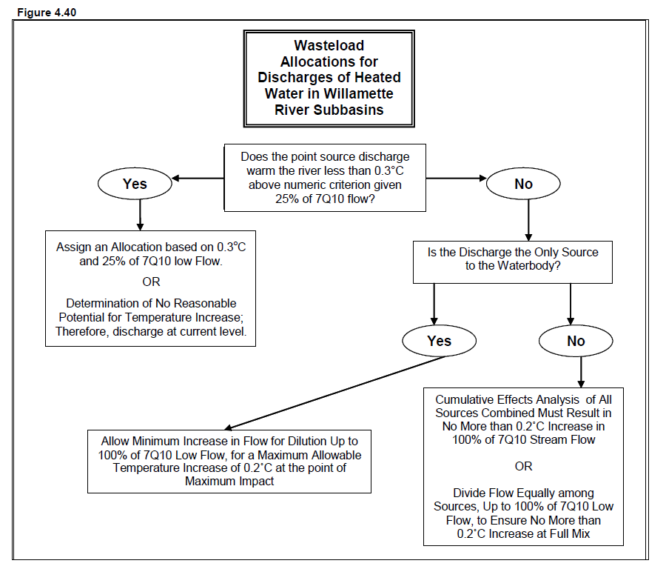
 | Facility Name: |  |  |  | Date:

Enter data into white cells below:
 |  |  |  |  |  | Equation used to calculate DT at edge of MZ
 |  | 7Q10 = | 45 | cfs

 |  | Effluent Flow = | 1 | mgd

 |  | Effluent Temperature | 20 | ºC
 |  |  |  |  |  | Equation used to calculate thermal load limit
 |  | Applicable Temperature Criterion | 18 | ºC

 |  | Allowable DT | 0.3

 |  |  |  |  |  | Where:
 |  | Dilution at 25% Stream Flow = | 8 |  |  | Qe = | Effluent Flow in mgd
 |  | Dilution at 100% Stream Flow = | 30 |  |  | S = | Dilution

 |  | DT at 25% Stream Flow= | 0.24 | ºC |  | DTall = | Allowable temperature increase

 |  |  | No Reasonable Potential |  |  |  | at edge of MZ (°C)
 |  |  |  |  |  | Cp = | Specific Heat of Water (1 cal/g °C)
To Continue - enter data into white cells below: |  |  |  |  |  | r = | Density of Water (1 g/cm3)
 |  |  |  |  |  | 3785.41 = | Flow conversion from mgd to m3/day
 |  |  | Total dischargers to stream | 3

 |  |  | Allowed temperature increase at 100% flow | 0.2

 |  |  |  |  |  | Alternatively, perform cumulative effects analysis
 |  | Thermal load limit = | NA | Million Kcals |  | with multiple dischargers

