Cover
*Emissions Detail Sheets and Modeling Report Appendices for:

Intel Corporation, Source Id. #: 34-2681, Permit Application #: 034907 received on: 7/07/2023

*Note: Due to the size and nature of the data, some of the borders and titles may not be entirely visible.
EMISSIONS DETAIL SHEETS
Worksheet Name | Contents
OR PTE Summary | Emissions Summary
OR Assumptions | Assumptions used in calculations
Process GHG | Process Greenhouse Gas emissions
EXSC Scrubbers | EXSC Scrubber emissions - criteria pollutants
EXSC Scrubbers HAP - Fluorides | EXSC Scrubber emissions - HAPs and Fluorides
RCTOs | RCTO emissions - criteria pollutants
RCTO HAPs - Fluorides | RCTO emissions - HAPs
Boilers | Boiler emissions - criteria pollutants
Boiler HAPs | Boiler emissions - HAPs
Existing Boilers NSPS Dc | List of Boilers subject to NSPS Dc
Heaters | Heater emissions - criteria pollutants
Heater HAPs | Heater emissions - HAPs
EXAM Scrubbers | EXAM Scrubber emissions - criteria pollutants
EXAM Scrubbers HAP - Fluorides | EXAM Scrubber emissions - HAPs and Fluorides
PSSS Scrubbers | PSSS Scrubber emissions - criteria pollutants
RICE | Emergency Generator and Fire Pump Engines - criteria pollutants
RICE HAPs | Emergency Generator and Fire Pump Engines - HAPs
RICE Subpart IIII | List of RICE subject to Subpart IIII
TMXW | TMXW emissions - criteria pollutants
TMXW HAPs | TMWX emissions - HAPs and Fluorides
Lime Silos | Lime Silo emissions - criteria pollutants
Cooling Towers | Cooling Tower emissions - criteria pollutants
Cooling Towers HAP | Cooling Tower emissions - HAPs
Tanks | Storage Tanks emissions
Arsenic SP Exhaust | Arsenic Specialty Exhaust emissions
Ronler-Paved Roads | Paved Road emissions at Ronler Acres site
Aloha-Paved Roads | Paved Road emissions at Aloha site
Stack Information | Stack Information submitted with application

MODELING REPORT APPENDICES
Worksheet Name | Contents

App.A Modeled Stack Param. Pg1 | Modeling Report Appendix A, Stack Parameters except EGENs
App.A Modeled Stack Param. Pg2 | Modeling Report Appendix A, Stack Parameters for EGENs
App.B Competing Source Inventory | Modeling Report Appendix B, Competing Source Inventory

Ronler-Paved Roads
Emissions Detail Sheets for: |  |  |  | Intel Corp., source no. 34-2681, application 034907 received 7/7/2023
Intel Corporation - Oregon Ronler Paved Roads |  |  |  |  |  |  |  |  |  |  |  |  |  | Assumptions
 |  |  |  |  |  |  |  |  |  |  |  |  |  | Waste Profile #4 | 9 tons in a sludge bin that is ~ 20 cubic yard bin
The following calculations determine the amount of emissions created by paved roads, based on 8,760 hours of use and AP-42, Ch 13.2.1 (1/2011). |  |  |  |  |  |  |  |  |  |  |  |  |  | WATR WAS | 9 tons per roll off
 |  |  |  |  |  |  |  |  |  |  |  |  |  | WATR SALT | 9 tons per roll off
Vehicle Information (provided by source) |  |  |  |  |  |  |  |  |  |  |  |  |  | * Unless listed above all tanker trucks are assumed to hold 20 tons of waste
Route | Type | Trips per day | Tons per Quarter | Maximum Weight of Loaded Vehicle (tons/trip) | Total Weight driven per day (ton/day) | Maximum one-way distance (feet/trip) | Maximum one-way distance (miles/trip) | Maximum one-way miles (miles/day) | Maximum one-way miles (miles/yr) | Weighted VMT (tons*miles/yr)
South | Waste Profile #1 (entering) | 10 | 22,500 | 25 | 250 | 6983 | 1.3 | 13 | 4827 | 120,673 |  |  |  |  |  |  |  |  |  |  |  | South Loop
South | Waste Profile #1 (leaving) | 10 | 41,500 | 45 | 450 | 2993 | 0.6 | 6 | 2069 | 93,091 |  |  |  | Empty Weight Truck is 25 tons
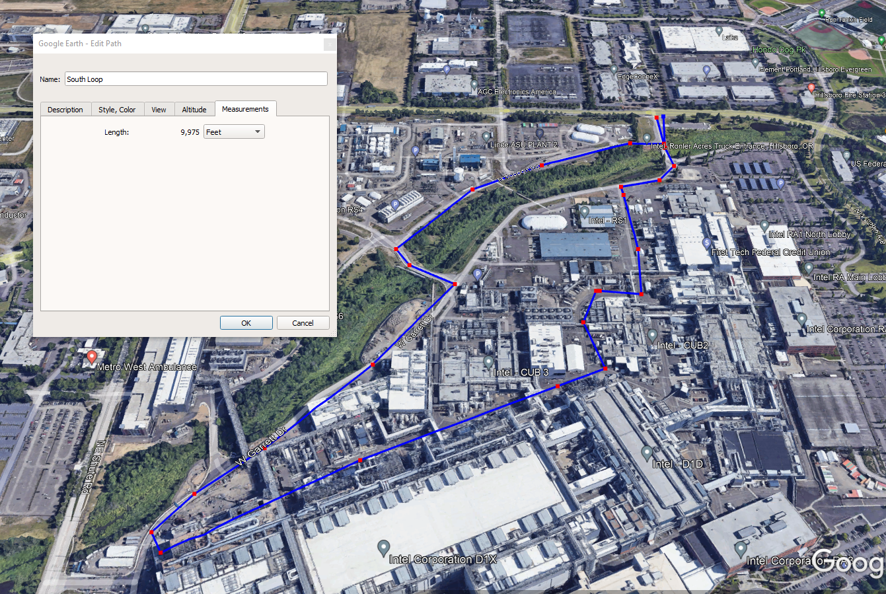
South | Waste Profile #2 (entering) | 8 | 18,000 | 25 | 200 | 6983 | 1.3 | 11 | 3862 | 96,538 |  |  |  | 12 trucks/day for bulk chemical and other semi truck activities
South | Waste Profile #2 (leaving) | 8 | 30,000 | 45 | 360 | 2993 | 0.6 | 5 | 1655 | 74,472
South | Waste Profile #3 (entering) | 4 | 9,000 | 25 | 100 | 6983 | 1.3 | 5 | 1931 | 48,269 |  |  |  |  | Length (ft) | Route |  |  | Percent Route | Length (ft)
South | Waste Profile #3 (leaving) | 4 | 16,000 | 45 | 180 | 2993 | 0.6 | 2 | 827 | 37,236 |  |  |  | North | 8906 | Orange + Green |  | North Enter | 60 | 5344
South | Waste Profile #4 (entering) | 4 | 9,000 | 25 | 100 | 6983 | 1.3 | 5 | 1931 | 48,269 |  |  |  |  |  |  |  | North Exit | 40 | 3562
South | Waste Profile #4 (leaving) | 4 | 12,400 | 34 | 136 | 2993 | 0.6 | 2 | 827 | 28,134 |  |  |  | South | 9975 | Blue + Green |  | South Enter | 70 | 6983
North | Waste Profile #5 (entering) | 2 | 4,500 | 25 | 50 | 5344 | 1.0 | 2 | 739 | 18,470 |  |  |  |  |  |  |  | South Exit | 30 | 2993
North | Waste Profile #5 (leaving) | 2 | 5,900 | 45 | 90 | 3562 | 0.7 | 1 | 493 | 22,164 |  |  |  | West | 9267 | Purple + Green |  | West Enter | 50 | 4634
South | Waste Profile #6 (entering) | 2 | 4,500 | 25 | 50 | 6983 | 1.3 | 3 | 965 | 24,135 |  |  |  |  |  |  |  | West Exit | 50 | 4634
South | Waste Profile #6 (leaving) | 2 | 4,700 | 45 | 90 | 2993 | 0.6 | 1 | 414 | 18,618
South | Waste Profile #7 (entering) | 2 | 4,500 | 25 | 50 | 6983 | 1.3 | 3 | 965 | 24,135
South | Waste Profile #7 (leaving) | 2 | 6,500 | 45 | 90 | 2993 | 0.6 | 1 | 414 | 18,618
South | Waste Profile #8 (entering) | 2 | 4,500 | 25 | 50 | 6983 | 1.3 | 3 | 965 | 24,135
South | Waste Profile #8 (leaving) | 2 | 6,300 | 45 | 90 | 2993 | 0.6 | 1 | 414 | 18,618
South | Waste Profile #9 (entering) | 2 | 4,500 | 25 | 50 | 6983 | 1.3 | 3 | 965 | 24,135
South | Waste Profile #9 (leaving) | 2 | 4,700 | 45 | 90 | 2993 | 0.6 | 1 | 414 | 18,618
South | Waste Profile #10 (entering) | 2 | 4,500 | 25 | 50 | 6983 | 1.3 | 3 | 965 | 24,135
South | Waste Profile #10 (leaving) | 2 | 8,100 | 45 | 90 | 2993 | 0.6 | 1 | 414 | 18,618
South | Process Bulk Chemical Deliveries (leaving) | 12 | 27,000 | 25 | 300 | 2993 | 0.6 | 7 | 2482 | 62,060
South | Process Bulk Chemical Deliveries (entering) | 12 | 75,600 | 45 | 540 | 6983 | 1.3 | 16 | 5792 | 260,654
South | Other Semi Trucks [Wafers, Tools, Specialty Chems, etc.] (leaving) | 12 | 27,000 | 25 | 300 | 2993 | 0.6 | 7 | 2482 | 62,060
South | Other Semi Trucks [Wafers, Tools, Specialty Chems, etc.] (entering) | 12 | 75,600 | 45 | 540 | 6983 | 1.3 | 16 | 5792 | 260,654
West | WAS Waste (entering facility) | 8 | 18,000 | 25 | 200 | 4634 | 0.9 | 7 | 2562 | 64,062
West | WAS Waste (leaving facility) | 8 | 27,400 | 34 | 272 | 4634 | 0.9 | 7 | 2562 | 87,124
West | WATR Salt (entering facility) | 16 | 36,000 | 25 | 400 | 4634 | 0.9 | 14 | 5125 | 128,123
West | WATR Salt (leaving facility) | 16 | 55,000 | 34 | 544 | 4634 | 0.9 | 14 | 5125 | 174,248
South | Bulk WATR Chemical Deliveries (leaving WATR loop) | 12 | 27,000 | 25 | 300 | 2993 | 0.6 | 7 | 2482 | 62,060
South | Bulk WATR Chemical Deliveries (entering WATR loop) | 12 | 75,600 | 45 | 540 | 6983 | 1.3 | 16 | 5792 | 260,654
 | Total | 196 |  |  | 6552 |  |  | 182 | 66254

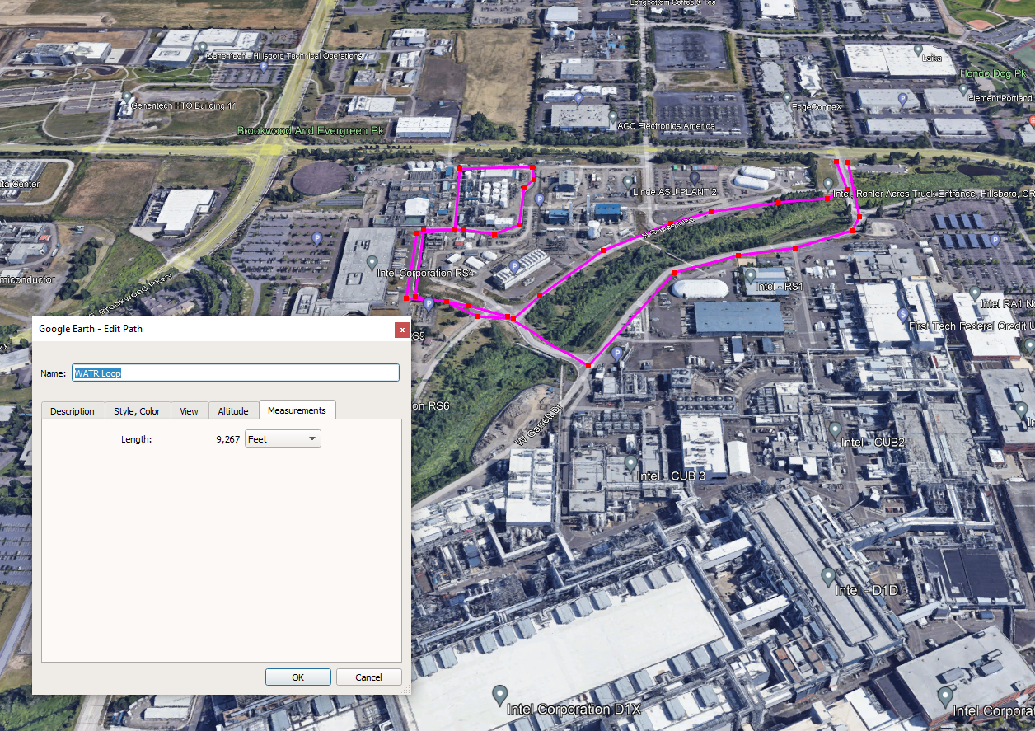
 | RA Site | North | South | West |  |  |  |  |  |  |  |  |  |  |  |  |  |  |  |  | West Loop
Weighted Average Vehicle Weight = | 35.74 | 33.00 | 31.00 | 29.50 | ton
Average Miles Per Trip = | 0.93 |  |  |  | miles/trip

Unmitigated Emission Factor, Ef = | [k * (sL)^0.91 * (W)^1.02] (Equation 1 from AP-42 13.2.1)

 | PM |  |  |  | PM10 |  |  |  | PM2.5
where k = | 0.011 |  |  |  | 0.0022 |  |  |  | 0.00054 |  |  |  | lb/VMT = particle size multiplier (AP-42 Table 13.2.1-1)
 | RA Site | North | South | West | RA Site | North | South | West | RA Site | North | South | West
W = | 35.74 | 33.00 | 31.00 | 29.50 | 35.74 | 33.00 | 31.00 | 29.50 | 35.74 | 33.00 | 31.00 | 29.50 | tons = weighted average vehicle weight
sL = | 0.6 |  |  |  | 0.6 |  |  |  | 0.6 |  |  |  | g/m^2

Taking natural mitigation due to precipitation into consideration, Mitigated Emission Factor, Eext = E * [1 - (p/4N)] (Equation 2 from AP-42 13.2.1)
Mitigated Emission Factor, Eext = | Ef * [1 - (p/4N)]
where p = | 180 | days of rain greater than or equal to 0.01 inches (see Fig. 13.2.1-2)
N = | 365 | days per year

 | PM |  |  |  | PM10 |  |  |  | PM2.5
 | RA Site | North | South | West | RA Site | North | South | West | RA Site | North | South | West
Unmitigated Emission Factor, Ef = | 0.27 | 0.24 | 0.23 | 0.22 | 0.05 | 0.05 | 0.05 | 0.04 | 0.01 | 0.01 | 0.01 | 0.01 | lb/mile
Mitigated Emission Factor, Eext = | 0.23 | 0.21 | 0.20 | 0.19 | 0.05 | 0.04 | 0.04 | 0.04 | 0.01 | 0.01 | 0.01 | 0.01 | lb/mile
Dust Control Efficiency = | 90% |  |  |  | 90% |  |  |  | 90%

PM/PM10/PM2.5 Emissions Per Road Segment |  | Uncontrolled |  |  | Controlled |  |  | Link
Road Segment | Process | PM Annual Emissions (tpy) | PM10 Annual Emissions (tpy) | PM2.5 Annual Emissions (tpy) | PM Annual Emissions (tpy) | PM10 Annual Emissions (tpy) | PM2.5 Annual Emissions (tpy)
South | Waste Profile #1 (entering) | 5.61E-01 | 1.12E-01 | 2.76E-02 | 5.61E-02 | 1.12E-02 | 2.76E-03 | S1
South | Waste Profile #1 (leaving) | 2.41E-01 | 4.81E-02 | 1.18E-02 | 2.41E-02 | 4.81E-03 | 1.18E-03 | S2
South | Waste Profile #2 (entering) | 4.49E-01 | 8.98E-02 | 2.20E-02 | 4.49E-02 | 8.98E-03 | 2.20E-03 | S1
South | Waste Profile #2 (leaving) | 1.92E-01 | 3.85E-02 | 9.45E-03 | 1.92E-02 | 3.85E-03 | 9.45E-04 | S2
South | Waste Profile #3 (entering) | 1.94E-01 | 3.88E-02 | 9.53E-03 | 1.94E-02 | 3.88E-03 | 9.53E-04 | S1
South | Waste Profile #3 (leaving) | 8.32E-02 | 1.66E-02 | 4.09E-03 | 8.32E-03 | 1.66E-03 | 4.09E-04 | S2
South | Waste Profile #4 (entering) | 2.25E-01 | 4.49E-02 | 1.10E-02 | 2.25E-02 | 4.49E-03 | 1.10E-03 | S1
South | Waste Profile #4 (leaving) | 9.62E-02 | 1.92E-02 | 4.72E-03 | 9.62E-03 | 1.92E-03 | 4.72E-04 | S2
North | Waste Profile #5 (entering) | 7.92E-02 | 1.58E-02 | 3.89E-03 | 7.92E-03 | 1.58E-03 | 3.89E-04 | N1
North | Waste Profile #5 (leaving) | 5.28E-02 | 1.06E-02 | 2.59E-03 | 5.28E-03 | 1.06E-03 | 2.59E-04 | N2
South | Waste Profile #6 (entering) | 9.71E-02 | 1.94E-02 | 4.77E-03 | 9.71E-03 | 1.94E-03 | 4.77E-04 | S1 |  |  |  |  |  |  |  |  |  |  |  |  | North Loop
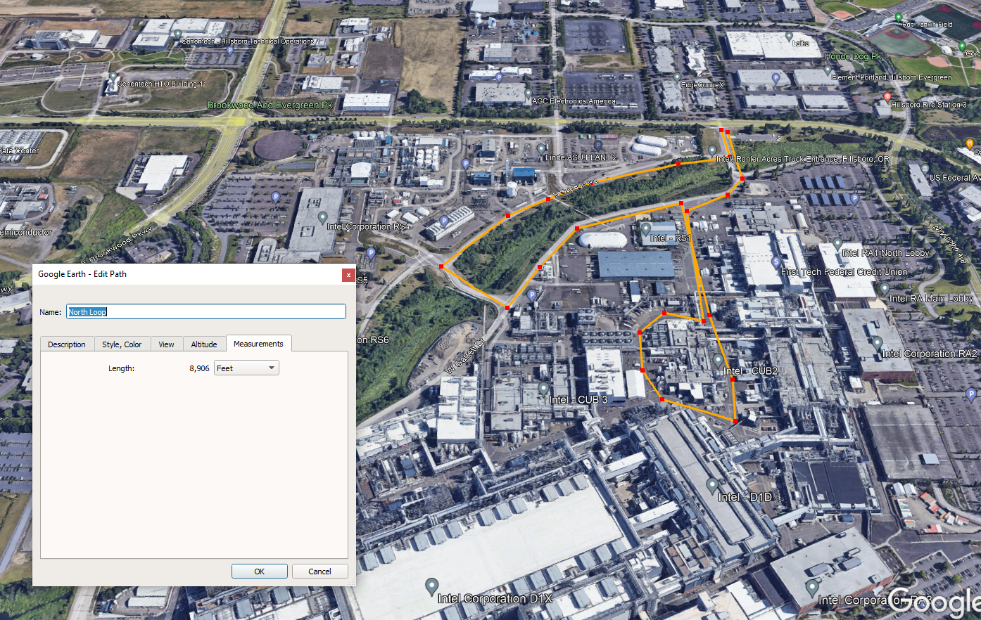
South | Waste Profile #6 (leaving) | 4.16E-02 | 8.32E-03 | 2.04E-03 | 4.16E-03 | 8.32E-04 | 2.04E-04 | S2 |  | Controlled PTE | PM10 Annual Emissions (tpy) | PM2.5 Annual Emissions (tpy) | Route
South | Waste Profile #7 (entering) | 9.71E-02 | 1.94E-02 | 4.77E-03 | 9.71E-03 | 1.94E-03 | 4.77E-04 | S1 |  | N1 | 1.58E-03 | 3.89E-04 | North Route Incoming
South | Waste Profile #7 (leaving) | 4.16E-02 | 8.32E-03 | 2.04E-03 | 4.16E-03 | 8.32E-04 | 2.04E-04 | S2 |  | N2 | 1.06E-03 | 2.59E-04 | North Route Outgoing
South | Waste Profile #8 (entering) | 9.71E-02 | 1.94E-02 | 4.77E-03 | 9.71E-03 | 1.94E-03 | 4.77E-04 | S1 |  | S1 | 7.87E-02 | 1.93E-02 | South Route Incoming
South | Waste Profile #8 (leaving) | 4.16E-02 | 8.32E-03 | 2.04E-03 | 4.16E-03 | 8.32E-04 | 2.04E-04 | S2 |  | S2 | 3.37E-02 | 8.28E-03 | South Route Outgoing
South | Waste Profile #9 (entering) | 9.71E-02 | 1.94E-02 | 4.77E-03 | 9.71E-03 | 1.94E-03 | 4.77E-04 | S1 |  | W1 | 1.47E-02 | 3.61E-03 | West Route Incoming
South | Waste Profile #9 (leaving) | 4.16E-02 | 8.32E-03 | 2.04E-03 | 4.16E-03 | 8.32E-04 | 2.04E-04 | S2 |  | W2 | 1.47E-02 | 3.61E-03 | West Route Outgoing
South | Waste Profile #10 (entering) | 9.71E-02 | 1.94E-02 | 4.77E-03 | 9.71E-03 | 1.94E-03 | 4.77E-04 | S1
South | Waste Profile #10 (leaving) | 4.16E-02 | 8.32E-03 | 2.04E-03 | 4.16E-03 | 8.32E-04 | 2.04E-04 | S2
South | Process Bulk Chemical Deliveries (leaving) | 2.89E-01 | 5.77E-02 | 1.42E-02 | 2.89E-02 | 5.77E-03 | 1.42E-03 | S2
South | Process Bulk Chemical Deliveries (entering) | 6.74E-01 | 1.35E-01 | 3.31E-02 | 6.74E-02 | 1.35E-02 | 3.31E-03 | S1
South | Other Semi Trucks [Wafers, Tools, Specialty Chems, etc.] (leaving) | 2.89E-01 | 5.77E-02 | 1.42E-02 | 2.89E-02 | 5.77E-03 | 1.42E-03 | S2
South | Other Semi Trucks [Wafers, Tools, Specialty Chems, etc.] (entering) | 6.74E-01 | 1.35E-01 | 3.31E-02 | 6.74E-02 | 1.35E-02 | 3.31E-03 | S1
West | WAS Waste (entering facility) | 2.45E-01 | 4.90E-02 | 1.20E-02 | 2.45E-02 | 4.90E-03 | 1.20E-03 | W1
West | WAS Waste (leaving facility) | 2.45E-01 | 4.90E-02 | 1.20E-02 | 2.45E-02 | 4.90E-03 | 1.20E-03 | W2
West | WATR Salt (entering facility) | 4.90E-01 | 9.80E-02 | 2.41E-02 | 4.90E-02 | 9.80E-03 | 2.41E-03 | W1
West | WATR Salt (leaving facility) | 4.90E-01 | 9.80E-02 | 2.41E-02 | 4.90E-02 | 9.80E-03 | 2.41E-03 | W2
South | Bulk WATR Chemical Deliveries (leaving WATR loop) | 2.89E-01 | 5.77E-02 | 1.42E-02 | 2.89E-02 | 5.77E-03 | 1.42E-03 | S2
South | Bulk WATR Chemical Deliveries (entering WATR loop) | 6.74E-01 | 1.35E-01 | 3.31E-02 | 6.74E-02 | 1.35E-02 | 3.31E-03 | S1
 |  | Uncontrolled |  |  | Controlled
 |  | PM Annual Emissions (tpy) | PM10 Annual Emissions (tpy) | PM2.5 Annual Emissions (tpy) | PM Annual Emissions (tpy) | PM10 Annual Emissions (tpy) | PM2.5 Annual Emissions (tpy)
 | TOTAL | 7.22E+00 | 1.44E+00 | 3.55E-01 | 7.22E-01 | 1.44E-01 | 3.55E-02

Methodology |  |  |  | Abbreviations
Total Weight driven per day (ton/day) | = [Maximum Weight of Loaded Vehicle (tons/trip)] * [Maximum trips per day (trip/day)] |  |  | PM = Particulate Matter
Maximum one-way distance (mi/trip) | = [Maximum one-way distance (feet/trip) / [5280 ft/mile] |  |  | PM10 = Particulate Matter (<10 um)
Maximum one-way miles (miles/day) | = [Maximum trips per year (trip/day)] * [Maximum one-way distance (mi/trip)] |  |  | PM2.5 = Particle Matter (<2.5 um)
Average Vehicle Weight Per Trip (ton/trip) | = SUM[Total Weight driven per day (ton/day)] / SUM[Maximum trips per day (trip/day)] |  |  | PTE = Potential to Emit
Average Miles Per Trip (miles/trip) | = SUM[Maximum one-way miles (miles/day)] / SUM[Maximum trips per year (trip/day)]
Unmitigated PTE (tons/yr) | = [Maximum one-way miles (miles/yr)] * [Unmitigated Emission Factor (lb/mile)] * (ton/2000 lbs)
Mitigated PTE (Before Control) (tons/yr) | = [Maximum one-way miles (miles/yr)] * [Mitigated Emission Factor (lb/mile)] * (ton/2000 lbs)
Mitigated PTE (After Control) (tons/yr) | = [Mitigated PTE (Before Control) (tons/yr)] * [1 - Dust Control Efficiency]

 |  |  |  |  |  |  |  |  |  |  |  |  |  |  | 1 | 2 | 3 | 4 | 5 | 6
 |  |  |  |  |  |  |  |  |  |  |  |  |  | PM10 | 1.58E-03 | 1.06E-03 | 7.87E-02 | 3.37E-02 | 1.47E-02 | 1.47E-02
 |  |  | N1 | N2 |  | S1 | S2 |  | W1 | W2 |  |  |  | PM2.5 | 3.89E-04 | 2.59E-04 | 1.93E-02 | 8.28E-03 | 3.61E-03 | 3.61E-03
Link | Description | Length | NL Enter | NL Exit | NL | SL Enter | SL Exit | SL | WL Enter | WL Exit | WL |  |  | Link | N1 | N2 | S1 | S2 | W1 | W2 | PM10 Annual Emissions(tpy) | PM2.5 Annual Emissions (tpy) | PM10 Hourly Emissions (lbs/hr) | PM2.5 Hourly Emissions (lbs/hr)
PRA01 | All routes, entrance/exit, both ways | 83 | 1 | 1 | 2 | 1 | 1 | 2 | 1 | 1 | 2 |  |  | 1 | 0.05 | 0.09 | 0.04 | 0.10 | 0.06 | 0.06 | 8.25E-03 | 2.03E-03 | 1.88E-03 | 4.62E-04
PRA02 | All routes, entrance, one way | 183 | 1 |  | 1 | 1 |  | 1 | 1 |  | 1 |  |  | 2 | 0.12 | 0.00 | 0.09 | 0.00 | 0.13 | 0.00 | 8.76E-03 | 2.15E-03 | 2.00E-03 | 4.91E-04
PRA03 | All routes, entrance, one way | 301 | 1 |  | 1 | 1 |  | 1 | 1 |  | 1 |  |  | 3 | 0.19 | 0.00 | 0.14 | 0.00 | 0.21 | 0.00 | 1.44E-02 | 3.54E-03 | 3.29E-03 | 8.07E-04
PRA04 | All routes, entrance, one way | 143 | 1 |  | 1 | 1 |  | 1 | 1 |  | 1 |  |  | 4 | 0.09 | 0.00 | 0.07 | 0.00 | 0.10 | 0.00 | 6.87E-03 | 1.69E-03 | 1.57E-03 | 3.85E-04
PRW05 | West Route, both ways | 161 |  |  |  |  |  |  | 1 | 1 | 2 |  |  | 5 | 0.00 | 0.00 | 0.00 | 0.00 | 0.11 | 0.11 | 3.31E-03 | 8.12E-04 | 7.55E-04 | 1.85E-04
PRW06 | West Route, both ways | 148 |  |  |  |  |  |  | 1 | 1 | 2 |  |  | 6 | 0.00 | 0.00 | 0.00 | 0.00 | 0.10 | 0.11 | 3.04E-03 | 7.47E-04 | 6.95E-04 | 1.71E-04
PRW07 | West Route, both ways | 48 |  |  |  |  |  |  | 1 | 1 | 2 |  |  | 7 | 0.00 | 0.00 | 0.00 | 0.00 | 0.03 | 0.03 | 9.86E-04 | 2.42E-04 | 2.25E-04 | 5.52E-05
PRW08 | West Route, one ways | 110 |  |  |  |  |  |  | 1 |  | 1 |  |  | 8 | 0.00 | 0.00 | 0.00 | 0.00 | 0.08 | 0.00 | 1.12E-03 | 2.74E-04 | 2.55E-04 | 6.26E-05
PRW09 | West Route, one ways | 159 |  |  |  |  |  |  | 1 |  | 1 |  |  | 9 | 0.00 | 0.00 | 0.00 | 0.00 | 0.11 | 0.00 | 1.61E-03 | 3.95E-04 | 3.68E-04 | 9.02E-05
PRW10 | West Route, one ways | 117 |  |  |  |  |  |  | 1 |  | 1 |  |  | 10 | 0.00 | 0.00 | 0.00 | 0.00 | 0.08 | 0.00 | 1.19E-03 | 2.91E-04 | 2.71E-04 | 6.65E-05
PRW11 | West Route, one ways | 157 |  |  |  |  |  |  |  | 1 | 1 |  |  | 11 | 0.00 | 0.00 | 0.00 | 0.00 | 0.00 | 0.11 | 1.65E-03 | 4.05E-04 | 3.77E-04 | 9.25E-05
PRA12 | All routes, one way, crossing wetlands | 141 | 1 |  | 1 | 1 |  | 1 |  | 1 | 1 |  |  | 12 | 0.09 | 0.00 | 0.07 | 0.00 | 0.00 | 0.10 | 6.82E-03 | 1.67E-03 | 1.56E-03 | 3.82E-04
PRS13 | South Route one way | 615 |  |  |  | 1 |  | 1 |  |  |  |  |  | 13 | 0.00 | 0.00 | 0.29 | 0.00 | 0.00 | 0.00 | 2.26E-02 | 5.56E-03 | 5.17E-03 | 1.27E-03
PRS14 | South Route one way | 673 |  |  |  | 1 |  | 1 |  |  |  |  |  | 14 | 0.00 | 0.00 | 0.31 | 0.00 | 0.00 | 0.00 | 2.47E-02 | 6.07E-03 | 5.65E-03 | 1.39E-03
PRNS15 | North-South routes, one way | 137 |  | 1 | 1 |  | 1 | 1 |  |  |  |  |  | 15 | 0.00 | 0.14 | 0.00 | 0.16 | 0.00 | 0.00 | 5.54E-03 | 1.36E-03 | 1.26E-03 | 3.10E-04
PRNS16 | North-South routes, one way | 55 |  | 1 | 1 |  | 1 | 1 |  |  |  |  |  | 16 | 0.00 | 0.06 | 0.00 | 0.06 | 0.00 | 0.00 | 2.24E-03 | 5.49E-04 | 5.10E-04 | 1.25E-04
PRNS17 | North-South routes, one way | 67 |  | 1 | 1 |  | 1 | 1 |  |  |  |  |  | 17 | 0.00 | 0.07 | 0.00 | 0.08 | 0.00 | 0.00 | 2.71E-03 | 6.65E-04 | 6.19E-04 | 1.52E-04
PRNS18 | North-South routes, both ways | 284 | 1 | 1 | 2 |  | 1 | 1 |  |  |  |  |  | 18 | 0.18 | 0.29 | 0.00 | 0.33 | 0.00 | 0.00 | 1.18E-02 | 2.89E-03 | 2.69E-03 | 6.60E-04
PRA19 | All routes, exit, one way | 113 |  |  |  |  | 1 | 1 |  | 1 | 1 |  |  | 19 | 0.00 | 0.00 | 0.00 | 0.13 | 0.00 | 0.08 | 5.64E-03 | 1.39E-03 | 1.29E-03 | 3.16E-04
PRA20 | All routes, exit, one way | 117 |  |  |  |  | 1 | 1 |  | 1 | 1 |  |  | 20 | 0.00 | 0.00 | 0.00 | 0.14 | 0.00 | 0.08 | 5.82E-03 | 1.43E-03 | 1.33E-03 | 3.26E-04
PRNW21 | North-West Routes one way | 230 | 1 |  | 1 |  |  |  |  | 1 | 1 |  |  | 21 | 0.15 | 0.00 | 0.00 | 0.00 | 0.00 | 0.16 | 2.64E-03 | 6.49E-04 | 6.04E-04 | 1.48E-04
PRNW22 | North-West Routes one way | 204 | 1 |  | 1 |  |  |  |  | 1 | 1 |  |  | 22 | 0.13 | 0.00 | 0.00 | 0.00 | 0.00 | 0.15 | 2.35E-03 | 5.76E-04 | 5.36E-04 | 1.32E-04
PRS23 | South Route one way | 226 |  | 1 | 1 |  |  |  |  |  |  |  |  | 23 | 0.00 | 0.23 | 0.00 | 0.00 | 0.00 | 0.00 | 2.45E-04 | 6.00E-05 | 5.58E-05 | 1.37E-05
PRS24 | South Route one way | 125 |  | 1 | 1 |  |  |  |  |  |  |  |  | 24 | 0.00 | 0.13 | 0.00 | 0.00 | 0.00 | 0.00 | 1.35E-04 | 3.32E-05 | 3.09E-05 | 7.58E-06
 |  | TOTAL | 1569 | 977 | 2547 | 2139 | 856 | 2995 | 1454 | 1402 | 2856

Aloha- Paved Roads
 | Emissions Detail Sheets for: |  |  |  | Intel Corp., source no. 34-2681, application 034907 received 7/7/2023
Intel Corporation - Oregon Aloha Paved Roads
 |  |  |  |  |  |  |  |  |  |  |  |  |  |  | Assumptions
The following calculations determine the amount of emissions created by paved roads, based on 8,760 hours of use and AP-42, Ch 13.2.1 (1/2011). |  |  |  |  |  |  |  |  |  |  |  |  |  |  | Calcium Fluoride Cake | 9 tons in a sludge bin that is ~ 20 cubic yard bin
Vehicle Information (provided by source)
 |  |  |  |  |  |  |  |  |  |  |  | AFO Trucking Route |  |  | * Unless listed above all tanker trucks are assumed to hold 20 tons of waste
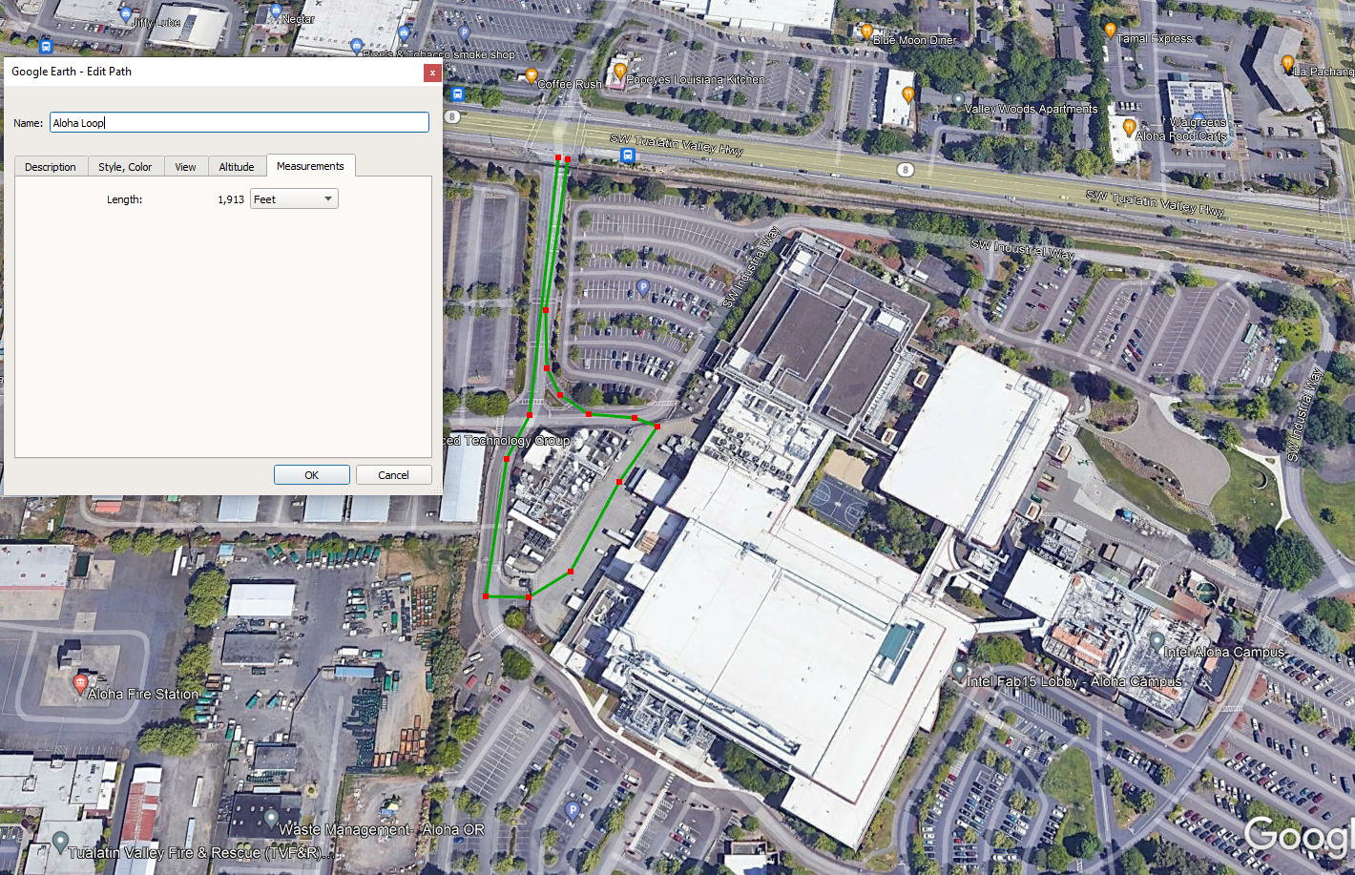
Route | Process | Trips per day | Tons per Quarter | Maximum Weight of Loaded Vehicle (tons/trip) | Total Weight driven per day (ton/day) | Maximum one-way distance (feet/trip) | Maximum one-way distance (mi/trip) | Maximum one-way miles (miles/day) | Maximum one-way miles (miles/yr) | Weighted VMT (tons*miles/yr)
Aloha | Waste Profile #AL-1 (entering) | 2 | 4500 | 25 | 50 | 956.5 | 0.2 | 0.4 | 132.2 | 3,306
Aloha | Waste Profile #AL-1 (leaving) | 2 | 5300 | 45 | 90 | 956.5 | 0.2 | 0.4 | 132.2 | 5,951
Aloha | Waste Profile #AL-2 (entering) | 2 | 4500 | 25 | 50 | 956.5 | 0.2 | 0.4 | 132.2 | 3,306
Aloha | Waste Profile #AL-2 (leaving) | 2 | 5100 | 45 | 90 | 956.5 | 0.2 | 0.4 | 132.2 | 5,951
Aloha | Waste Profile #AL-3 (entering) | 2 | 4500 | 25 | 50 | 956.5 | 0.2 | 0.4 | 132.2 | 3,306
Aloha | Waste Profile #AL-3 (leaving) | 2 | 6500 | 45 | 90 | 956.5 | 0.2 | 0.4 | 132.2 | 5,951
Aloha | Polyimide (entering) | 2 | 4500 | 25 | 50 | 956.5 | 0.2 | 0.4 | 132.2 | 3,306
Aloha | Polyimide (leaving) | 2 | 4900 | 45 | 90 | 956.5 | 0.2 | 0.4 | 132.2 | 5,951
Aloha | Process Bulk Chemical Deliveries (entering) | 6 | 13500 | 25 | 150 | 956.5 | 0.2 | 1.1 | 396.7 | 9,918
Aloha | Process Bulk Chemical Deliveries (leaving) | 6 | 37800 | 45 | 270 | 956.5 | 0.2 | 1.1 | 396.7 | 17,853
Aloha | Other Semi Trucks [Wafers, Tools, Specialty Chems, etc.] (entering) | 6 | 13500 | 25 | 150 | 956.5 | 0.2 | 1.1 | 396.7 | 9,918
Aloha | Other Semi Trucks [Wafers, Tools, Specialty Chems, etc.] (leaving) | 6 | 37800 | 45 | 270 | 956.5 | 0.2 | 1.1 | 396.7 | 17,853
 | TOTAL | 40 |  |  | 1400 |  |  | 7.25 | 2644.87

 | Weighted Average Vehicle Weight = | 35.00 | ton |  |  |  | Aloha Route | 1,913 | feet
 | Average Miles Per Trip = | 0.18 | miles/trip |  |  |  | One-way = Route/2

 | Unmitigated Emission Factor, Ef = | [k * (sL)^0.91 * (W)^1.02] (Equation 1 from AP-42 13.2.1)

 |  | PM | PM10 | PM2.5
 | where k = | 0.011 | 0.0022 | 0.00054 | lb/VMT = particle size multiplier (AP-42 Table 13.2.1-1)
 | W = | 35.00 | 35.00 | 35.00 | tons = weighted average vehicle weight
 | sL = | 0.6 | 0.6 | 0.6 | g/m^2

 | Taking natural mitigation due to precipitation into consideration, Mitigated Emission Factor, Eext = E * [1 - (p/4N)] (Equation 2 from AP-42 13.2.1)
 | Mitigated Emission Factor, Eext = | Ef * [1 - (p/4N)]
 | where p = | 180 | days of rain greater than or equal to 0.01 inches (see Fig. 13.2.1-2)
 | N = | 365 | days per year

 |  | PM | PM10 | PM2.5
 | Unmitigated Emission Factor, Ef = | 0.260 | 0.052 | 0.013 | lb/mile
 | Mitigated Emission Factor, Eext = | 0.228 | 0.046 | 0.011 | lb/mile
 | Dust Control Efficiency = | 90% | 90% | 90%

 |  | Uncontrolled |  |  | Controlled
Road Segment | Process | PM Annual Emissions (tpy) | PM10 Annual Emissions (tpy) | PM2.5 Annual Emissions (tpy) | PM Annual Emissions (tpy) | PM10 Annual Emissions (tpy) | PM2.5 Annual Emissions (tpy) |  | LINK | POINT_X | POINT_Y | POINT_X | POINT_Y | POINT_Z | Len (m) | Fraction | PM10 Annual Emissions (tpy) | PM2.5 Annual Emissions (tpy) |  | Mitigated PTE of PM10 (after control) (lb/hr) | Mitigated PTE of PM2.5 (after control) (lb/hr)
Aloha | Waste Profile #AL-1 (entering) | 1.51E-02 | 3.01E-03 | 7.39E-04 | 1.51E-03 | 3.01E-04 | 7.39E-05
Aloha | Waste Profile #AL-1 (leaving) | 1.51E-02 | 3.01E-03 | 7.39E-04 | 1.51E-03 | 3.01E-04 | 7.39E-05 |  | PRALEE | 508842.1876 | 5038014.7252 | 508839.1353 | 5037868.9877 | 0 | 1.46E+02 | 4.83E-01 | 2.91E-03 | 7.14E-04 | Aloha | 6.64E-04 | 1.63E-04
Aloha | Waste Profile #AL-2 (entering) | 1.51E-02 | 3.01E-03 | 7.39E-04 | 1.51E-03 | 3.01E-04 | 7.39E-05 |  | PRALLA | 508825.7626 | 5037868.1772 | 508902.3515 | 5037870.2034 | 0 | 7.66E+01 | 1.27E-01 | 7.64E-04 | 1.88E-04 | Aloha | 1.74E-04 | 4.28E-05
Aloha | Waste Profile #AL-2 (leaving) | 1.51E-02 | 3.01E-03 | 7.39E-04 | 1.51E-03 | 3.01E-04 | 7.39E-05 |  | PRALLB | 508902.3515 | 5037870.2034 | 508845.2138 | 5037774.1633 | 0 | 1.12E+02 | 1.85E-01 | 1.11E-03 | 2.74E-04 | Aloha | 2.54E-04 | 6.25E-05
Aloha | Waste Profile #AL-3 (entering) | 1.51E-02 | 3.01E-03 | 7.39E-04 | 1.51E-03 | 3.01E-04 | 7.39E-05 |  | PRALLC | 508845.2138 | 5037774.1633 | 508821.305 | 5037768.8952 | 0 | 2.45E+01 | 4.05E-02 | 2.44E-04 | 5.99E-05 | Aloha | 5.57E-05 | 1.37E-05
Aloha | Waste Profile #AL-3 (leaving) | 1.51E-02 | 3.01E-03 | 7.39E-04 | 1.51E-03 | 3.01E-04 | 7.39E-05 |  | PRALLD | 508821.305 | 5037768.8952 | 508825.7626 | 5037868.1772 | 0 | 9.94E+01 | 1.65E-01 | 9.91E-04 | 2.43E-04 | Aloha | 2.26E-04 | 5.55E-05
Aloha | Polyimide (entering) | 1.51E-02 | 3.01E-03 | 7.39E-04 | 1.51E-03 | 3.01E-04 | 7.39E-05 |  |  |  |  |  |  | TOTAL | 603.77 | 1 | 6.02E-03 | 1.48E-03
...

