Start Here
Introduction to the Quarterly Reports Workbook:
*There are 3-EXAMPLE tabs in orange at the bottom of the workbook. Each one shows how the formulas work and what kind of information we are looking for (in brief form.)
*There are 3-Green tabs at the bottom of the workbook. These worksheets are to be completed and submitted this quarterly to your assigned grant manager.
File Name format: Grant Number-Name-Period ending - Eg: 9001-CityofAloha-03.31.22
1. The Detailed Expenditure Report: this worksheet will capture quarterly expenditures and obligations and calculate cumulatively for the duration of the grant. Please use the categories in this report template. If you have questions about where to include certain categories of expenditures, please contact your assigned grant manager to gain clarity. Comment fields have been provided to further describe expenditures as needed.
2. The Subagreement Expenditures: this worksheet provides space to report on up to 25 subrecipients or subcontractors for your project. The detail on this worksheet will be summarized automatically on the Detail Expenditure Report worksheet. If you need more spaces to report, please contact your assigned grant manager.
3. The Project Status Update: this worksheet will capture project specific information needed for DAS' reporting. If you have mulitple projects within your grant, this is where you'll provide more information about how each of those projects is progressing. Please see the EXAMPLE worksheet for details and if you have questions, please contact us.

Detailed Expenditure Report and Subagreement Expenditures Instructions: In this section, each area of the Detailed Expenditure Report and Subagreement Expenditures worksheets will be discussed in detail.
Only cells that require data entry are unlocked. These cells are shaded in GREEN.
1. Recipient Name, Grant Number, UEI, Entity Type, Address Information, Registration Status in Sam.Gov, Total Grant Award and Cumulative Program Income Earned: Please enter your information into thes cells so that linked cells will autofill properly.
2. Report due dates and periods are listed at the top of the report worksheet for your convenience. Complete the expenditures for the column which applies to the quarter for which you are submitting your report.
3. Cost categories are provided; please use these categories. If you are unsure where a specific expenditure should be reported, please contact your assigned grant manager.
4. Subrecipients/Subcontractors: Use the Subagreement Expenditures worksheet to complete the expenditure reporting for each subagreement. Please list the Name and Total Obligation for each Subrecipient/Subcontractor. In order to calculate indirect properly for each subagreement, we have provided one row for expenditures up to $25,000 per contract and another row for expenditures that exceed $25,000 per contact. The EXAMPLE worksheet shows what this looks like. Once you complete the Subagreement Expenditures worksheet, you will not need to re-enter data on the Detailed Expenditure Report worksheet, all data will automatically populate from the "subagreement expenditure" tab to the "detailed expenditure report" tab.
5. Indirect Costs: If you are charging an indirect cost rate, you will need to enter either your federally negotiated indirect rate or the federally allowed de minimis rate of 10% in cell B24. The formula in the Indirect row is set to calculate your percentage on the allowable direct costs. If you use an alternate method to calculate adminsitrative costs, please contact your grant manager. Note: If you are not charging an indirect cost rate, the percentage in cell B24 should be 0%.
6. Total Quarterly Expenditures: this row calculates the total expenditures for each quarter, including indirect costs. If the total expenditures exceed the grant award, cell N20 will turn yellow with red font showing the grant is overspent. Please double-check expenditures for any errors and correct prior to submitting.
7. Remaining Grant Balance: This will calculate the remaining grant award based on your quarterly expenditures. If the remaining grant balance falls below zero, cell M22 will turn yellow with red font indicating the grant is overspent. Double-check expenditures for any errors and correct prior to submitting.
8. Quarterly Obligation: Any obligations you make during that quarter needs to be reported. Obligations can be subcontracts for subrecipients or subcontractors or purchase orders for your project that will continue until the grant is completed. We understand that obligations are fluid and change frequently, so we expect there to be fluctuations in obligations as the project moves ahead. Please also note, that these are not cumulative so each quarter will have new obligations, including reductions in obligations due to cancelled contracts, staff turnover, or other scenarios. As needed, use the Comments section to describe obligations. If the obligations exceed the award amount, cell M26 will turn yellow with red font indicating the grant has been overcommitted. Double-check obligations for any errors and correct prior to submitting.
Direct Costs: The federal Uniform Grant Guidance provides good definition for allowable direct costs for federal grants. Please refer to § 200.413 Direct Costs.
Indirect Costs: The federal Uniform Grant Guidance also provides good definition for indirect costs. Please refer to § 200.414 Indirect (F&A) costs.
Note: Administrative costs should not be included in the direct cost categories in the rows above Indirect. Direct costs are those that are specifically dedicated to the grant activities and administrative costs are those that are not easily dedicated to one specific activity. (E.g. finance, support services.) In this worksheet, all rows except row 24 are direct costs. Indirect should cover the majority of administrative overhead and those general administrative costs should not be accounted for in direct cost categories. Note: Indirect costs cannot be charged on Capital Expenditures, therefor, the indirect calculation does not include Row 19 (Equipment and other Capital Costs).
Project Status Update Instructions: In this section, we will go over in detail each column of data to be reported.
1. Projects: This column numbers the sub-projects you are managing under your grant. E.g. If you are doing a building purchase, renovation, and expanding services, each of those would be a separate project. If you have more than four projects, please feel free to add rows to capture your projects as needed.
2. Name of Project: this is your project name and will only be used to track progress on this part of your grant.
3. Project Location: Indicate the primary location of your project. If you have multiple areas for the same project, please list the location where the highest percentage of work is being done.
4. Status: Please use the drop-down menu to provide status. These are US Departement of Treasury statuses that DAS will report on.
5. Progress: Please describe the progress made on this project during this reporting period. Include any activities or outcomes listed in your Performance Plan that have been achieved.
6. Barriers/Risks: Please identify any delays, barriers, or risks to completing this project that arose during this quarter.
7. Mitigation: Describe the steps being taken to mitigate the delays, barriers, or risks previously identified.
8. Outreach/Engagement: This is optional, but DAS would like to know about your project successes! Please share with us positive news stories and community outreach and engagement efforts so DAS can share your successes.

EXAMPLE Detailed Exp Rpt
Recipient Name: |  | Grant Number: | Unique Entity ID (UEI) | Entity Type | Address Line 1 | Address Line 2 | City | State | Zip | Registered in Sam.gov | Federal Funds 80% or more | Federal Funds $25-mil or more | Paid Officers compensation | Executive/Officer | Total Compensation | Executive/Officer | Total Compensation | Executive/Officer | Total Compensation | Executive/Officer | Total Compensation | Executive/Officer | Total Compensation
SAMPLE RECIPIENT |  |  |  |  |  |  |  |  |  |  |  |  |  |  |  |  |  |  |  |  |  |  |  | arpa
 |  |  |  |  |  |  |  |  |  |  | Required if you answered NO to registered in Sam.gov |  |  | List the officers above
Total Grant Award: |  | $1,500,000.00
Cumulative Program Income Earned |  | $-
Total Grant Award: |  | $1,500,000.00 |  |  |  |  |  |  |  |  |  |  |  |  |  |  |  |  |  |  |  |  |  | ARPA
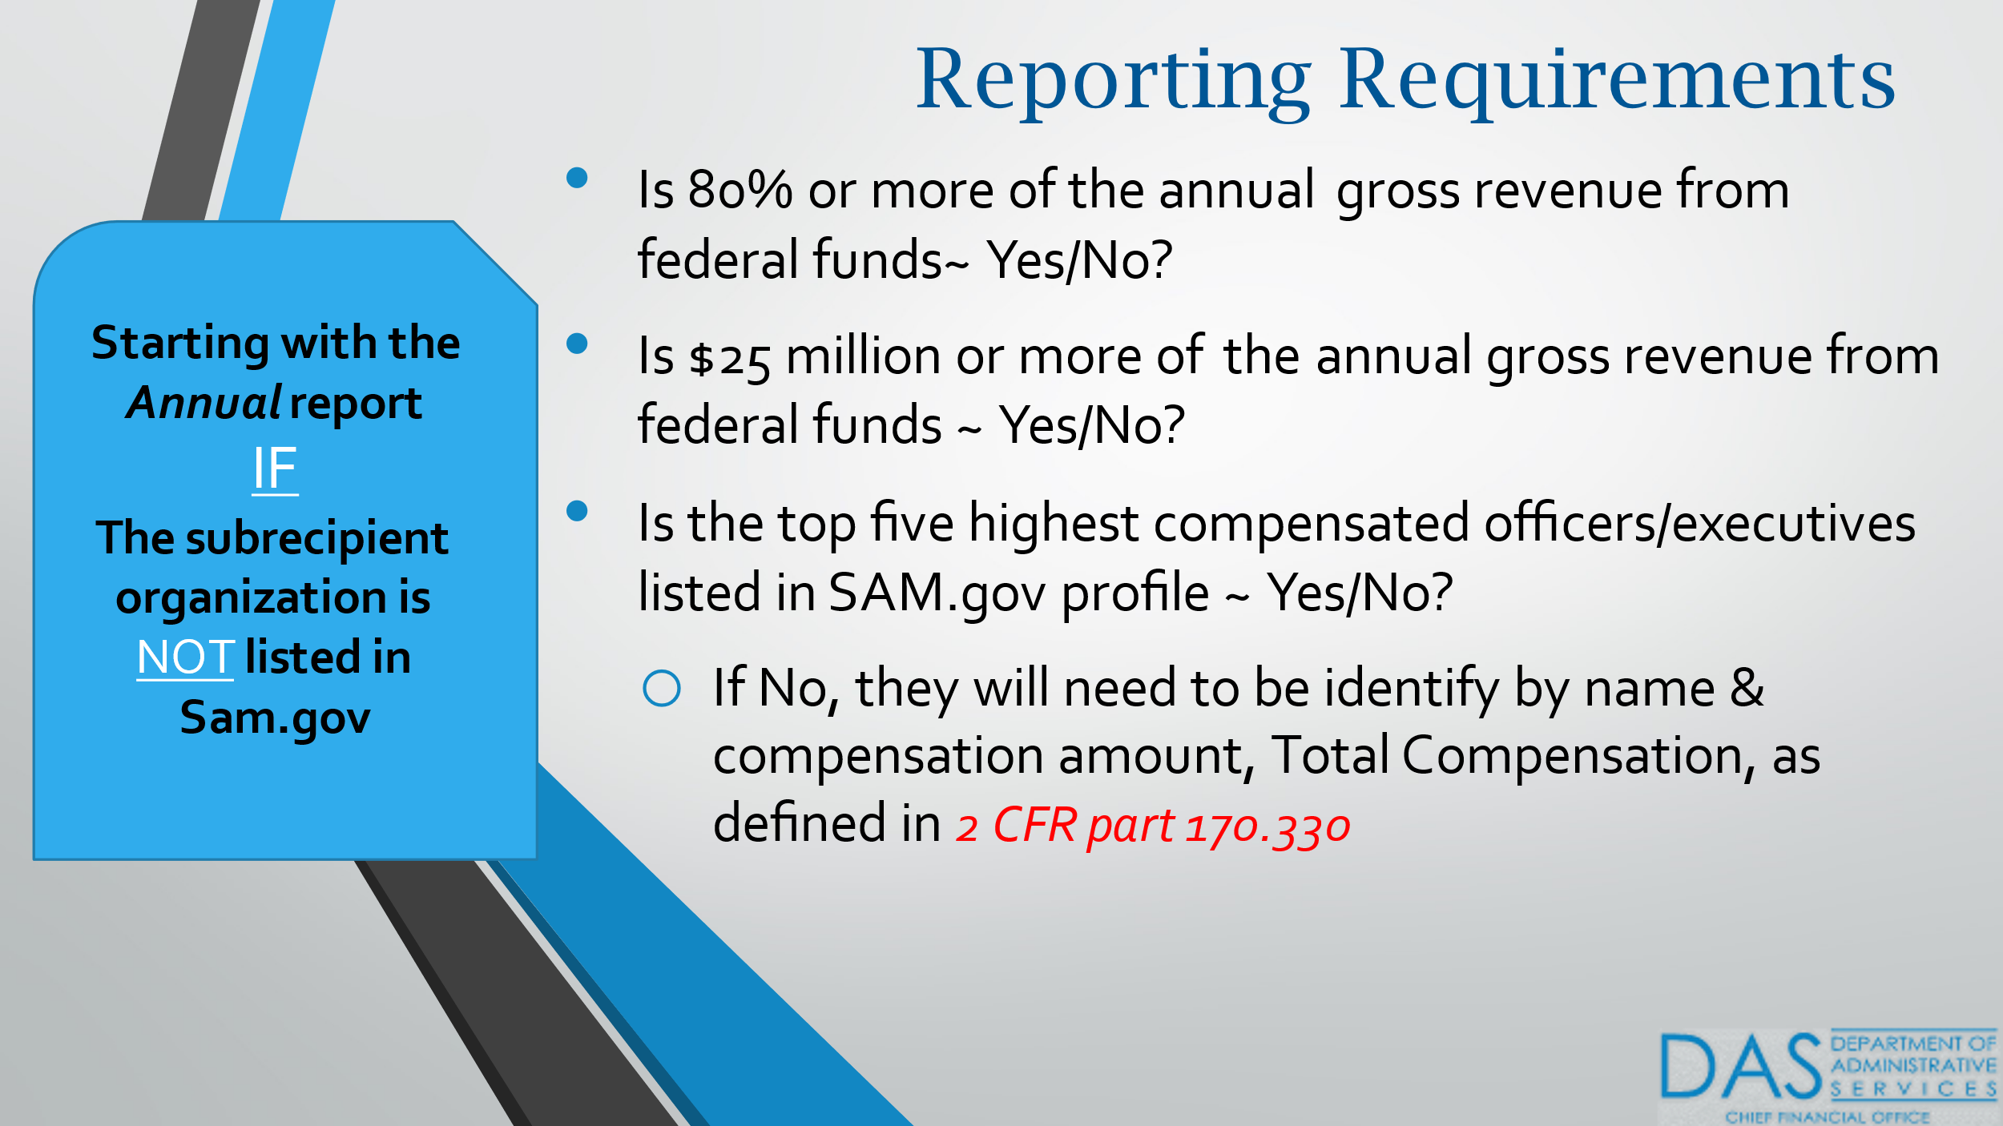
Report Due Dates: |  | 2022-01-15 | 2022-04-15 | 2022-07-15 | 2022-10-15 | 2023-01-15 | 2023-04-15 | 2023-07-15 | 2023-10-15 | 2024-01-15 | 2024-04-15 | 2024-07-15
Report Period: |  | 3/1/21-12/31/21 | 1/1/22-3/31/22 | 4/1/22-6/30/22 | 7/1/22-9/30/22 | 10/1/22-12/31/22 | 1/1/23-3/31/23 | 4/1/23-6/30/23 | 7/1/23-9/30/23 | 10/1/23-12/31/23 | 1/1/24-3/31/24 | 4/1/24-6/30/24

 |  | Q4, 2021 | Q1, 2022 | Q2, 2022 | Q3, 2022 | Q4, 2022 | Q1, 2023 | Q2 2023 | Q3 2023 | Q4, 2023 | Q1, 2024 | Q2, 2024 | Total Expenditures
Salaries, Wages and Related Costs |  | $32,415.00 | $31,564.00 | $32,456.00 | $31,432.00 | $31,832.00 | $32,148.00 | $31,987.00 | $32,091.00 | $32,048.00 | $31,892.00 | $30,876.00 | $350,741.00
Materials and Supplies |  | $567.00 | $245.00 | $378.00 | $223.00 | $348.00 | $357.00 | $198.00 | $227.00 | $327.00 | $157.00 | $98.81 | $3,125.81
Travel |  | $1,254.00 | $- | $- | $- | $1,268.00 | $- | $- | $- | $1,293.00 | $- | $1.00 | $3,816.00
Other |  | $2,500.00 | $300.00 | $300.00 | $300.00 | $300.00 | $300.00 | $300.00 | $300.00 | $300.00 | $300.00 | $300.00 | $5,500.00
Equipment and other Capital Costs |  | $275,000.00 | $275,000.00 | $110,000.00 | $- | $- | $- | $- | $- | $- | $- | $- | $660,000.00
Subrecipients/Subcontractors |  | This section summarizes detail from the Subagreements tab. To complete subrecipient/subcontractor detail, please use Subagreements tab.
Subtotal subject to indirect |  | $65,000.00 | $20,000.00 | $2,500.00 | $2,500.00 | $2,500.00 | $2,000.00 | $2,000.00 | $1,500.00 | $1,500.00 | $500.00 | $- | $100,000.00
Subtotal not subject to indirect |  | $5,000.00 | $45,500.00 | $38,500.00 | $33,000.00 | $43,000.00 | $38,000.00 | $33,000.00 | $28,000.00 | $27,000.00 | $22,250.00 | $17,250.00 | $330,500.00
Subcontractor/Subrecipient Total |  | $70,000.00 | $65,500.00 | $41,000.00 | $35,500.00 | $45,500.00 | $40,000.00 | $35,000.00 | $29,500.00 | $28,500.00 | $22,750.00 | $17,250.00 | $430,500.00
Indirect Costs | 10% | $10,173.60 | $5,210.90 | $3,563.40 | $3,445.50 | $3,624.80 | $3,480.50 | $3,448.50 | $3,411.80 | $3,546.80 | $3,284.90 | $3,127.58 | $46,318.28
Total Quarterly Expenditures |  | $391,909.60 | $377,819.90 | $187,697.40 | $70,900.50 | $82,872.80 | $76,285.50 | $70,933.50 | $65,529.80 | $66,014.80 | $58,383.90 | $51,653.40 | $1,500,001.10

Remaining Grant Balance |  | $1,108,090.40 | $730,270.50 | $542,573.10 | $471,672.60 | $388,799.80 | $312,514.30 | $241,580.80 | $176,051.00 | $110,036.20 | $51,652.30 | $(1.10)

Total Award Amount |  | $1,500,000.00
Quarterly Obligation |  | $500,000.00 | $300,000.00 | $225,000.00 | $175,000.00 | $125,000.00 | $65,000.00 | $25,000.00 | $25,000.00 | $20,000.00 | $20,000.00 | $20,001.00
Remaining Obligation |  | $1,000,000.00 | $700,000.00 | $475,000.00 | $300,000.00 | $175,000.00 | $110,000.00 | $85,000.00 | $60,000.00 | $40,000.00 | $20,000.00 | $(1.00)

Comments about expenditure report |  |  |  |  |  |  |  |  |  |  |  | Quarter
Capital expenditure paid by installments as required by vendor purchase agreement. Other: security system and monitoring for job site. |  |  |  |  |  |  |  |  |  |  |  | Q1, 2022
Capital expenditure paid by installments as required by vendor purchase agreement. |  |  |  |  |  |  |  |  |  |  |  | Q2, 2022
Capital expenditure paid by installments as required by vendor purchase agreement. |  |  |  |  |  |  |  |  |  |  |  | Q3, 2022
Capital expenditure PIF and Smith Engineering contract ended. |  |  |  |  |  |  |  |  |  |  |  | Q4, 2022
none to report |  |  |  |  |  |  |  |  |  |  |  | Q1, 2023
Annual professional development training (also seen in Q1, 2022) |  |  |  |  |  |  |  |  |  |  |  | Q2, 2023
none to report |  |  |  |  |  |  |  |  |  |  |  | Q3, 2023
none to report |  |  |  |  |  |  |  |  |  |  |  | Q4, 2023
Annual professional development training |  |  |  |  |  |  |  |  |  |  |  | Q1, 2024
none to report |  |  |  |  |  |  |  |  |  |  |  | Q2, 2024
Materials and supplies exceeded remaining on the grant award, but only charged remaining balance. |  |  |  |  |  |  |  |  |  |  |  | Q3, 2024

