Combustion EF Tool Instructions
AQ104B Toxics Reporting and Air Toxics Emissions Inventory
Combustion Emission Factor Search Tool
Update 3/1/2024
OVERVIEW

This Combustion Source Emission Factor Search Tool is provided for use with the AQ104B Toxics Reporting form and the Air Toxics Emissions Inventory reporting forms, specifically for Worksheets 2 and 3 (color-coded salmon orange). Use of this tool is optional, and operators should determine if the compiled EFs presented here best capture their facility operations, or if other equipment-specific or site-specific EFs are available. Operators who do elect to use this tool, should include all of the provided emission factors for the equipment and not choose selectively.

These emission factors are assembled from the resources in the Reference section below and have been approved by the Cleaner Air Oregon program as acceptable for use in a CAO emissions inventory review. In the absence of facility-specific source tests or manufacturer test data, which may demonstrate different air toxics emissions, these EFs were selected to cover a broad range of possible air toxic contaminants resulting from common fossil fuel combustion activities, and produce conservative emissions estimates. To use the tool, simply copy/paste the complete set of emission factors for the sought equipment type directly into the AQ104B Toxics or ATEI Reporting Form.

All emission factors listed in this Tool are for uncontrolled* equipment. In other words, no pollution control efficiency is included in the factor. If one or more control devices are present on an emitting unit, that should be clearly captured in the reporting ATEI form Worksheets 2 and 3 to ensure that emissions reductions are appropriately captured. Follow the instructions presented below and in the reporting form.

If the the units of measure presented in this form do not match those of the facility, or of the operating permit, it may be neceessary to convert units. This step should be performed before the information is pasted into the reporting forms.

* For Natural Gas and Diesel fired equipment, the default emission factor for Ammonia is based on emission units with Selective Noncatalytic Reduction equipment. Refer to the original chapters in AP-42 to substitute the Ammonia emission factor for units with Selective Catalytic Reduction (SCR) equipment.
Air Toxics Emissions Inventory Reporting web page
Cleaner Air Oregon website

INSTRUCTIONS

1) Enter the emission units, control devices and activity on Worksheet 2 of the AQ104B Toxics Reporting or Air Toxics Emissions Inventory reporting form, "2.Emission Units & Activities". Below in an example of a facility with two emission units, an uncontrolled natural gas boiler, and a diesel engine with a catalytic converter control.

Note: The AQ104B Toxics reporting form differs form the triennial Air Toxics Emissions Inventory form in that it requires Maximum Daily Activity [units/day] in addition to Annual Activity [units/yr]. The ATEI form only requires Annual Activity.

2) Locate the equipment in the Combustion EF Search Tool, and confirm that the equipment type and size are appropriately covered by the available emission factors (also located in the Reference table, below).

Copy the data for your combustion unit (just the data, not the headers) and paste it into the Reporting form, Worksheet 3 "3.Pollutant Emission-EF" under the correct column headings in the black bar (the form is locked to prevent entering data into the example rows in red text). Repeat this step for each emission unit listed on the reporting form, Worksheet 2.

a) Select the set of emission factors for the piece of equipment. Copy all the data but omit the headers. In this case, the boiler is 26 MMBtu/hr so the 10-100MMBtu/hr Emission Factors were chosen.
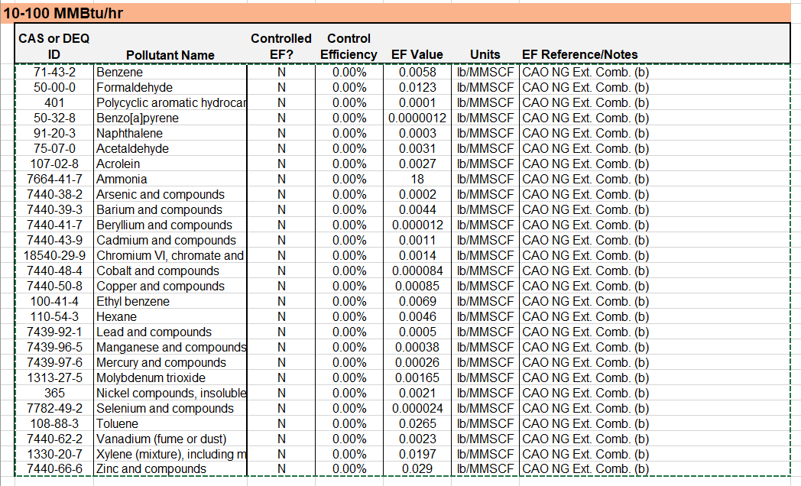

b) Paste the data onto Worksheet 3 "3. Pollutant Emission-EF" of your ATEI or AQ104B form. Paste to the first open cell in the CAS column, below the black header bar.
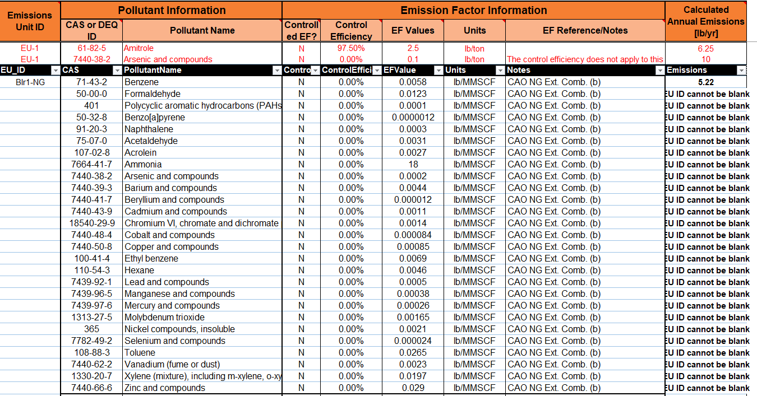

4) On your AQ104B Toxics Reporting form or ATEI form, copy the Emission Unit ID from Worksheet 2 and paste to each row for that unit on Worksheet 3. As this step is repeated, the warnings in Column I will be replaced with the emissions calculations.

5) Repeat steps 3 and 4 for each emission unit listed on Worksheet 2 (refer to Step 1 example, above).

6) In Worksheet 3 of the reporting form, update the control efficiencies for the control device and note that the resulting emission estimates update accordingly. This information may come from manufacturer specifications. In this example, the catalytic oxidizer removes some organics, but not the metals.

Emission Factor References

Fuel Type | Equipment Type | Equipment Size or Tier | Form citation | Resource
Natural Gas | External Combustion: Boiler, Oven, Dryer, Furnace, Heater, Afterburner | (a) <10 MMBtu/hr | CAO NG Ext. Comb. (a) | WebFIRE/ AP-42 Section 1.4 (metals); SCAQMD AB2588 - Default Emission Factors for Fuel Combustion, Table B-1*
 |  | (b) 10-100 MMBtu/hr | CAO NG Ext. Comb. (b)
 |  | (c) >100MMBtu/hr | CAO NG Ext. Comb. (c)
Natural Gas | Turbine |  | AP-42 3.1 | AP-42 3.1 Table 3.1-3, lb/MMBtu converted to lb/MMscf
Natural Gas | Flare, non-refinery |  | SCAQMD AB2588 B-1 | SCAQMD AB2588 - Default Emission Factors for Fuel Combustion, Table B-1
Natural Gas | Internal Combustion Engine (stationary and portable) | (a) 2 Stroke-Lean Burn | CAO NG Int. Comb. (a) | SCAQMD AB2588 - Default Emission Factors for Fuel Combustion, Table B-1; AP-42 3.2 (Tables 3.2-1 to 3.2-3), lb/MMBtu converted to lb/MMscf
 |  | (b) 4 Stroke-Lean Burn | CAO NG Int. Comb. (b)
 |  | (c) 4 Stroke-Rich Burn | CAO NG Int. Comb. (c)
Diesel | External Combustion: Boiler, Oven, Dryer, Furnace, Heater, Afterburner |  | SCAQMD AB2588 B-2 External | SCAQMD AB2588 - Default Emission Factors for Fuel Combustion*, Table B-2 External
Diesel | Turbine |  | SCAQMD AB2588 B-2 Turbine | SCAQMD AB2588 - Default Emission Factors for Fuel Combustion*, Table B-2 Turbine
Diesel | Internal Combustion Engine (stationary and portable) | (a) Tier 0 or 1 (or <750kW) | CAO Diesel RICE (a) | SCAQMD AB2588 - Default Emission Factors for Fuel Combustion*, Table B-2 Internal; DEQ Approved Data Center EF Analysis May 2022†
 |  | (b) Tier 2 or 4 (>750kW) | CAO Diesel RICE (b)
LPG, Butane, Propane | External Combustion: Boiler, Oven, Dryer, Furnace, Heater, Afterburner | (a) <10 MMBtu/hr | SCAQMD AB2588 B-3 (a) | SCAQMD AB2588 - Default Emission Factors for Fuel Combustion, Table B-3
 |  | (b) 10-100 MMBtu/hr | SCAQMD AB2588 B-3 (b)
 |  | (c) >100MMBtu/hr | SCAQMD AB2588 B-3 (c)
LPG, Butane, Propane | Turbine |  | SCAQMD AB2588 B-3 | SCAQMD AB2588 - Default Emission Factors for Fuel Combustion, Table B-3
LPG, Butane, Propane | Internal Combustion Engine (stationary and portable) | (a) 2 Stroke-Lean Burn | SCAQMD AB2588 B-3 (a) | SCAQMD AB2588 - Default Emission Factors for Fuel Combustion, Table B-3
 |  | (b) 4 Stroke-Lean Burn | SCAQMD AB2588 B-3 (b)
 |  | (c) 4 Stroke-Rich Burn | SCAQMD AB2588 B-3 (c)
Gasoline | Internal Combustion Engine (stationary and portable) | (a) Non-catalyst, stationary and portable | SCAQMD AB2588 B-4 (a) | SCAQMD AB2588 - Default Emission Factors for Fuel Combustion, Table B-4
 |  | (b) Catalyst, portable | SCAQMD AB2588 B-4 (b)
 |  | (c) Catalyst, stationary | SCAQMD AB2588 B-4 (c)
Jet Fuel | Turbine |  | SCAQMD AB2588 B-5 | SCAQMD AB2588 - Default Emission Factors for Fuel Combustion, Table B-5

* Benzo[a]pyrene is included in the diesel combustion emission sets for completeness for noncancer risk analysis under the CAO program, however it should be disregarded for calculation of cancer risk. See the CAO Step 2: Toxic Air Contaminant Emissions Inventory and Source Testing question on Diesel emergency generators for a complete explanation, https://www.oregon.gov/deq/aq/cao/Pages/faq-step2.aspx
† See CAO website for more information about the DEQ Approved Data Center Emission Factor Analysis, May 2022
...

