StorPile
Storage Pile Emissions - DEQ Calculation Method
Columbia Steel Casting Co., Inc.

ID | Description | Silt Content[1] | Maximum Pile Radius[2] | Maximum Pile Height | Exposed Surface Area | PM Emission Factor | PM10 Emission Factor | PM2.5 Emission Factor

 |  | % | ft | ft | acres | lb/hr-acre | lb/hr-acre | lb/hr-acre
FS 1 | Pile D | 5.3 | 70 | 28 | 0.38 | 8.43E-02 | 3.99E-02 | 6.04E-03
FS 2 | Pile E | 5.3 | 220 | 16 | 3.50 | 8.43E-02 | 3.99E-02 | 6.04E-03
FS 3 | Pile F | 5.3 | 60 | 37 | 0.31 | 8.43E-02 | 3.99E-02 | 6.04E-03
FS 4 | Pile M | 5.3 | 180 | 9 | 2.34 | 8.43E-02 | 3.99E-02 | 6.04E-03

 | FS 1 - Pile D |  |  | FS 2 - Pile E |  |  | FS 3 - Pile F |  |  | FS 4 - Pile M |  |  | Total Storage Pile Emissions
 | lb/hr | lb/day | ton/yr | lb/hr | lb/day | ton/yr | lb/hr | lb/day | ton/yr | lb/hr | lb/day | ton/yr | lb/hr | lb/day | ton/yr
PM | 3.21E-02 | 7.70E-01 | 1.41E-01 | 2.95E-01 | 7.08E+00 | 1.29E+00 | 2.57E-02 | 6.17E-01 | 1.13E-01 | 1.97E-01 | 4.73E+00 | 8.64E-01 | 0.55 | 13.20 | 2.41
PM10 | 1.52E-02 | 3.64E-01 | 6.65E-02 | 1.40E-01 | 3.35E+00 | 6.11E-01 | 1.22E-02 | 2.92E-01 | 5.33E-02 | 9.33E-02 | 2.24E+00 | 4.09E-01 | 0.26 | 6.25 | 1.14
PM2.5 | 2.30E-03 | 5.52E-02 | 1.01E-02 | 2.11E-02 | 5.07E-01 | 9.26E-02 | 1.84E-03 | 4.42E-02 | 8.07E-03 | 1.41E-02 | 3.39E-01 | 6.19E-02 | 0.04 | 0.95 | 0.17

Equation (5) for Total Suspended Particulate from Wind Erosion of Active Storage Piles[3]
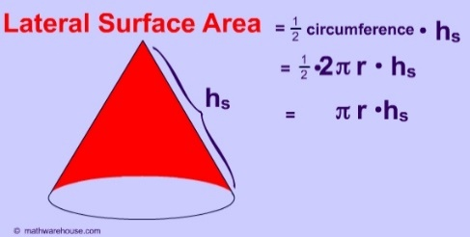

EF: | Total suspended particulate emission factor (lb/day/acre)
s: | Silt Content Material (%)[1]
p: | Number of days with greater then 0.01 in. of precipitation per year[4]
 | p = | 170
f: | % of time unobstructed wind speed exceeds 12 mph at mean pile height[5]
 | f = | 6.09
The equation calculates TSP. It is assumed that 47% of the TSP equals PM10 and 7% of PM is PM2.5.[6]

Notes:
[1] AP-42 Section 13.2.4, Aggregate Handling and Storage Piles, November 2006. Table 13.2.4-1. Typical Silt and Moisture Content Values Of Materials at Various Industries, Iron and steel production (Material - Slag).
[2] Maximum radius estimated based on an assumed conical-shaped pile.
[3] From Air Pollution Engineering Manual (1992), Chapter 4: Fugitive Emissions; also Equation 4-9 from EPA 450-3-88-008
[4] From AP-42 Figure 13.2.1-2
[5] From DEQ's Portland, Oregon Jefferson High School AQ Monitor for 6/19/2018-1/14/2021
[6] From AP-42 13.2.4 Drop Point Equation

