Instructions
Reporting is due to DOGAMI before the last day of each month succeeding the month in which the purchasing or taking occurs.

1 | Using the information calculated when preparing the monthly Mist Production report, CCF tab, update the values for each meter for the corresponding month tab.

2 | Send report to Karen Steinberg for review.

3 | When approved, email report to ReNeea Lofton at: ReNeea.LOFTON@dogami.oregon.gov

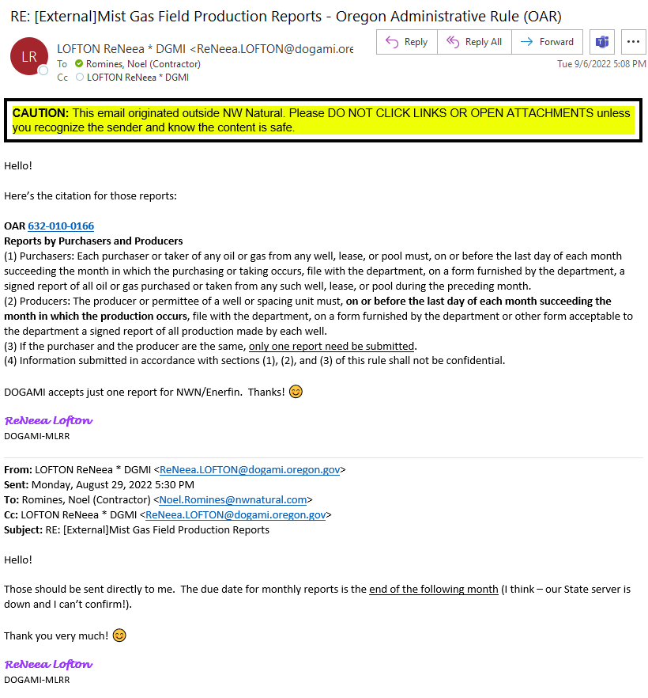

Permit List Updated 2024
