Math_TestDesign
Understanding OSAS Test Design
The design of Oregon's statewide math tests begins with the Oregon K-12 Math Standards. The primary purpose of statewide summative tests is to provide evidence to districts and schools of how their systems are functioning across focal student groups. As such, students are not assessed on every standard. Rather, students are assessed on groups of standards, called Targets. In math, these targets are the clusters from the 2021 Oregon K-12 Math Standards. Targets are further grouped together in reporting categories called Claims. The Standards for Mathematical Content form Claim 1; the Standards for Mathematical Practice form Claims 2-4. A resource called a Test Blueprint provides even more details, such as total number of items, how many items are included for each target, etc. | 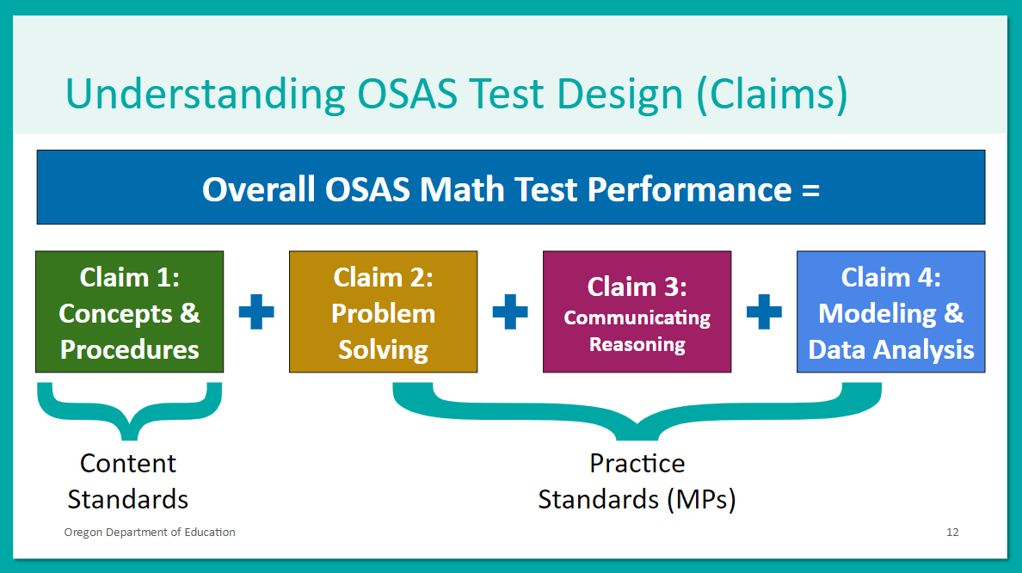
Link to OSAS Math Test Blueprints
Link to OSAS Sample and Training Tests

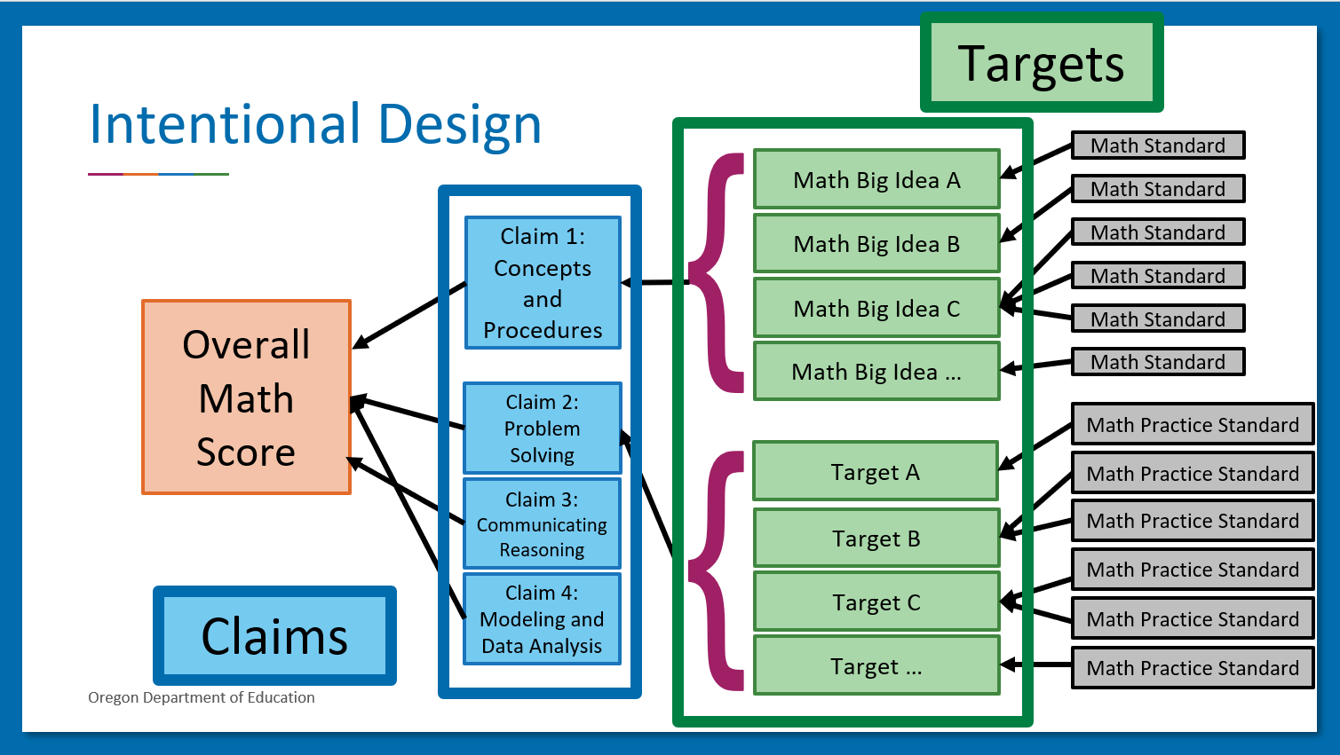
Understanding Scores and Reporting
Students receive a score report that includes their Overall score and a Claim 1 score; districts and schools can access aggregated results for each Claim and Target. Target-level results can be viewed across multiple academic years to identify strengths and opportunities for growth within academic systems. These "Cross-Sectional Reports" can be accessed within the Centralized Reporting System in the OSAS Portal and are the most useful state test data available to districts and schools.
Link to Quick Reference Guide on Cross-Sectional Reports
Link to OSAS Portal

