Summary of Expenses
. | Elementary and Secondary School Emergency Relief (ESSER) Fund Reimbursement Form
.
. |  |  |  | Submit | request in Excel format to ODE.ESSER@ode.oregon.gov
.
. |  |  |  |  | Visit our COVID-19 Stimulus page for more information
.
District ID: | (enter ID) |  |  | Contact Name: | (enter text)
District Name: | (autofill) |  |  | Contact Email: | (enter text)
.
Claim Start: | (enter date) |  | Grant Fund: | (select)
Claim End: | (enter date) |  | Request #: | (enter text)
.
Total EGMS Claim: | $- |  |  |  |  |  |  | SEE INSTRUCTIONS TAB FOR USING THE 'EXP. DETAIL CODE', 'UNFIN LEARN?', AND 'UL DETAIL CODE' COLUMNS.
. |  |  |  |  |  |  |  | *The Expenditure Detail and Unfinished Learning Detail codes are also included to the right of this table for reference.
Expend. Date | Fund | Function | Object | Amount | Function Description | Object Description | Project Tag | Exp. Detail Code | Exp. Detail Description | Unfin Learn? | UL Detail Code | UL Detail Description | Notes
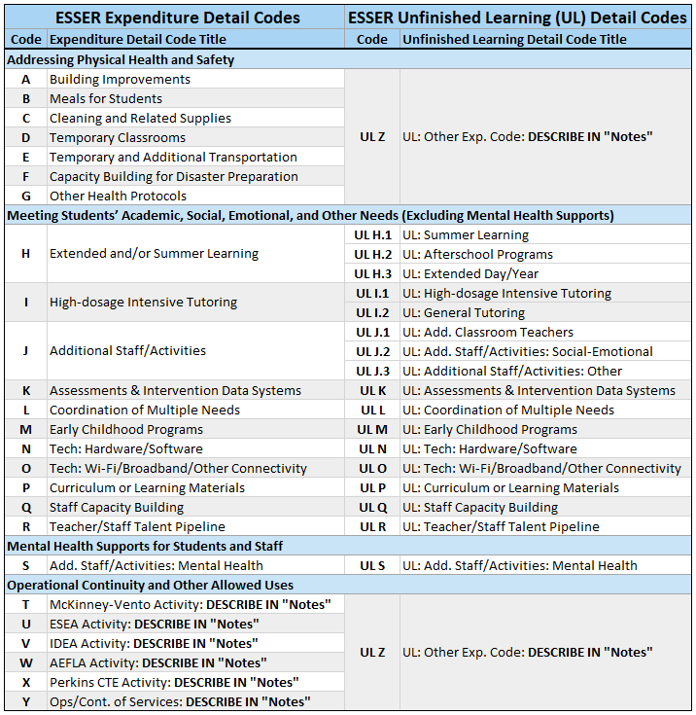
(enter date) | (enter fund) | (function) | (object) | (amount) | (autofill - do not overwrite) | (autofill - do not overwrite) | (enter code) | (select) | (autofill - do not overwrite) | (enter x) | (select) | (autofill - do not overwrite) | (enter text)

