Main Building (EXAMPLE)
. | Lead in Water Testing Reimbursement Form
. |  | .
. |  | Entity ID #: | 9999 | . | Schl ID #: | 111 |  | Required Fixtures: |  | 28
. |  | Entity Name: | Example SD |  |  |  | . | Exempt by Fix. Type: |  | 9
. |  | School Name: | Paige Turner High School |  |  |  | . | Total Fixtures: |  | 37
. |  | .
. |  | Building ID #: | 12340300 |  |  |  | . | First Sample Date: |  | 2023-04-06
. |  | Building Name: | Paige Turner High School Main Building |  |  |  |  | Last Sample Date: |  | 2023-04-27
. |  | .
. |  | Min Report Level: | 0.2 ppb |  | . | . | Total Tests & Reimbursement Requested: |  |  |  |  | 36 | $718.55
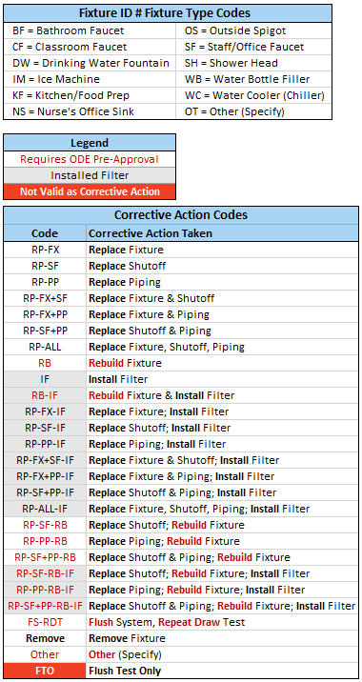
. |  | .
. | Fixture Location / Expense Description | Fixture ID # | Initial Test Date | Initial Test Result (ppb) | Number of Retests | Final Test Result (ppb) | Corrective Action Taken | Misc. Lab Expenses | Shipping Expense | Lab Cost Per Initial Test | Lab Cost Per Retest | Total # of Tests | Total Expenses | Notes
 | Nurses room sink | 12340300-001NS | 2023-04-06 | 180 | 2 | 6.3 | RP-SF |  |  | $18.00 | $20.00 | 3 | $58.00
 | 1st floor main hall fountain | 12340300-002DW | 2023-04-06 | 1.6 |  |  |  |  |  | $18.00 |  | 1 | $18.00
 | 1st floor main hall bottle fill | 12340300-003WB | 2023-04-06 | 1.8 |  |  |  |  |  | $18.00 |  | 1 | $18.00
 | 1st floor boys restroom-L | 12340300-004BF | 2023-04-06 | 22 | 2 | 0.8 | RP-SF-IF |  |  | $18.00 | $20.00 | 3 | $58.00
 | 1st floor boys restroom-C | 12340300-005BF | 2023-04-06 | 310 | 3 | 1.2 | RP-FX |  |  | $18.00 | $20.00 | 4 | $78.00
 | 1st floor boys restroom-R | 12340300-006BF | 2023-04-06 | 6.5 |  |  |  |  |  | $18.00 |  | 1 | $18.00
 | 1st floor girls restroom-L | 12340300-007BF | 2023-04-06 | 7 |  |  |  |  |  | $18.00 |  | 1 | $18.00
 | 1st floor girls restroom-C | 12340300-008BF | 2023-04-06 | 6.3 |  |  |  |  |  | $18.00 |  | 1 | $18.00
 | 1st floor girls restroom-R | 12340300-009BF | 2023-04-06 | 3 |  |  |  |  |  | $18.00 |  | 1 | $18.00
 | Room 114 NW sink | 12340300-015CF | 2023-04-06 | 11.1 |  |  |  |  |  | $18.00 |  | 1 | $18.00
 | Room 114 NE sink | 12340300-016CF | 2023-04-06 | 1100 | 4 | 1.3 | RP-FX+SF |  |  | $18.00 | $20.00 | 5 | $98.00
 | 1st floor staff room sink | 12340300-017SF | 2023-04-06 | 0.7 |  |  |  |  |  | $18.00 |  | 1 | $18.00
 | 1st floor staff restroom | 12340300-018BF | 2023-04-06 | 0.4 |  |  |  |  |  | $18.00 |  | 1 | $18.00
 | 2nd floor main hall fountain | 12340300-019DW | 2023-04-20 | 3.5 |  |  |  |  |  | $18.00 |  | 1 | $18.00
 | 2nd floor main hall bottle fill | 12340300-020WB | 2023-04-20 | 1.07 |  |  |  |  |  | $18.00 |  | 1 | $18.00
 | 2nd floor boys restroom-L | 12340300-021BF | 2023-04-20 | 7.2 |  |  |  |  |  | $18.00 |  | 1 | $18.00
 | 2nd floor boys restroom-R | 12340300-022BF | 2023-04-20 | 13.8 |  |  |  |  |  | $18.00 |  | 1 | $18.00
 | 2nd floor girls restroom-L | 12340300-023BF | 2023-04-20 | 8 |  |  |  |  |  | $18.00 |  | 1 | $18.00
 | 2nd floor girls restroom-R | 12340300-024BF | 2023-04-20 | 5.1 |  |  |  |  |  | $18.00 |  | 1 | $18.00
 | Room 224 NW sink | 12340300-028CF | 2023-04-27 | 1.3 |  |  |  |  |  | $20.00 |  | 1 | $20.00
 | Room 224 NE sink | 12340300-029CF | 2023-04-27 | 15 | 2 | 2.7 | RP-FX-IF |  |  | $20.00 | $22.00 | 3 | $64.00
 | 2nd floor staff room sink | 12340300-030SF | 2023-04-27 | ND |  |  |  |  |  | $20.00 |  | 1 | $20.00
 | 2nd floor staff restroom | 12340300-031BF | 2023-04-27 | ND |  |  |  |  |  | $20.00 |  | 1 | $20.00
 | Metal Digestion |  |  |  |  |  |  | $15.00 |  |  |  | 0 | $15.00
 | Shipping |  |  |  |  |  |  |  | $17.55 |  |  | 0 | $17.55

