18-19
2018-19 Homeless students by grade level |  |  |  | K-12 Homeless Student Counts by Year

 |  |  | 2018-19
Grade Level | Count | Homeless Students* | 22215
PK | 1822 | Total Enrollment* | 581730
KG | 1728 | % of Total Enrollment | 3.82%
1 | 1686 | *K-12 Students enrolled in Oregon School Districts only. Excludes students enrolled in ESDs, correctional programs, and other non-school district run programs.
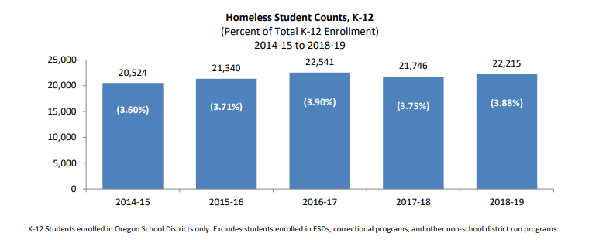
2 | 1587
3 | 1596
4 | 1704
5 | 1762
6 | 1584
7 | 1504
8 | 1435
9 | 1675
10 | 1596
11 | 1747
12 | 2611
K12 | 22,215

19-20
2019-20 Homeless students by grade level |  |  |  |  | K-12 Homeless Student Counts by Year

 |  |  | 2018-19 | 2019-20
Grade Level | Count | Homeless Students* | 22215 | 21080
PK | 1281 | Total Enrollment* | 581730 | 582661
KG | 1605 | % of Total Enrollment | 3.82% | 3.62%
1 | 1616 | *K-12 Students enrolled in Oregon School Districts only. Excludes students enrolled in ESDs, correctional programs, and other non-school district run programs.
2 | 1546
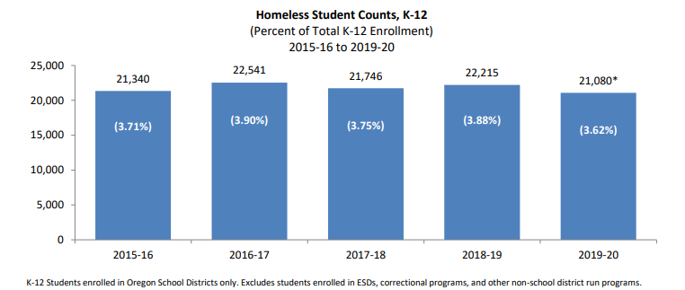
3 | 1496
4 | 1561
5 | 1534
6 | 1576
7 | 1519
8 | 1497
9 | 1513
10 | 1692
11 | 1593
12 | 2332
K12 | 21,080

20-21
2020-21 Homeless students by grade level |  |  |  |  | K-12 Homeless Student Counts by Year

 |  |  | 2018-19 | 2019-20 | 20-21
Grade Level | Count | Homeless Students* | 22215 | 21080 | 17693
PK | 127 | Total Enrollment* | 581730 | 582661 | 560917
KG | 1122 | % of Total Enrollment | 3.82% | 3.62% | 3.15%
1 | 1302 | *K-12 Students enrolled in Oregon School Districts only. Excludes students enrolled in ESDs, correctional programs, and other non-school district run programs.
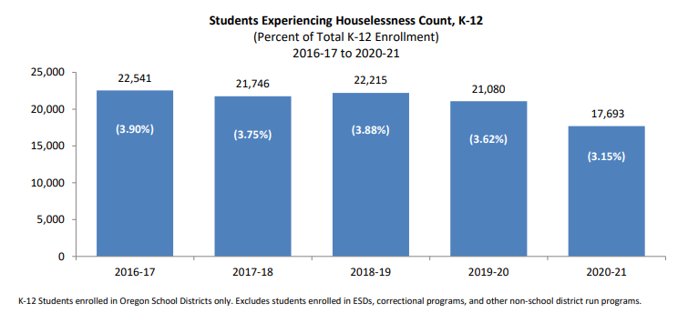
2 | 1420
3 | 1330
4 | 1298
5 | 1329
6 | 1259
7 | 1308
8 | 1269
9 | 1324
10 | 1338
11 | 1455
12 | 1939
K12 | 17,693

21-22
2021-22 Homeless students by grade level |  |  |  |  | K-12 Homeless Student Counts by Year

 |  |  | 2018-19 | 2019-20 | 20-21 | 21-22
Grade Level | Count | Homeless Students* | 22215 | 21080 | 17693 | 18358
PK | 349 | Total Enrollment* | 581730 | 582661 | 560917 | 553012
KG | 1257 | % of Total Enrollment | 3.82% | 3.62% | 3.15% | 3.32%
1 | 1250 | *K-12 Students enrolled in Oregon School Districts only. Excludes students enrolled in ESDs, correctional programs, and other non-school district run programs.
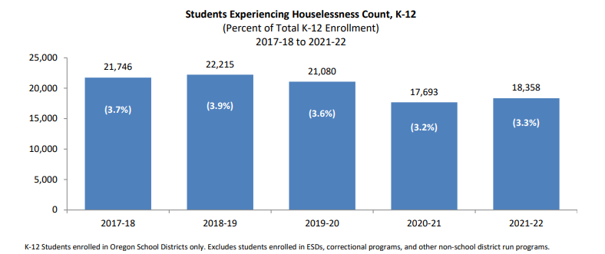
2 | 1381
3 | 1366
4 | 1398
5 | 1353
6 | 1179
7 | 1231
8 | 1342
9 | 1461
10 | 1453
11 | 1559
12 | 2128
K12 | 18,358

