18-19
2018-19 Homeless students by grade level |  |  |  | K-12 Homeless Student Counts by Year

 |  |  | 2018-19
Grade Level | Count | Homeless Students* | 22215
PK | 1822 | Total Enrollment* | 581730
KG | 1728 | % of Total Enrollment | 3.82%
1 | 1686 | *K-12 Students enrolled in Oregon School Districts only. Excludes students enrolled in ESDs, correctional programs, and other non-school district run programs.
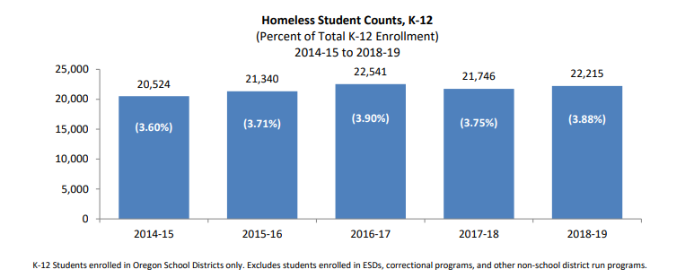
2 | 1587
3 | 1596
4 | 1704
5 | 1762
6 | 1584
7 | 1504
8 | 1435
9 | 1675
10 | 1596
11 | 1747
12 | 2611
K12 | 22,215

19-20
2019-20 Homeless students by grade level |  |  |  |  | K-12 Homeless Student Counts by Year

 |  |  | 2018-19 | 2019-20
Grade Level | Count | Homeless Students* | 22215 | 21080
PK | 1281 | Total Enrollment* | 581730 | 582661
KG | 1605 | % of Total Enrollment | 3.82% | 3.62%
1 | 1616 | *K-12 Students enrolled in Oregon School Districts only. Excludes students enrolled in ESDs, correctional programs, and other non-school district run programs.
2 | 1546
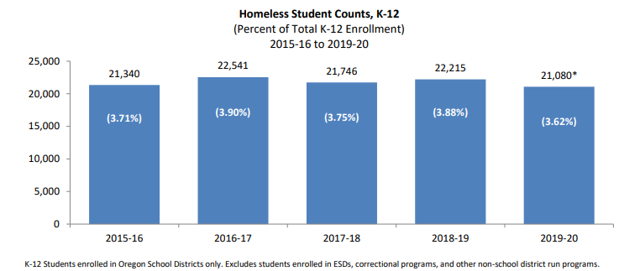
3 | 1496
4 | 1561
5 | 1534
6 | 1576
7 | 1519
8 | 1497
9 | 1513
10 | 1692
11 | 1593
12 | 2332
K12 | 21,080

20-21
2020-21 Homeless students by grade level |  |  |  |  | K-12 Homeless Student Counts by Year

 |  |  | 2018-19 | 2019-20 | 20-21
Grade Level | Count | Homeless Students* | 22215 | 21080 | 17693
PK | 127 | Total Enrollment* | 581730 | 582661 | 560917
KG | 1122 | % of Total Enrollment | 3.82% | 3.62% | 3.15%
1 | 1302 | *K-12 Students enrolled in Oregon School Districts only. Excludes students enrolled in ESDs, correctional programs, and other non-school district run programs.
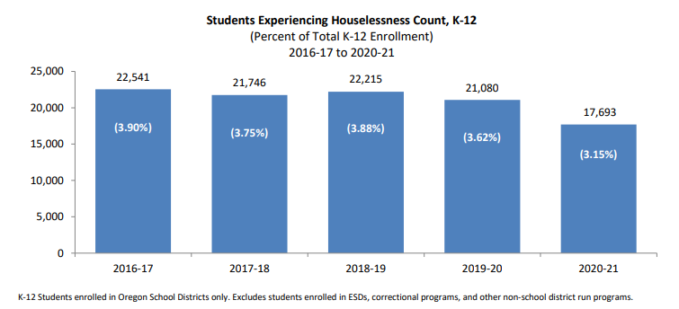
2 | 1420
3 | 1330
4 | 1298
5 | 1329
6 | 1259
7 | 1308
8 | 1269
9 | 1324
10 | 1338
11 | 1455
12 | 1939
K12 | 17,693

21-22
2021-22 Homeless students by grade level |  |  |  |  | K-12 Homeless Student Counts by Year

 |  |  | 2018-19 | 2019-20 | 20-21 | 21-22
Grade Level | Count | Homeless Students* | 22215 | 21080 | 17693 | 18358
PK | 349 | Total Enrollment* | 581730 | 582661 | 560917 | 553012
KG | 1257 | % of Total Enrollment | 3.82% | 3.62% | 3.15% | 3.32%
1 | 1250 | *K-12 Students enrolled in Oregon School Districts only. Excludes students enrolled in ESDs, correctional programs, and other non-school district run programs.
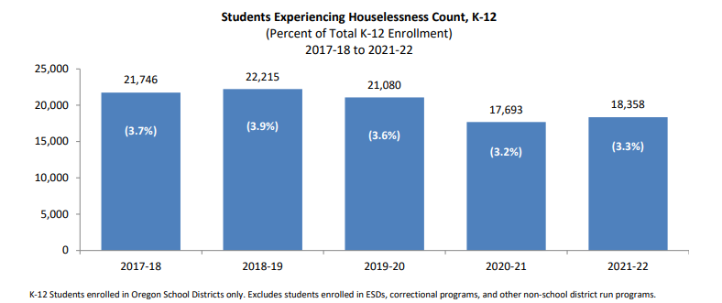
2 | 1381
3 | 1366
4 | 1398
5 | 1353
6 | 1179
7 | 1231
8 | 1342
9 | 1461
10 | 1453
11 | 1559
12 | 2128
K12 | 18,358

22-23
22-23 Homeless students by grade level |  |  | K-12 Homeless Student Counts by Year

 | Grade Level | Count |  | 2007-08 | 2008-09 | 2009-10 | 2010-11 | 2011-12 | 2012-13 | 2013-14 | 2014-15 | 2015-16 | 2016-17 | 2017-18 | 2018-19 | 2019-20 | 2020-21 | 2021-22 | 2022-23
 |  | 2022-23 | Homeless Students* | 15,859 | 18,051 | 19,040 | 20,545 | 20,370 | 18,165 | 18,902 | 20,524 | 21,340 | 22,541 | 21,746 | 22,215 | 21,080 | 17,693 | 18,358 | 21,478
 | PK | 1,425 | Total Enrollment* | 559,708 | 558,522 | 556,171 | 558,558 | 558,056 | 563,714 | 564,241 | 570,857 | 575,787 | 578,381 | 580,170 | 581,730 | 582,661 | 560,917 | 553,013 | 552,380
 | KG | 1,584 | % of Total Enrollment | 2.83% | 3.23% | 3.42% | 3.68% | 3.65% | 3.22% | 3.35% | 3.60% | 3.71% | 3.90% | 3.75% | 3.88% | 3.62% | 3.15% | 3.32% | 3.89%
 | 1 | 1,628 | *K-12 Students enrolled in Oregon School Districts only. Excludes students enrolled in ESDs, correctional programs, and other non-school district run programs.
 | 2 | 1,588
 | 3 | 1,654
 | 4 | 1,655
 | 5 | 1,554
 | 6 | 1,499
 | 7 | 1,465
 | 8 | 1,442
 | 9 | 1,718
 | 10 | 1,734
 | 11 | 1,701
 | 12 | 2,256
 | K12 | 21,478

23-24
23-24 Homeless students by grade level |  |  | K-12 Homeless Student Counts by Year

 | Grade Level | Count |  | 2007-08 | 2008-09 | 2009-10 | 2010-11 | 2011-12 | 2012-13 | 2013-14 | 2014-15 | 2015-16 | 2016-17 | 2017-18 | 2018-19 | 2019-20 | 2020-21 | 2021-22 | 2022-23 | 2023-24
 |  | 2023-24 | Homeless Students* | 15,859 | 18,051 | 19,040 | 20,545 | 20,370 | 18,165 | 18,902 | 20,524 | 21,340 | 22,541 | 21,746 | 22,215 | 21,080 | 17,693 | 18,358 | 21,478 | 21,988
 | PK | 1,314 | Total Enrollment* | 559,708 | 558,522 | 556,171 | 558,558 | 558,056 | 563,714 | 564,241 | 570,857 | 575,787 | 578,381 | 580,170 | 581,730 | 582,661 | 560,917 | 553,013 | 552,380 | 539,689
 | KG | 1,588 | % of Total Enrollment | 2.83% | 3.23% | 3.42% | 3.68% | 3.65% | 3.22% | 3.35% | 3.60% | 3.71% | 3.90% | 3.75% | 3.88% | 3.62% | 3.15% | 3.32% | 3.89% | 4.07%
 | 1 | 1,682 | *K-12 Students enrolled in Oregon School Districts only. Excludes students enrolled in ESDs, correctional programs, and other non-school district run programs.
 | 2 | 1,718
 | 3 | 1,670
 | 4 | 1,753
 | 5 | 1,695
 | 6 | 1,572
 | 7 | 1,548
 | 8 | 1,498
 | 9 | 1,648
 | 10 | 1,769
 | 11 | 1,742
 | 12 | 2,105
 | K12 | 21,988

