HOW TO USE THIS DOCUMENT
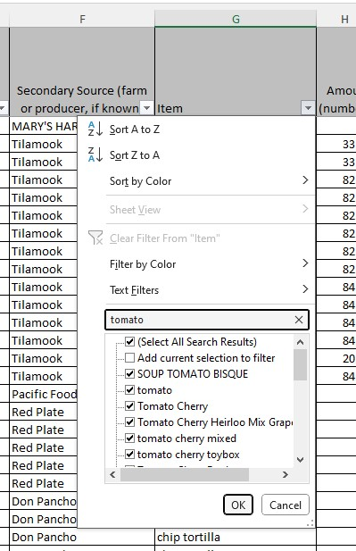
This file shows the types of purchases other school districts and meal sites have been reimbursed for with Farm to CNP funds. You can sort the information by county, school district/organization name, product, vendor, and more. Costs have been removed because they contain proprietary information. | Please note that since this data was collected,
 | there have been changes to what items are allowable and unallowable under this grant.
How to filter and search the Combined Claims Tab | Items in red font are no longer allowable and are not eligible for reimbursement.
Open the Combined Claims Tab (green tab below). The document's default setting is sorted alphabetically by food item name. | This includes pizza and tortilla products.
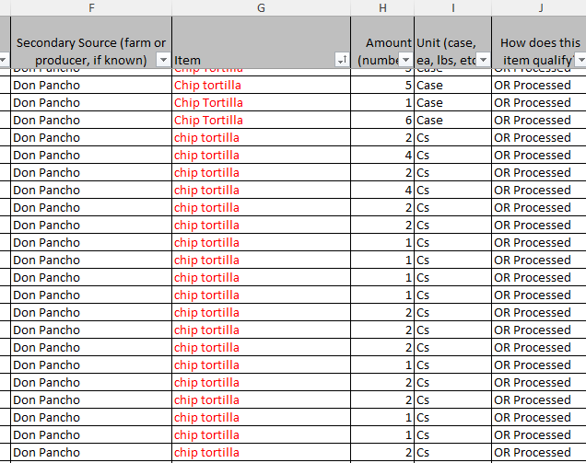
Filter a column
Click the drop-down arrow in the heading of the column you want to search. This will bring up the sort and filter menu.
You can either enter a query in the "search" bar (ie "tomato"), or unselect all and check only the termss you want to list.
Search for a term
You can search for a particular item, county, etc. by holding down ctrl+F on a PC, or command+F on a Mac, to bring up the Find and Replace feature. Enter your search term in the Find what field (for example, "tomato", or "Jackson") and click Find All or Find Next.

Visual Data
bakery | $8,332
beans | $17,215
beverage | $250
dairy | $167,502
eggs | $8,572
grains (oatmeal, granola, barley, rice etc) | $84,553
meat-beef | $185,572
meat-other (lamb, vegetarian) | $18,361
meat-pork | $22,427
meat-Poultry | $33,635
meat-seafood | $43,177
other (oil, seasoning, chips, tortillas, sauces) | $688,741
processed f+v | $43,454
unprocessed f+v | $430,726
total | $1,752,517

lbs of produce | 346,902
Tons of produce | 173.5

OR grown/raised | $705,742 | 40.3%
OR processed | $865,651 | 49.4%
OR grown & processed | $181,124 | 10.3%
 | $1,752,517

