HOW TO USE THIS DOCUMENT
If you have ever wondered what other school districts and meal sites bought with their Farm to School funds, you can explore the combined claims file. The file can be sorted by County, School District, product, vendor etc. Costs have been removed due to proprietary information.
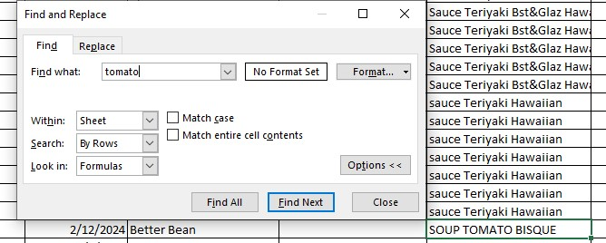
How to sort the Combined Claims Tab
1. Open the Combined Claims Tab (in green below). The document's default setting is to be sorted alphabetically by item name.

You can search for a particular item (for example, "tomato") by holding down "ctrl+F" on a pc or "command+F" on a mac. You will then input your search item and can see all results that include "tomato" in them by clicking through "Find Next."

You can also do this by filtering a column.
Click the down arrow next to the column you want to search. Options of what you can filter for will pop up.
You can either enter a query in the "search" bar (ie "tomato") or look through the searchable items and click on the one's you want filtered out.

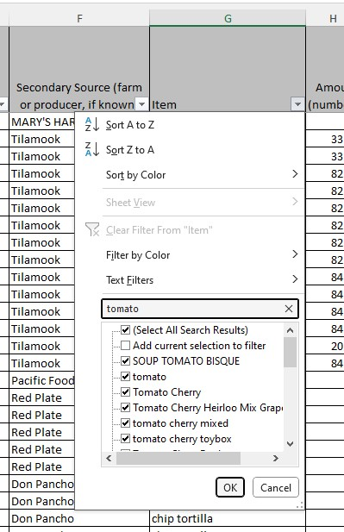

Visual Data
bakery | $8,332
beans | $17,215
beverage | $250
dairy | $167,502
eggs | $8,572
grains (oatmeal, granola, barley, rice etc) | $84,553
meat-beef | $185,572
meat-other (lamb, vegetarian) | $18,361
meat-pork | $22,427
meat-Poultry | $33,635
meat-seafood | $43,177
other (oil, seasoning, chips, tortillas, sauces) | $688,741
processed f+v | $43,454
unprocessed f+v | $430,726
total | $1,752,517

lbs of produce | 346,902
Tons of produce | 173.5

OR grown/raised | $705,742 | 40.3%
OR processed | $865,651 | 49.4%
OR grown & processed | $181,124 | 10.3%
 | $1,752,517

