Salad Bar PR Instructions
Instructions for Completing the Salad Bar Production Record
o When planning a salad bar as part of a reimbursable meal, minimum portion sizes must be consistent with the meal pattern for the age/grade group.
o To develop a production record for a salad bar, the menu planner would first determine the planned serving size. Second, number of servings must be established. Finally, the menu planner must determine the amount of each food product in salad bar.
o See example Salad Bar form and follow these step-by-step instructions for completing the Salad bar Production Record blank form.

TOP SECTION
o Date and Site Information: Record the name of site with date of the meal service
o Meal: Indicate if serving Breakfast and/or Lunch
o Actual Meals Planned: This number should include students by Grades, Adult, and A La Carte meals

Vegetable Sub-Group Menu Section
o Enter the vegetables offered. Record the form of the item (i.e., sliced, chopped, shredded, fresh, frozen, canned, raw) and the packing medium (e.g., canned in juice or light syrup, frozen with added sugar or plain). Note: Indicate the description of food items based on the Food-Buying Guide, when applicable
 | o Each Vegetable Sub-group tab specifies the daily requirements for grades K-8, 9-12 or K-12.
o Enter the brand name or code # of the vegetable.
 | o If the vegetable is part of a recipe enter the recipe number. Any menu item that has more than two ingredients combined to make the item must have a standardized recipe (e.g., seasoned or buttered vegetables, potato salad).
o Enter serving size: for example: 1 each, 1 cup, 6 oz
 | o Raw Leafy Greens credit at half the volume served. (i.e., 1 c. served = 1/2 c. component contribution)
o Vegetable Sub-Group Contribution: Enter this in cups.
 | o Beans/peas (legumes) may be credited as either a meat/meat alternate (m/ma) or vegetable, but not both. If crediting as m/ma indicate this on the 2nd page under Meat/Meat Alternate Section.
o Enter the # of servings offered, leftover, and served
o Time/Temp: Optional if time and temperatures are recorded on a separate HACCP temperature log
Note: Students may select more than the daily minimum serving for vegetables. The minimum quantity that may be credited towards the vegetable component is 1/8 cup.
Additional Note: For breakfast, vegetables may be substituted for fruit. If substituting vegetables for fruit component, all subgroups - dark green, red/orange, legume, starchy and "other" must be offered during the week. At least two cups from the dark green, red/orange, legume or "other" subgroups must be offered.

Fruits, Breads/Grains/Meat Meat Alternates, and Condiments Section
o Enter the fruit, bread/grain, meat/meat alternate, and condiments served and description in the appropriate section if not listed.
 | o The fruit specifies the daily lunch requirement for grades K-8 and 9-12 .
o Enter the brand name or code #.
o Enter serving size: For example: 1 each, 1 cup, 6 oz,
 | o Dried fruit's component contribution is twice the amount served (i.e., 1/4 c. served = 1/2 c. component contribution)
o Fruit Contribution: Enter this in cups.
o Breads and Grains: Enter the contribution in Ounce Equivalent.
o Meat/Meat Alternate: Enter the contribution in Ounce Equivalent.
o Enter the # of servings offered, leftover, and served.
o Time/Temp: Optional if time and temperatures are recorded on a separate HACCP temperature log

Vegetable Sub-Group Weekly Requirements in Cups by Grade Groups Chart
o The vegetable component consists of a variety of subgroups that must be offered over the week. Sponsors much ensure that all students have the opportunity to select each of the vegetable subgroups over the week.
o Additional Vegetables from any subgroup will need to be offered to reach the weekly total for each grade group.
o Please see Lunch at a Glance document:
https://www.oregon.gov/ode/students-and-family/childnutrition/SNP/Documents/SNP%20Lunch%20at%20a%20Glance.pdf
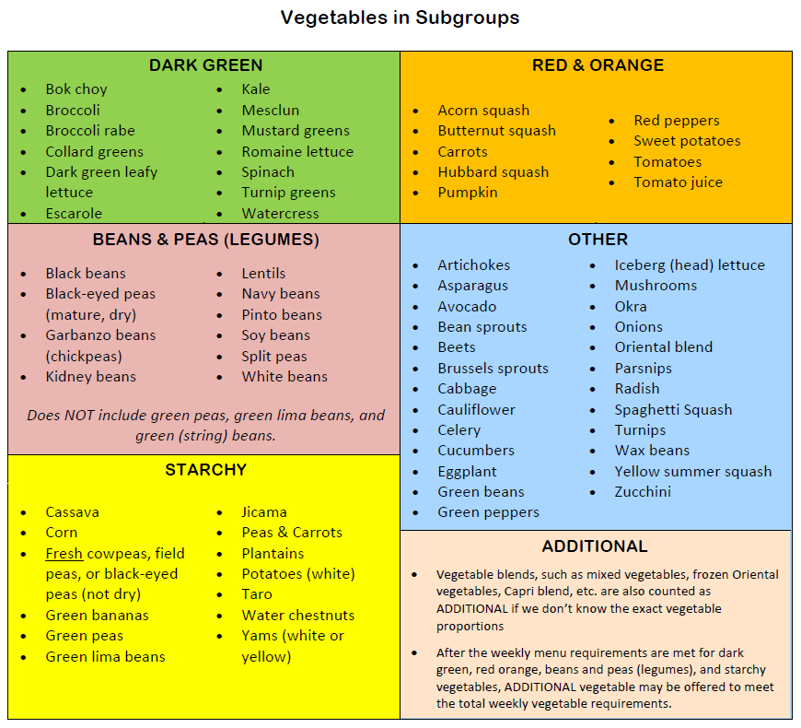

Salad Bar PR Example
Date: | 1/4/22 |  | Salad Bar Production Record for Site: |  |  |  | ABC Elementary School
Planned component contribution must meet the daily and weekly requirements for each grade group. See chart on second page for vegetable sub-group daily and weekly requirements.

Meal: |  | Breakfast |  | Actual Meals Served
 | X | Lunch |  | Grades |  | K-8 | 6-8 | 9-12 | Adult | A La Carte
 |  |  |  | # of Meals |  | 50

Vegetable Sub-Groups | Menu Item, Form (canned, fresh, diced), and Packing Medium (canned in juice or light syrup, frozen with added sugar or plain) |  |  | Brand Name, Code #, or Recipe # | Serving Size (Each, Cups, oz) | Contribution in Cups (decimels) | Servings Offered | Amount Leftover | Amount Served | Time / Temp | Time / Temp

Dark Green | Broccoli
 | Romaine Lettuce* |  |  |  | 1 c | 0.50 | 40 | 3 | 37
 | Spinach, Raw*
 | Other:
 | Other:
Red/Orange | Carrots: Baby |  |  |  | 1/2 c | 0.50 | 40 | 3 | 37
 | Peppers, Red
 | Tomatoes: Diced |  |  |  | 1/2 c | 0.50 | 30 | 5 | 25
 | Other:
 | Other:
 | Other:
Legumes (If credit as m/ma, see 2nd page) | Beans, Black |  | #10 Can (Drained) |  | 1/2 c | 0.50 | 15 | 5 | 10
 | Beans, Garbanzo
 | Beans, Kidney (see p.2 m/ma)
 | Other:
 | Other:
 | Other:
Starchy | Corn
 | Green Peas |  | (Frozen) |  | 1/2 c | 0.50 | 30 | 10 | 20
 | Potatoes |  | (Cubed & cooked) | RAW #1 | 3/4 c | 0.75
 | Other:
 | Other:
 | Other:
Other: | Lettuce*
 | Celery: (Chopped) |  |  | RAW #1 | 1/8 c | 0.125
 | Cucumbers: (Sliced) |  |  |  | 1/2 c | 0.50 | 20 | 5 | 15
 | Other:
 | Other:
 | Other:
TOTALS |  |  |  |  |  | 3.88 | 175 | 31 | 144
* Raw leafy greens credit at half the volume served.

 | Menu Item and Form (e.g. canned, fresh, diced) |  |  | Brand Name or Code # | Serving Size (Each, Cups, oz) | Contribution in Cups or oz eq. | Servings Offered | Amount Leftover | Amount Served | Time / Temp | Time / Temp

Fruits K-8 = 1/2 cup daily 9-12 = 1 cup daily | Fresh: Apples (125-138 whole) |  |  |  | 1 ea | .5 c | 30 | 5 | 25
 | Fresh:
 | Canned:
 | Canned:
 | Dried* Cranberries |  |  |  | 1/4 c | .5 c | 30 | 5 | 25
 | Other:

Breads and Grains | Bread:
 | Croutons: Prepackaged, Dry, 22 g |  |  | Group A | 1/2 c | 1 oz
 | Other:
 | Other:

Meat/Meat Alternate | Cheese, Cheddar, (shredded) |  |  |  | 2 oz | 1 oz | 30 | 20 | 10
 | Eggs
 | Nuts/Seeds:
 | Meat:
 | Other: Kidney Beans #10 (drained) |  |  |  | 1/4 c | 1 oz
 | Other:

Condiments | Ranch: Individual packages |  |  |  | 2 Tbsp |  | 50 | 45 | 5
 | Italian
 | Other: Mayonnaise |  |  | RAW #1 | 2 Tbsp
 | Other:
 | Other:
TOTALS |  |  |  |  |  |  | 140 | 75 | 65
 | * Dried fruit credits as twice its volume.
 |  |  |  |  | Comments:
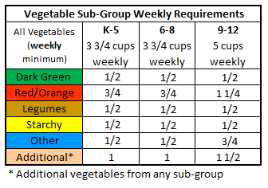
 |  |  |  |  | RAW #1 - Potato Salad - 1 cup serving

