Classic Delight PBJ
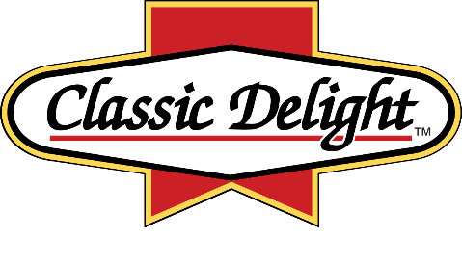
Makin' SAMMICH'S Since 1987
 |  | Classic Delight Commodity Calculator SY 2021-2022 |  |  |  |  |  | School Name Here |  |  |  |  |  |  | State
 |  |  |  |  |  |  |  | Contact Person Name |  |  |  |  | Contact Person Phone
 |  |  |  |  |  |  |  |  |  |  |  |  | Contact Person Email
 |  |  |  |  | Please complete all boxes in yellow
 |  |  |  |  |  | ↓ | ↓ | ↓

End Product Code # | Description | Serving Size (oz.) | Meal Pattern Contribution Per Serving |  | Finished Case Net Weight | ADP - Average Daily Participation | Menu Frequency | Number of Months on Menu (1 to 12) | Automatic Calculation Total CASES per menu'd month | Automatic Calculation Total Full CASES per year | Automatic Calculation Total SERVINGS per year | Servings per Case | Peanut Butter Pounds per Case | Commodity Peanut Butter Drum #100397 | USDA Food Value per Case | Total Dollar Value of Diverted PB
 |  |  | M/MA | Oz Eq Grain |  | # students | menu days per month | # months on menu |  |  |  |  |  | Total Pounds of Diverted PB | $0.8031/lb
831-40 | Small PB & Grape Jelly Crustless Sammich on WG Bread | 2.8 | 1 | 1 | 7 |  |  |  | 0.0 | 0 | 0 | 40 | 2.75 | 0.0 | $2.21 | $-
832-40 | Small PB & Strawberry Jam Crustless Sammich on WG Bread | 2.8 | 1 | 1 | 7 |  |  |  | 0.0 | 0 | 0 | 40 | 2.75 | 0.0 | $2.21 | $-
851-72 | Large PB & Grape Jelly Crustless Sammich on WG Bread | 4.57 | 2 | 2 | 20.6 |  |  |  | 0.0 | 0 | 0 | 72 | 7.74 | 0.0 | $6.22 | $-
852-72 | Large PB & Strawberry Jam Crustless Sammich on WG Bread | 4.57 | 2 | 2 | 20.6 |  |  |  | 0.0 | 0 | 0 | 72 | 7.74 | 0.0 | $6.22 | $-
 |  |  |  |  |  |  | TOTALS: |  | 0.0 | 0 | 0 |  |  | 0.0 |  | $-
 |  |  |  |  |  |  |  |  | CASES | CASES | SERVINGS |  |  | POUNDS |  | VALUE
Send copy of completed form to your Key Impact representative
and michele@classicdelight.com

