SY25-26 Calculator
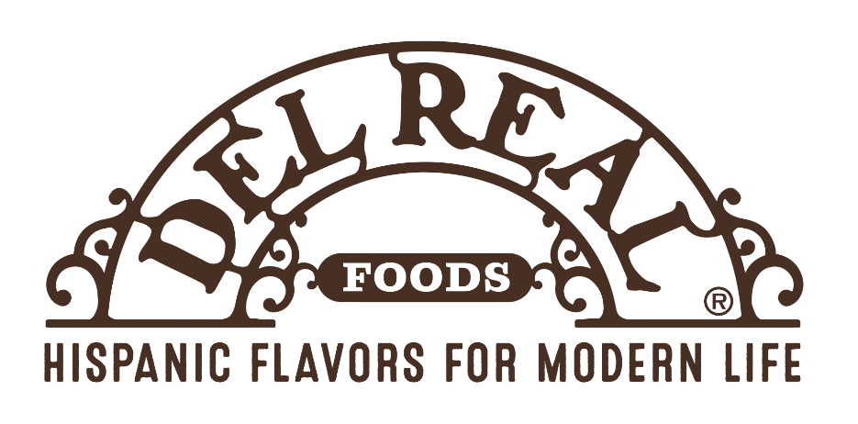
 |  | Del Real Foods

 |  | SY 2025-26 Commodity Calculator

Product Code | Product Description | Net Weight per Serving | Case Count | Servings Needed | Cases Equivalent | Commodity | Drawdown per case | Pounds Needed | Value Per Pound | PTV ($)
609 | Birria and Cheese Pupusa | 5.10 | 40 |  | 0 | 100022 CHEESE MOZ LM PART SKIM FRZ LVS-8/6 LB | 1.69 | 0.00 | 1.8444 | $0.00
610 | Carnitas and Cheese Pupusa | 5.10 | 40 |  | 0 | 100022 CHEESE MOZ LM PART SKIM FRZ LVS-8/6 LB | 1.70 | 0.00 | 1.8444 | $0.00
705 | Bean and Cheese Pupusa, 5.50 oz | 5.50 | 40 |  | 0 | 100022 CHEESE MOZ LM PART SKIM FRZ LVS-8/6 LB | 3.13 | 0.00 | 1.8444 | $0.00
641 | Birria and Chesee Pupusa | 5.50 | 40 |  | 0 | 100022 CHEESE MOZ LM PART SKIM FRZ LVS-8/6 LB | 4.00 | 0.00 | 1.8444 | $0.00

747 | Cheese & Green Chili Tamale | 6.00 | 50 | 0 | 0 | 100022 CHEESE MOZ LM PART SKIM FRZ LVS-8/6 LB | 3.97 | 0.00 | 1.8444 | $0.00
 |  |  |  |  |  |  | Commodity |  | Pounds Needed | Total DF $ Needed
 |  |  |  |  |  |  | 100022 CHEESE MOZ LM PART SKIM FRZ LVS-8/6 LB |  | 0.00 | $0.00

 |  |  |  |  |  |  | Commodity |  | Cases of 100022 Needed for SY25-26
 |  |  |  |  |  |  | 100022 CHEESE MOZ LM PART SKIM FRZ LVS-8/6 LB |  | 0.00

