DoD Fresh Budgeting Planner
USDA DoD Fresh Budgeting Planner

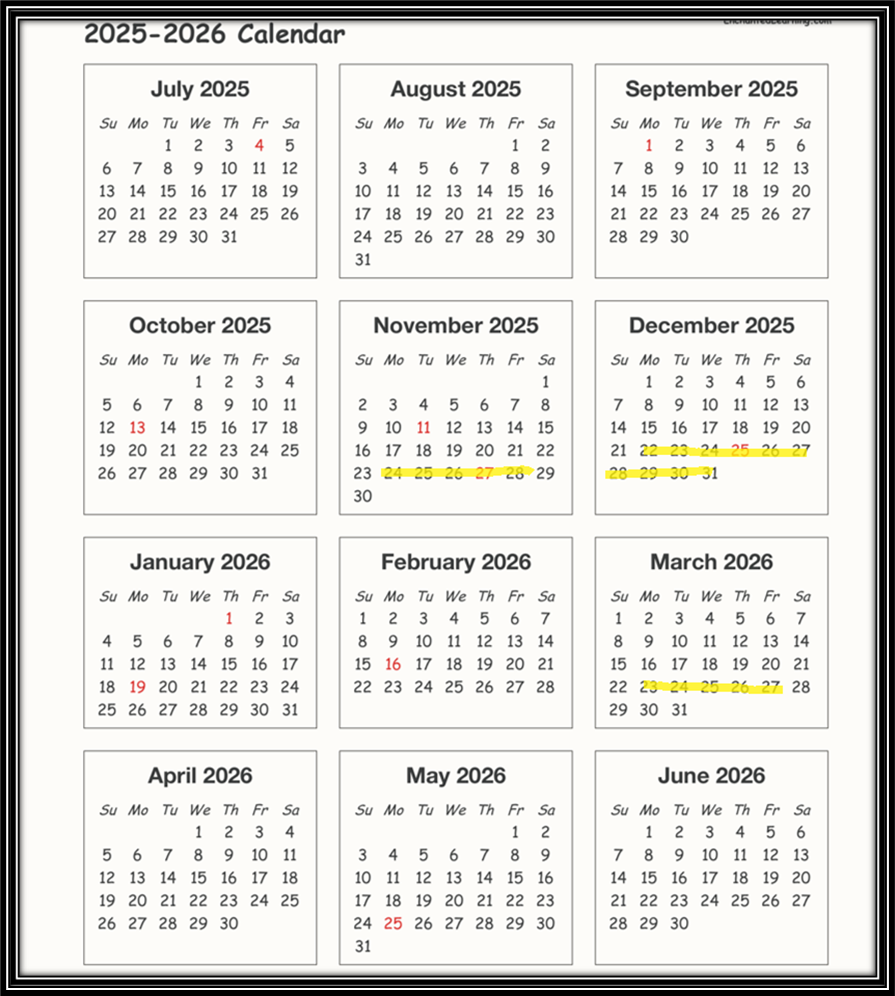
 | Instructions for using the DoD Fresh Budgeting Planner
For instructions on how to
find your DoD Fresh entitlement in WBSCM click here!
 | 1) Enter the DoD Fresh Program Budgeting information in the blue boxes on the DoD Fresh Budgeting Planner below. For further instructions follow steps 2-6.
 | 2) Print Entitlement/Bonus Summary Report from WBSCM.
 | 3) Enter the date you intend to place your first order in FFAVORS in Line #1 (row #28 column C) enter the date you intend to place your last order in FFAVORS Line #1 (row #28 column D).
Highlights in the DoD Fresh Ordering Calendar SY25-26 are potential weeks to consider for closure if your school takes holiday breaks, spring breaks etc.
 | 4) Enter the amount allocated to DoD Fresh from the Entitlment/Bonus Summary Report in WBSCM, into the DoD Fresh Budgeting Planner Line #2 (row 29 column C-D)
 | 5) Determine the number of closed weeks from the date you place your first DoD Fresh order to the date you will place your last DoD Fresh Order (I.e. Spring Break, Christmas) into the DoD Fresh Budgeting Planner) Line #3 ( row 30 column C-D)
 | 6) Your results will appear in the green boxes on the DoD Fresh Budgeting Planner.

The DoD Fresh Budgeting Planner can be revised throughout the school year! To assist you in ensuring you are able to utilize all your DoD Fresh Budget!

 | DoD Fresh Budgeting Planner | 1st Order | Last Order
1) | Enter the date of your first and last order : |  |  | Insert your schools DoD Fresh information in the blue cells!
2) | How much was your set aside for SY25-26 (allocated in WBSCM):
3) | Enter the number of weeks closed in SY2025-26:

 | Total Ordering Weeks: | 0 |  | Do not enter information in any of the Green boxes! These boxes will calculate information to assist in your DoD Fresh Budgeting Plan throughout the school year.
 | Total Ordering Months: | 0
 | Approx. Targeted Weekly Usage: | $-
 | Approx. Targeted Monthly Usage: | $-

