Barrel Cheese
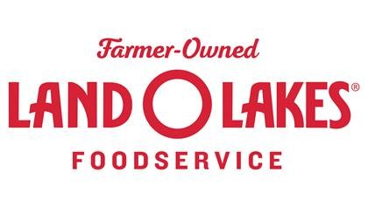
 |  |  |  |  | Land O'Lakes 2025-2026 School Commodity Worksheet -110242 - 500# Natural American Barrel (Cheddar Barrel)

 |  |  |  |  | School Districts have access to an online version via www.processorlink.com.
 |  |  | District Name: |  |  |  |  |  |  | Refrigerated & Dry |  |  |  | Frozen
 |  |  |  |  |  |  | Direct-Ship Order Minimum |  |  | 5,000 Lbs. |  |  |  | 5,000 Lbs.
 |  |  | Distributor: |  |  |  | Order to Ship Lead-Time |  |  | 6 business days |  |  |  | 6 business days
 |  |  |  |  |  |  | Order Change Deadline |  |  | 4 days prior to ship |  |  |  | 4 days prior to ship
Total Donated Food Weight: |  |  |  |  | 0.0 |  | Standard Terms |  |  | Net 30 Days |  |  |  | Net 30 Days

REFRIGERATED & DRY ITEMS |  |  |  |  |  |  |  |  | Note: Form may be completed on an annual or as needed basis
CODE | CASE WT (lbs.) | DF per CASE | Serving Size | Servings per case | PRODUCT DESCRIPTION | Jul | Aug | Sep | Oct | Nov | Dec | Jan | Feb | Mar | Apr | May | Jun | Total DF/Item
39911 | 26.25 | 8.92 | 3 oz. | 140 | 140/ 3 oz Ultimate Cheddar™ Cheese Dip Cup |  |  |  |  |  |  |  |  |  |  |  |  | 0.00
39912 | 26.25 | 8.92 | 3 oz. | 140 | 140/ 3 oz Mucho Queso™ Jalapeno Cheese Dip Cup |  |  |  |  |  |  |  |  |  |  |  |  | 0.00
39945 | 39.75 | 13.50 | 3 oz. | 212 | 6/106 oz Ultimate Yellow™ Cheese Sauce Pouch |  |  |  |  |  |  |  |  |  |  |  |  | 0.00
39946 | 39.75 | 13.50 | 3 oz. | 212 | 6/106 oz Ultimate Jalapeno™ Cheese Sauce Pouch |  |  |  |  |  |  |  |  |  |  |  |  | 0.00
39947 | 39.75 | 14.58 | 3 oz. | 212 | 6/106 oz. Ultimate Creamy White™ Cheese Sauce |  |  |  |  |  |  |  |  |  |  |  |  | 0.00
41485 | 20.00 | 20.00 | 1 oz. | 320 | 4/5 lb. Shredded Monterey Jack / Mild Cheddar Cheese Blend |  |  |  |  |  |  |  |  |  |  |  |  | 0.00
41698 | 20.00 | 20.00 | 1 oz. | 320 | 4/5 lb. Shredded Mozzarella Cheese LMPS |  |  |  |  |  |  |  |  |  |  |  |  | 0.00
41725 | 20.00 | 16.00 | 1 oz. | 320 | 4/5 lb. Shredded Sharp American-Y |  |  |  |  |  |  |  |  |  |  |  |  | 0.00
41728 | 20.00 | 15.34 | 1 oz. | 320 | 4/5 lb. Shredded Reduced Fat American-Y |  |  |  |  |  |  |  |  |  |  |  |  | 0.00
41749 | 20.00 | 20.00 | 1 oz. | 320 | 4/5 lb. Shredded Mild Cheddar Cheese-Y |  |  |  |  |  |  |  |  |  |  |  |  | 0.00
44113 | 12.50 | 12.50 | 1 oz. | 200 | 200/1 oz Reduced Fat Mild Cheddar Cheese Cubes |  |  |  |  |  |  |  |  |  |  |  |  | 0.00
44115 | 12.50 | 12.50 | 1 oz. | 200 | 200/1 oz Reduced Fat Colby Jack Cubes |  |  |  |  |  |  |  |  |  |  |  |  | 0.00
44751 | 20.00 | 20.00 | 1 oz. | 320 | 4/5 lb. Reduced Fat Mild Cheddar Cheese Cubes |  |  |  |  |  |  |  |  |  |  |  |  | 0.00
44224 | 12.00 | 12.00 | .5 oz. | 384 | 8/1.5 lb.Reduced Fat Mild Cheddar Readi-Pac® Slices |  |  |  |  |  |  |  |  |  |  |  |  | 0.00
44238 | 12.00 | 12.00 | .5 oz. | 384 | 8/1.5 lb.Pepper Jack Cheese Readi-Pac® Slices |  |  |  |  |  |  |  |  |  |  |  |  | 0.00
44261 | 12.00 | 12.00 | .5 oz. | 384 | 8/1.5 lb. Reduced Fat Swiss Cheese Readi-Pac® Slices |  |  |  |  |  |  |  |  |  |  |  |  | 0.00
44873 | 10.50 | 10.50 | 1 oz | 168 | 168/1 oz. Colby Jack Cheese Sticks |  |  |  |  |  |  |  |  |  |  |  |  | 0.00
44875 | 10.50 | 10.50 | 1 oz. | 168 | 168/1 oz. Reduced Fat Colby Jack Cheese Sticks |  |  |  |  |  |  |  |  |  |  |  |  | 0.00
44880 | 10.50 | 10.50 | 1 oz. | 168 | 168/1 oz. Mild Cheddar Cheese Sticks |  |  |  |  |  |  |  |  |  |  |  |  | 0.00
44882 | 10.50 | 10.50 | 1 oz. | 168 | 168/1 oz. Reduced Fat Mild Cheddar Cheese Sticks |  |  |  |  |  |  |  |  |  |  |  |  | 0.00
46015 | 20.00 | 13.00 | 0.42 oz. | 736 | 4/5 lb. 184 slice Process American Cheese, Y |  |  |  |  |  |  |  |  |  |  |  |  | 0.00
46016 | 20.00 | 13.00 | .5 oz. | 640 | 4/5 lb. 160 Process American Cheese Slice, Y |  |  |  |  |  |  |  |  |  |  |  |  | 0.00
46018 | 20.00 | 7.80 | .5 oz. | 640 | 4/5 lb. 160 50% Red. Fat 50% Red. Sodium Process American Cheese Slice, Y |  |  |  |  |  |  |  |  |  |  |  |  | 0.00
46030 | 20.00 | 7.80 | .5 oz. | 640 | 4/5 lb. 160 Red. Fat Process American Cheese Slice, Y |  |  |  |  |  |  |  |  |  |  |  |  | 0.00
46031 | 20.00 | 7.80 | .5 oz. | 640 | 4/5 lb. 160 50% Red. Fat 25% Red. Sodium Process American Cheese Slice, Y |  |  |  |  |  |  |  |  |  |  |  |  | 0.00
46032 | 20.00 | 13.00 | .5 oz. | 640 | 4/5 lb. 160 Process American Cheese Slice, W |  |  |  |  |  |  |  |  |  |  |  |  | 0.00
48174 | 30.00 | 22.78 | .5 oz. | 960 | 6/5 lb. Process American Cheese Loaf, Y |  |  |  |  |  |  |  |  |  |  |  |  | 0.00
59701 | 10.50 | 10.50 | 1 oz. | 168 | 168/1 oz Mozzarella String Cheese Portions |  |  |  |  |  |  |  |  |  |  |  |  | 0.00
59703 | 10.50 | 10.50 | 1 oz. | 168 | 168/1 oz Light Mozzarella String Cheese Portions |  |  |  |  |  |  |  |  |  |  |  |  | 0.00
NET WEIGHT - REFRIGERATED & DRY (MUST BE ≥5,000 POUNDS/SHIPMENT) |  |  |  |  |  | 0.0 | 0.0 | 0.0 | 0.0 | 0.0 | 0.0 | 0.0 | 0.0 | 0.0 | 0.0 | 0.0 | 0.0 | 0.00

FROZEN ITEMS |  |  |  |  |  |  |  |  | Note: Form may be completed on an annual or as needed basis
CODE | CASE WT (lbs.) | DF per CASE |  |  | PRODUCT DESCRIPTION | Jul | Aug | Sep | Oct | Nov | Dec | Jan | Feb | Mar | Apr | May | Jun | Total DF/Item
43274 | 30.00 | 6.66 | 6 oz. | 80 | 6/5 lb. Reduced Sodium Reduced Fat Macaroni & Cheese w/ Whole Grain |  |  |  |  |  |  |  |  |  |  |  |  | 0.00
43277 | 30.00 | 6.25 | 6 oz. | 80 | 6/5 lb. Reduced Fat Macaroni & Cheese Entrée w/ Whole Grain |  |  |  |  |  |  |  |  |  |  |  |  | 0.00
43284 | 30.00 | 6.25 | 6 oz. | 80 | 6/5 lb. Reduced Fat Macaroni & Cheese Entrée |  |  |  |  |  |  |  |  |  |  |  |  | 0.00
43292 | 30.00 | 8.73 | 6 oz. | 80 | 6/5 lb. Macaroni & Cheese Entrée w/Whole Grain |  |  |  |  |  |  |  |  |  |  |  |  | 0.00
NET WEIGHT - FROZEN (MUST BE ≥5,000 POUNDS/SHIPMENT) |  |  |  |  |  | 0.0 | 0.0 | 0.0 | 0.0 | 0.0 | 0.0 | 0.0 | 0.0 | 0.0 | 0.0 | 0.0 | 0.0 | 0.00

• Orders can be submitted via www.processorlink.com or by emailing this form directly to your broker representative •
• Please contact Customer Service with any questions or concerns at (800) 898-8113 or schoolfdsv@landolakes.com •

Access ProcessorLink Calculator
Here's how to access the ProcessorLink Calculator Tool:

 | 1. Go to: | www.processorlink.com

 | 2. From the landing page, use your login and password to access the system. If you don't have login credentials, use the "Sign up now" link to request access.
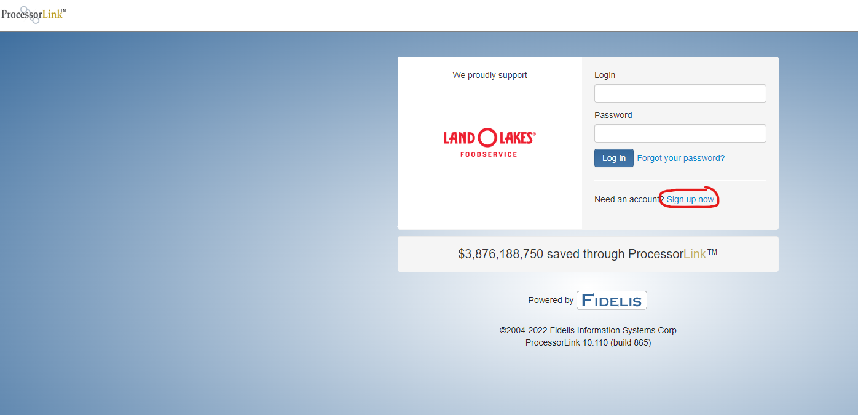

 | 3. Once you are logged in, Click on the blue bar above your balance information to access the Calculator Service.
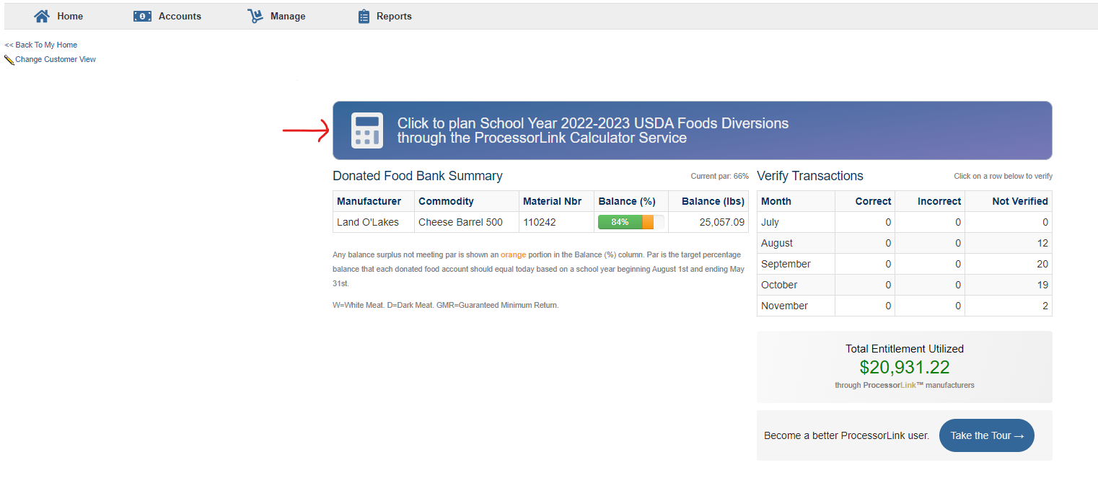

 | 4. Look for Land O'Lakes in the Manufacturer listing and click "Create Calculator" under the action column.
