Worksheet
 |  |  | NARDONE BROS. PIZZA Processing Template
 |  |  | 2022- 2023 COMMODITY CHEESE
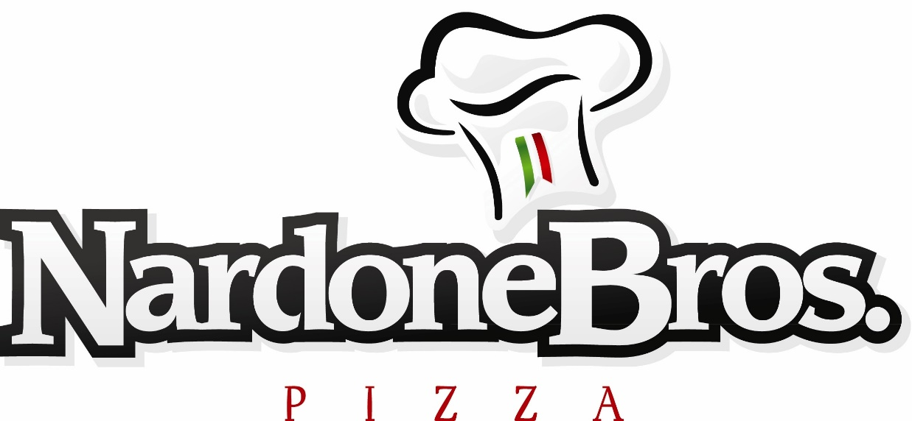
 |  |  |  |  |  |  |  |  |  |  |  | CHEESE 110244

 |  |  |  | A |  | B |  | C |  | D |  | E
Product Code | Product Description | Portion Weight | Portion Size | Estimated No of Servings Desired | \ | Servings Per Case (Cs Pk) | = | Total Finished Cases Needed | X | Cheese Amount of Commodity DF per case (in pounds) | = | Total Pounds of Commodity Cheese need to order | Average 2022-2023 Cheese Value | Value of DF Cheese per case

12WBR | 12" WW Self-Rising Breakfast Pizza 100% Mozz | 3.67 oz | 6" |  | \ | 96 | = | - | X | 2.77 | = | - | $1.8369 | $5.09
15RSRMP | 16" WW Pizzeria Style Chse & Peprn Pizza 100% Mozz | 6.92 oz. | 8" |  | \ | 64 | = | - | X | 5.92 | = | - | $1.8369 | $10.87
16WPS2 | 16" WW Pizzeria Style Cheese Pizza 100% Mozz | 5.00 oz | 8" |  | \ | 64 | = | - | X | 8.00 | = | - | $1.8369 | $14.70
16WPSP2 | 16" WW Pizzeria Style Chse & Peprn Pizza 100% Mozz | 5.08 oz. | 8" |  | \ | 64 | = | - | X | 6.32 | = | - | $1.8369 | $11.61
16WPSBC | 16" WW Pizzeria Style Buffalo Chicken Pizza 100% Mozz | 4.60 oz | 8" |  | \ | 64 | = | - | X | 6.00 | = | - | $1.8369 | $11.02
16WPSME2 | 16" WW Pizzeria Style Meateaters Pizza 100% Mozz | 5.23 oz. | 8" |  | \ | 64 | = | - | X | 6.00 | = | - | $1.8369 | $11.02
16WPSS2 | 16" WW Pizzeria Style Sausage Pizza 100% Mozz | 5.21 oz. | 8" |  | \ | 64 | = | - | X | 6.45 | = | - | $1.8369 | $11.85
16WPSTP3 | 16" WW Pizzeria Style Turkey Peprn Pizza 100% Mozz | 5.00 oz | 8" |  | \ | 64 | = | - | X | 6.80 | = | - | $1.8369 | $12.49
16WSUP2 | 16" WW Pizzeria Style Supreme Pizza 100% Mozz | 5.75 oz | 8" |  | \ | 64 | = | - | X | 5.00 | = | - | $1.8369 | $9.18
16WFC | 16" WW Pizzeria Style 4-FOUR Cheese Pizza 100% Mozz | 5.13 oz | 8" |  | \ | 64 | = | - | X | 8.00 | = | - | $1.8369 | $14.70
16WHW2 | 16" WW Pizzeria Style Hawaiian Pizza 100% Mozz | 5.75 oz | 8" |  | \ | 64 | = | - | X | 6.88 | = | - | $1.8369 | $12.64
16WPSGC2 | 16" WW Pizzeria Style Garlic White Chicken Pizza 100% Mozz | 4.50 oz | 8" |  | \ | 64 | = | - | X | 6.00 | = | - | $1.8369 | $11.02
16WSRFC | 16" WW Self-Rising Four Cheese Pizza 100% Mozz | 5.38 oz | 8" |  | \ | 64 | = | - | X | 8.00 | = | - | $1.8369 | $14.70
16WSRFCME2 | 16" WW Self-Rising Four Cheese Meateaters Pizza 100% Mozz | 5.79 oz | 8" |  | \ | 64 | = | - | X | 4.87 | = | - | $1.8369 | $8.95
16WSRFCTP2 | 16" WW Self-Rising Four Cheese Turkey Pepperoni Pizza 100% Mozz | 5.45 oz | 8" |  | \ | 64 | = | - | X | 5.43 | = | - | $1.8369 | $9.97
16WSRP2 | 16" WW Self-Rising Pepperoni Pizza 100% Mozz | 5.42 oz | 8" |  | \ | 64 | = | - | X | 5.92 | = | - | $1.8369 | $10.87
16WRSRM1 | 16" WW Self-Rising Cheese Pizza 100% Mozz | 6.90 oz | 8" |  | \ | 64 | = | - | X | 8.00 | = | - | $1.8369 | $14.70
16WRSRMP1 | 16" WW Self-Rising Peprn Pizza 100% Mozz | 6.91 oz | 8" |  | \ | 64 | = | - | X | 5.92 | = | - | $1.8369 | $10.87
16WRSRMTP2 | 16" WW Self-Rising Turkey Peprn Pizza 100% Mozz | 6.90 oz | 8" |  | \ | 64 | = | - | X | 6.08 | = | - | $1.8369 | $11.17
16WSRSUP | 16" WW Self-Rising Supreme Pizza 100% Mozz | 7.43 oz | 8" |  | \ | 64 | = | - | X | 5.75 | = | - | $1.8369 | $10.56
5WRMP1NY2 | 5" WW Round Peprn Pizza 100% Mozz | 5.40 oz | 5" |  | \ | 60 | = | - | X | 6.00 | = | - | $1.8369 | $11.02
5WRMNY2 | 5" WW Round Cheese Pizza 100% Mozz | 5.35 oz | 5" |  | \ | 60 | = | - | X | 7.50 | = | - | $1.8369 | $13.78
5WRMTP3 | 5" WW Round Turkey Pepperoni Cheese Pizza 100% Mozz | 5.35 oz | 5" |  | \ | 60 | = | - | X | 5.81 | = | - | $1.8369 | $10.67
401WCM2 | 96WW2 4x6 BOXED - ovenable box, 100% Mozz | 5.00 oz | 4"x6" |  | \ | 60 | = | - | X | 5.00 | = | - | $1.8369 | $9.18
401WMP2 | 96WWP2 4X6 BOXED - ovenable box, 100% Mozz | 5.00 oz | 4"x6" |  | \ | 40 | = | - | X | 3.75 | = | - | $1.8369 | $6.89
40WRMNY2 | 5WRMNY2 BOXED - ovenable box, 100% Mozz | 5.35 oz | 5" |  | \ | 40 | = | - | X | 5.00 | = | - | $1.8369 | $9.18
40WRMP1NY2 | 5WRMP1NY2 BOXED - ovenable box, 100% Mozz | 5.40 oz | 5" |  | \ | 40 | = | - | X | 4.00 | = | - | $1.8369 | $7.35
40WSCM2 | 72WWSCM2 4x6 BOXED - ovenable box, 100% Mozz | 4.95 oz | 4"x6" |  | \ | 40 | = | - | X | 5.00 | = | - | $1.8369 | $9.18
40WSCMP2 | 72WWSCMP2 4x6 BOXED - ovenable box, 100% Mozz | 4.95 oz | 4"x6" |  | \ | 40 | = | - | X | 3.75 | = | - | $1.8369 | $6.89
40WGUM | 60WGUM2 BOXED - ovenable box, 100% Mozz | 4.50 oz | 8"x3" |  | \ | 40 | = | - | X | 5.00 | = | - | $1.8369 | $9.18
40WUM2 | 60WUM2 BOXED - ovenable box, 100% Mozz | 5.50 oz | 8"x3" |  | \ | 40 | = | - | X | 5.00 | = | - | $1.8369 | $9.18
40WUMP2 | 60WUMP2 BOXED - ovenable box, 100% Mozz | 5.50 oz | 8"x3" |  | \ | 40 | = | - | X | 3.75 | = | - | $1.8369 | $6.89
625WRM2 | 6" WW Round Cheese Pizza 100% Mozz | 5.40 oz | 6" |  | \ | 60 | = | - | X | 7.50 | = | - | $1.8369 | $13.78
M625WRM2 | 6" WW Round Cheese Pizza 100% Mozz, IW | 5.40 oz | 6" |  | \ | 60 | = | - | X | 7.50 | = | - | $1.8369 | $13.78
625WRMP2 | 6" WW Round Peprn Pizza 100%, Mozz diced pepperoni | 5.50 oz | 6" |  | \ | 60 | = | - | X | 5.44 | = | - | $1.8369 | $9.99
M625WRMP2 | 6" WW Round Peprn Pizza 100%, Mozz diced pepperoni, IW | 5.50 oz | 6" |  | \ | 60 | = | - | X | 5.44 | = | - | $1.8369 | $9.99
C625WRMP2 | 6" WW Round Peprn Pizza 100%, Mozz coin pepperoni | 5.50 oz | 6" |  | \ | 60 | = | - | X | 5.44 | = | - | $1.8369 | $9.99
625WBC2 | 6" WW Round Buffalo w/Chicken Pizza 100% Mozz | 4.50 oz | 6" |  | \ | 60 | = | - | X | 5.63 | = | - | $1.8369 | $10.34
625WBQ2 | 6" WW Round BBQ Pizza w/Chicken100% Mozz | 4.75 oz | 6" |  | \ | 60 | = | - | X | 5.63 | = | - | $1.8369 | $10.34
625WHW2 | 6" WW Round Hawaiian Pizza 100% Mozz | 6.00 oz | 6" |  | \ | 60 | = | - | X | 6.44 | = | - | $1.8369 | $11.83
625WRMB2 | 6" WW Round Beef Pattie 100% Mozz | 5.50 oz | 6" |  | \ | 60 | = | - | X | 6.38 | = | - | $1.8369 | $11.72
625WRMTP3 | 6" WW Round Turkey Peprn Pizza 100% Mozz w/diced pepperoni | 5.40 oz | 6" |  | \ | 60 | = | - | X | 6.00 | = | - | $1.8369 | $11.02
C625WRMTP3 | 6" WW Round Turkey Peprn Pizza 100% Mozz w/coin pepperoni | 5.43 oz | 6" |  | \ | 60 | = | - | X | 5.75 | = | - | $1.8369 | $10.56
625WRMV2 | 6" WW Round Cheese & Veggie Pizza 100% Mozz | 6.40 oz | 6" |  | \ | 60 | = | - | X | 7.50 | = | - | $1.8369 | $13.78
625WTME2 | 6" WW Round Turkey Meateaters (3-Meat) Pizza 100% Mozz | 5.57 oz | 6" |  | \ | 60 | = | - | X | 5.31 | = | - | $1.8369 | $9.75
625WSUP2 | 6" WW Round Supreme Pizza 100% Mozz | 6.35 oz | 6" |  | \ | 60 | = | - | X | 4.69 | = | - | $1.8369 | $8.62
60WGUM2 | 8" WW Garlic Fench Bread 100% Mozz | 4.50 oz | 8"x3" |  | \ | 60 | = | - | X | 7.50 | = | - | $1.8369 | $13.78
60WGUMA2 | 8" WW Garlic Fench Bread 50/50 Mozz Blend | 4.50 oz | 8"x3" |  | \ | 60 | = | - | X | 3.75 | = | - | $1.8369 | $6.89
60WUM2 | 8" WW French Bread Cheese 100% Mozz | 5.50 oz. | 8"x3" |  | \ | 60 | = | - | X | 7.50 | = | - | $1.8369 | $13.78
60WUMA2 | 8" WW French Bread 50/50 Blend Mozz | 5.50 oz. | 8"x3" |  | \ | 60 | = | - | X | 3.75 | = | - | $1.8369 | $6.89
60WUMP2 | 8" WW French Bread Peprn Mozz 100% Mozz | 5.50 oz. | 8"x3" |  | \ | 60 | = | - | X | 5.63 | = | - | $1.8369 | $10.34
60WUMPA2 | 8" WW French Bread Peprn 50/50 Blend Mozz | 5.50 oz. | 8"x3" |  | \ | 60 | = | - | X | 2.85 | = | - | $1.8369 | $5.24
...
96SWWED2 | 8" WW Wedge Soy Crust Cheese Pizza 100% Mozz | 4.90 oz | 8" |  | \ | 96 | = | - | X
961SWTPA2 | WW 4x6 Soy Crust Turkey Pepp Pizza 50/50 Mozz Blend | 4.90 oz | 4"x6" |  | \ | 96 | = | - | X
 |  |  |  | TOTAL Commodity Pounds Needed
...
 |  |  |  | Customer's Name

IF YOU HAVE ANY QUESTIONS, PLEASE CONTACT: |  |  |  | Address

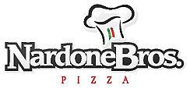
Nardone Brothers Baking Co., Inc. |  |  |  | City / State / Zip
420 New Commerce Blvd.
Wilkes-Barre, PA 18706 |  |  |  | Contact

Vincent J Nardone |  |  |  | Email
vjn1@att.net
Cell: 570-650-8075 |  |  |  | Phone/Fax
Office: 800-822-5320 x222
Fax: 570-823-2581 |  |  |  | Distributor

Updated 11/3/21 |  |  |  | Authorized Signature
 | Cheddar Cheese

 |  | NARDONE BROS. PIZZA Processing Template
 |  | 2022- 2023 COMMODITY CHEDDAR CHEESE 110253
...
 |  |  |  | A |  | B |  | C
Product Code | Product Description | Portion Weight | Portion Size | Estimated No of Servings Desired | \ | Servings Per Case (Cs Pk) | = | Total Finished Cases Needed | X
...

DELIVERY
 | 2021-2022 COMMODITY DELIVERY FORM

Date:
School: |  | Contact:

Diverted Cheese __110244_ Shipping:
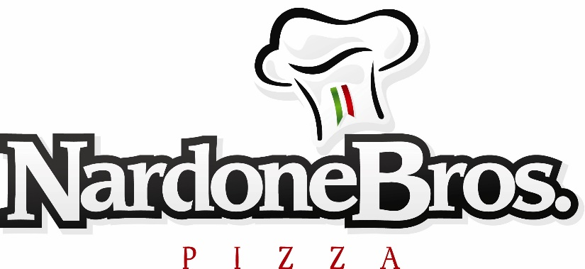
Billing
Address:

Ship
Address:

 |  | Portion | Portion | Case | "Net" Price | Order | July/Aug | Sept/Oct | Nov/Dec | Jan/Feb | March
Product# | Description | Weight | Size | Size | Schools | Quantity | Del. | Del. | Del. | Del. | Del.
...

