SY2627 RG BRAND CALCULATOR
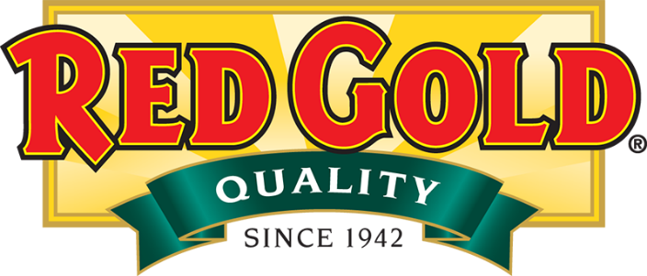
65
 |  |  |  |  | SCHOOL YEAR 2026/2027 |  |  |  |  |  |  | Issue Date: 11/10/2025
 |  |  |  |  | Commodity Processing Calculator |  |  |  |  |  |  | District to complete column N or column P and pounds will be automatically calculated (all others locked)
This Calculator is most useful when acccessed and used in the electronic format.
 |  |  |  |  | Tomato Paste Totes: USDA WBSCM Item Code 100332 |  |  |  |  |  |  | MAY USE EITHER METHOD 1 OR METHOD 2
 |  |  |  |  |  |  |  |  |  |  |  | METHOD 1 |  | METHOD 2
 | UNIT NET WEIGHT | CASE NET WEIGHT | SERVINGS PER CASE | SERVING NET WEIGHT | PRODUCT DESCRIPTION |  | UPC CODE | RED GOLD ITEM NUMBER | EST. FINISHED CASES PER TRUCK OF PASTE | AMOUNT DONATED FOOD PER CASE | PASS THRU VALUE PER CASE | EST. ANNUAL CASES NEEDED (N) | EST. TOTAL PASTE POUNDS NEEDED | EST. SERVINGS NEEDED PER YEAR (P) | EST. TOTAL PASTE POUNDS NEEDED
 | CREDITING ITEMS - Sauces & Salsa - Nutritionally Enhanced, Great Tasting, Enhanced Low Sodium Formula, No HFCS, Added Tomato Paste for Better Yields & Lower Cost |  |  |  |  |  |  |  |  |  | $0.6305
 | 106 oz | 39.75 lbs | 530 | 1.20 oz | Redpack Nutritionally Enhanced Spaghetti Sauce 6 # 10 Cans |  | 72940-82107 | RPKMA9E | 3,866 | 10.32 | $6.51 |  | - |  | -
 | 105 oz | 39.38 lbs | 420 | 1.50 oz | Redpack Nutritionally Enhanced Marinara Sauce 6 / # 10 Cans |  | 72940-82206 | RPKNA9E | 5,443 | 7.33 | $4.62 |  | - |  | -
 | 106 oz | 39.75 lbs | 530 | 1.20 oz | Redpack Nutritionally Enhanced Fully Prepared Pizza Sauce 6 / # 10 Cans |  | 72940-81909 | RPKIL9E | 3,254 | 12.26 | $7.73 |  | - |  | -
 | 109 oz | 39.75 lbs | 289 | 2.20 oz | Red Gold Nutritionally Enhanced Enchilada Sauce - 6 / #10 Cans |  | 72940-10094 | REDRL99 | 7,644 | 5.22 | $3.29 |  | - |  | -
 | 103 oz | 38.63 lbs | 412 | 1.50 oz | Red Gold Nutritionally Enhanced Salsa 6 / #10 Cans |  | 72940-11005 | REDSC99 | 6,763 | 5.90 | $3.72 |  | - |  | -
 | 1.5 oz | 24.75 lbs | 264 | 1.50 oz | Red Gold Salsa Dipping Cups (Nutritionally Enhanced Low Sodium)- 264 / 1.5 oz Cups - 1/4 cup R/O Credit |  | 72940-11057 | REDSCHZC264 | 10,755 | 3.71 | $2.34 |  | - |  | -
 | 3.0 oz | 15.75 lbs | 84 | 3.00 oz | Red Gold Salsa Dipping Cups (Nutritionally Enhanced Low Sodium)- 84 / 3 oz Cups - 1/2 cup R/O Credit |  | 72940-11139-5 | REDSC2ZC84 | 16,907 | 2.36 | $1.49 |  | - |  | -
 | 3.0 oz | 31.52 lbs | 168 | 3.00 oz | Red Gold Salsa Dipping Cups (Nutritionally Enhanced Low Sodium)- 168 / 3 oz Cups - 1/2 cup R/O Credit |  | 72940-11139-7 | REDSC2ZC168 | 8,453 | 4.72 | $2.98 |  | - |  | -
 | 1.25 oz | 20.63 lbs | 264 | 1.25 oz | Red Gold Marinara Sauce Dipping Cups (Nutritionally Enhanced Low Sodium)- 264 / 1.25 oz. Cups- 1/4 cup R/O Credit |  | 72940-11058 | REDNAHZC264 | 6,927 | 5.76 | $3.63 |  | - |  | -
 | 2.5 oz | 13.13 lbs | 84 | 2.50 oz | Red Gold Marinara Sauce Dipping Cups (Nutritionally Enhanced Low Sodium)- 84 / 2.5 oz Cups - 1/2 cup R/O Credit |  | 72940-82207-9 | REDNA2ZC84 | 10,872 | 3.67 | $2.31 |  | - |  | -
 | 2.5 oz | 26.25 lbs | 168 | 2.50 oz | Red Gold Marinara Sauce Dipping Cups (Nutritionally Enhanced Low Sodium)- 168 / 2.5 oz Cups - 1/2 cup R/O Credit |  | 72940-82207-1 | REDNA2ZC168 | 5,443 | 7.33 | $4.62 |  | - |  | -
 | 1 oz | 15.63 lbs | 250 | 1.00 oz | Red Gold Marinara Sauce Dunk Cups (Nutritionally Enhanced Low Sodium)- 250 / 1 oz. Cups - 1/8 cup R/O Credit |  | 72940-11135 | REDNA1Z | 10,025 | 3.98 | $2.51 |  | - |  | -
 | 105 oz | 39.38 lbs | 71 | 8.80 oz | Red Gold Plant Based Protein Pasta Sauce - Bolognese Style |  | 72940-11142 | REDMDX9 | 5,306 | 7.52 | $4.74 |  | - |  | -
 | CREDITING ITEMS - Traditional Tomato Products / Vine Ripe (Regular) Low Sodium Items
 | 106 oz | 39.75 lbs | 530 | 1.20 oz | Redpack Multi Purpose Spaghetti Sauce - 6 / # 10 Cans |  | 72940-82100 | RPKMA9C | 3,739 | 10.67 | $6.73 |  | - |  | -
 | 105 oz | 39.38 lbs | 450 | 1.40 oz | Redpack Multi Purpose Marinara Sauce - 6 / # 10 Cans |  | 72940-82200 | RPKNA99 | 5,306 | 7.52 | $4.74 |  | - |  | -
 | 105 oz | 39.38 lbs | 450 | 1.40 oz | Redpack Multi Purpose Marinara Sauce - 6 / Poly Pouches |  | 72940-99707 | RPKNC9H | 5,306 | 7.52 | $4.74 |  | - |  | -
 | 106 oz | 39.75 lbs | 530 | 1.20 oz | Redpack Fully Prepared Pizza Sauce 6 / # 10 Cans |  | 72940-74886 | RPKIL9R | 3,231 | 12.35 | $7.79 |  | - |  | -
 | 105 oz | 39.38 lbs | 573 | 1.10 oz | Redpack Extra Heavy Pizza Sauce w/ Basil - 6 / # 10 Cans |  | 72940-81903 | RPKIX99 | 2,599 | 15.35 | $9.68 |  | - |  | -
 | 108 oz | 40.50 lbs | 498 | 1.30 oz | Redpack Sloppy Joe Sauce - 6 / # 10 Cans |  | 72940-74150 | RPK1A99 | 3,793 | 10.52 | $6.63 |  | - |  | -
 | 105 oz | 39.38 lbs | 573 | 1.10 oz | Redpack Concentrated & Crushed All Purpose Tomatoes - 6 / # 10 Cans |  | 72940-81400 | RPKDX99 | 2,292 | 17.41 | $10.98 |  | - |  | -
 | 111 oz | 41.63 lbs | 1,332 | 0.50 oz | Redpack Tomato Paste - 6 / # 10 Cans |  | 72940-82300 | RPKUA99 | 1,288 | 30.97 | $19.53 |  | - |  | -
 | 106 oz | 39.75 lbs | 530 | 1.20 oz | Redpack Tomato Sauce - 6 / # 10 Cans |  | 72940-81800 | RPKHA99 | 4,105 | 9.72 | $6.13 |  | - |  | -
 | 106 oz | 39.75 lbs | 572 | 1.11 oz | Redpack Tomato Puree (1.06 Specific Gravity) - 6 / # 10 Cans |  | 72940-81701 | RPKH69X | 2,454 | 16.26 | $10.25 |  | - |  | -
 | 106 oz | 39.75 lbs | 318 | 2.00 oz | Vine Ripe Spaghetti Sauce - Low Sodium - 6 / # 10 Cans (Sodium Reduced / No additional enhancements) |  | 72940-10015 | VINMS99 | 4,453 | 8.96 | $5.65 |  | - |  | -
 | 106 oz | 39.75 lbs | 318 | 2.00 oz | Vine Ripe Tomato Sauce - Low Sodium - 6 / # 10 Cans (Sodium Reduced / No additional enhancements) |  | 72940-10052 | VINHM99 | 4,419 | 9.03 | $5.69 |  | - |  | -
 | CONDIMENT ITEMS - Ketchup / BBQ Sauce/ Specialty Items - Naturally Balanced Proprietary Formula Reduces Sodium By Up to 80%, made with sugar (no HFCS) & insures GREAT TASTE !
 | 9 grams | 19.84 lbs | 1,000 | 0.32 oz | Red Gold Naturally Balanced Ketchup (Made w/Sugar - Enhanced Low Sodium) - 1,000 / 9 gm Foil Packets |  | 72940-11584 | REDYL9G | 8,562 | 4.66 | $2.94 |  | - |  | -
 | 114 oz | 42.75 lbs | 1,140 | 0.60 oz | Red Gold Naturally Balanced Ketchup (Made w/Sugar - Enhanced Low Sodium) 6/#10 Cans |  | 72940-11583 | REDYL99 | 4,218 | 9.46 | $5.96 |  | - |  | -
 | 28.5 lbs | 28.50 lbs | 760 | 0.60 oz | Red Gold Naturally Balanced Ketchup (Made w/Sugar - Enhanced Low Sodium) - 1/3 gal. Bag-In-Box (Wall Rack) |  | 72940-11577 | REDYL3G | 6,244 | 6.39 | $4.03 |  | - |  | -
 | 14.5 lbs | 29.00 lbs | 773 | 0.60 oz | Red Gold Naturally Balanced Ketchup (Made w/Sugar - Enhanced Low Sodium)- 2/1.5 gal. Dispenser Pouch Pack** |  | 72940-11550 | REDYL7D | 6,205 | 6.43 | $4.05 |  | - |  | -
 | 112.5 oz | 42.19 lbs | 1,125 | 0.60 oz | Red Gold Naturally Balanced Ketchup (Made w/Sugar; Enhanced Low Sodium) - 6/#10 Jugs w/ Pump |  | 72940-74737 | REDYL9P | 4,258 | 9.37 | $5.91 |  | - |  | -
 | 1 oz | 15.63 lbs | 250 | 1.00 oz | Red Gold Naturally Balanced Ketchup (Made w/Sugar - Enhanced Low Sodium)- 250 / 1 oz. Plastic Dunk Cups |  | 72940-11579 | REDY51Z | 11,208 | 3.56 | $2.24 |  | - |  | -
 | 1 oz | 15.63 lbs | 250 | 1.00 oz | Red Gold BBQ Sauce Naturally Balanced (Made with Sugar/ Enhanced Low Sodium) 250 / 1 oz Plastic Dunk Cups |  | 72940-11580 | REDOA1Z | 19,463 | 2.05 | $1.29 |  | - |  | -
 | 153 oz | 38.25 lbs | 485 | 1.26 oz | Red Gold BBQ Sauce Naturally Balanced (Made with Sugar/ Enhanced Low Sodium) - 4 / 153 oz Plastic Bottle |  | 72940-00118 | REDOA5P | 7,948 | 5.02 | $3.17 |  | - |  | -
 | 14.5 lbs | 29.20 lbs | 370 | 1.26 oz | Red Gold BBQ Sauce Naturally Balanced (Made with Sugar/ Enhanced Low Sodium) 2/1.5 gal. Dispenser Pouch Pack** |  | 72940-11119 | REDOA7D | 10,418 | 3.83 | $2.41 |  | - |  | -
 | 9 grams | 19.84 lbs | 1,000 | 0.32 oz | Red Gold Fancy Ketchup 1,000 / 9 gm Portion Control Foil Packets (Folds of Honor) |  | 72940-11581 | REDY59G | 9,172 | 4.35 | $2.74 |  | - |  | -
 | 9 grams | 19.84 lbs | 1,000 | 0.32 oz | Red Gold Fancy Ketchup Made with Sugar - No HFCS 1,000 / 9 gm Portion Control Foil Packets |  | 72940-11595 | REDYS9G | 6,939 | 5.75 | $3.63 |  | - |  | -
 | 115 oz | 43.13 lbs | 1,151 | 0.60 oz | Red Gold 33% Fancy Ketchup 6 / # 10 Cans |  | 72940-11002 | REDY599 | 3,855 | 10.35 | $6.53 |  | - |  | -
 | 114 oz | 42.75 lbs | 1,141 | 0.60 oz | Red Gold 33% Fancy Ketchup - 6/#10 Jugs with Pump |  | 72940-11574 | REDY59P | 4,453 | 8.96 | $5.65 |  | - |  | -
 | 114 oz | 42.75 lbs | 1,141 | 0.60 oz | Red Gold 33% Fancy Ketchup 6 / 114 oz Pouches (6 / 7 lb. 2 oz) |  | 72940-11561 | REDY572 | 4,424 | 9.02 | $5.69 |  | - |  | -
 | 28.5 lbs | 28.50 lbs | 760 | 0.60 oz | Red Gold 33% Fancy Ketchup 1 / 3 gal. Bag-In-Box for Wall Rack |  | 72940-11560 | REDYA3GTH | 6,891 | 5.79 | $3.65 |  | - |  | -
 | 14.5 lbs | 29.00 lbs | 774 | 0.60 oz | Red Gold 33% Fancy Ketchup 2 / 1.5 gal. Dispenser Pouch Pack** |  | 72940-11563 | REDY57D | 6,563 | 6.08 | $3.83 |  | - |  | -
 | 64 oz | 36.00 lbs | 961 | 0.60 oz | Red Gold 33% Fancy Ketchup 9 / 64 oz Plastic Squeeze Bottle |  | 72940-11564 | REDYA64 | 5,473 | 7.29 | $4.60 |  | - |  | -
 | 20 oz | 7.5 lbs | 200 | 0.60 oz | Huy Fong "Rooster" Original Sriracha Hot Chili Sauce Ketchup (No HFCS)- 6 / 20 oz Bottles |  | 72940-11207 | HUYYW2RC06 | 22,542 | 1.77 | $1.12 |  | - |  | -
 |  |  |  |  | Note: All Better Nutrition Made Simple Products Qualify for SY26/27 Cool School Café Program Points |  |  |  |  | TOTAL ALL ITEMS (LBS.) |  | - | - | - | -
 | ** Dispenser Program available by contacting your local foodservice broker. |  |  |  |  | Visit www.k12tomatoes.com to download an EXCEL Version of this spreadsheet. |  |  |  | TOTAL ENTITLEMENT DOLLARS ($) COMMITTED |  | $- |  | $-
...

SY2627 GENERAL INFORMATION NOI
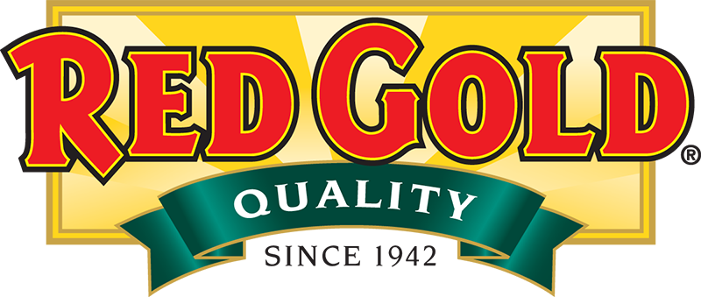
 | SCHOOL YEAR 2026/2027
 | Commodity Processing Calculator
 | Tomato Paste Totes USDA WBSCM Item Code 100332
 | GENERAL INFORMATION: FOR NET OFF INVOICE (NOI) COMMODITY PROCESSING METHOD

NOTE 1: USDA WBSCM Item Code 100332 / Tomato Paste For Bulk Processing.
The Pass Thru Value (PTV) or NOI (Net Off Invoice) discount amount has been determined based on the quantity of tomato paste in the products being offered under this program. 100332 values quoted for the SY2026/2027 were provided by FNS via the NMPA notification @ $0.6305 per pound or $25,156.95 per truckload of paste. The corresponding Pass Through Value Discount per case for each product is indicated above.
NOTE 2: The distributor you select to hold and manage your NOI Tomato Bank must be certified by Red Gold and approved to participate in the program by transmitting sales data on a timely basis (see www.k12foodservice.com for approved distributors). You must have a distributor selected no later than June 1, 2026 in order to have your banks loaded by July 1, 2026. You must also agree to view your account balance by logging on the www.k12foodservice.com website in order to complete sales verification and monitor balances.
NOTE 3: Some states and/or cooperatives may choose to obtain their purchase commitment on 100332 via an alternative unit quantity (i.e. 40 lbs, 400 lbs, etc). Please confirm the quantity amount being requested by your respective agency and order accordingly.

How to reach us . . . . .

RED GOLD, LLC. |  | Todd Holmes, MBA, SNS
P.O. Box 83 |  | National Sales Manager -
...

SY2627 ELIGIBLE DISTRIB. BRANDS
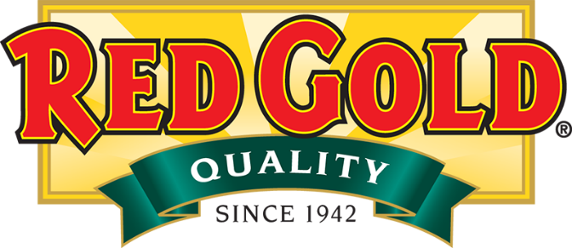
SCHOOL YEAR 2026/2027
Commodity Processing Program
Tomato Paste Totes USDA WBSCM Item Code 100332
ELIGIBLE DISTRIBUTOR BRANDS AND PRODUCTS: KETCHUP ONLY |  |  |  |  |  | $0.80

UNIT NET WEIGHT | PRODUCT DESCRIPTION - Distributor Brand (Produced Exclusively By Red Gold) | UPC CODE | RED GOLD ITEM NUMBER | RG EQUIVALENT ITEM NUMBER | Amount of Donated Food Per Case | Pass Thru Value Per Case

114 oz. | Culinary Secrets / IMA 33% Fancy Ketchup 6 / 114 oz. Pouches (6 / 7 lb. 2 oz.) | 22486-10078 | CULY572 | REDY572 | 9.02 | $7.20
14.5 lbs. | Culinary Secrets / IMA 33% Fancy Ketchup 2 / 1.5 gal. Pouches | 22486-18146 | CULY57D | REDY57D | 6.08 | $4.86
115 oz. | Culinary Secrets / IMA 33% Fancy Ketchup 6 / #10 Cans | 22486-10017 | CULY599 | REDY599 | 10.35 | $8.27
9 grams | Culinary Secrets / IMA 33% Fancy Ketchup 1,000 / 9 gm Portion Control | 22486-18086 | CULY59G | REDY59G | 4.35 | $3.47
...

