Instructions
Oregon achieves . . . together!
Supplemental WBSCM Direct Delivery Limited Catalog Worksheet for USDA Foods
School Year 2023-24
This is an optional tool to help Agencies pre-plan orders prior to entry into WBSCM

Column G:
This is the total number of cases for all months (sum of columns H to J)
Column H - J :
Enter number of cases desired for each product in blue cells for preferred delivery months.
The tab titled 'SY23-24 Supplemental Worksheet' shows the WBSCM products available, the date(s) each product will be delivered to the warehouse, and the estimated per case entitlement cost of each product. *However, when you enter your order into WBSCM, it will use the most recent average actual prices. Keep this in mind; WBSCM will display a more current average price and you may have to make adjustments.
2-STEP INSTRUCTIONS
1 - ENTER NUMBER OF CASES - AS INSTRUCTED IN RED
Column A:
USDA Foods Item
Column C:
USDA Foods Pack Size
Column E:
Average Entitlement Cost per Case*

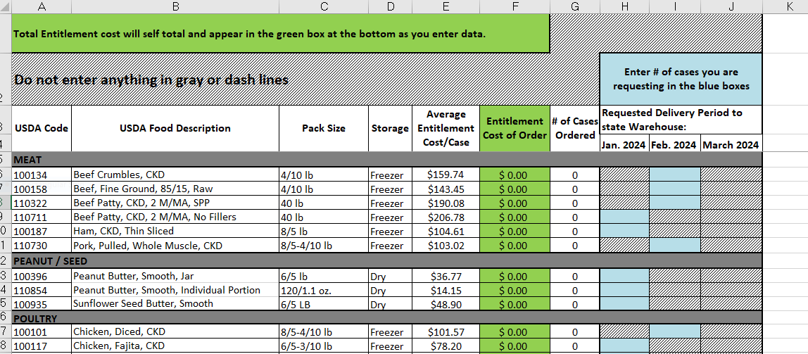

Column D:
Storage Type
Column F:
This is the total cost for each product line for all months (sum of columns J through R)
Column B:
Description includes link to USDA Foods Product information

2 - CHECK YOUR TOTAL ORDER, ENTER ENTITLEMENT AND SET-ASIDE AMOUNT - AS INSTRUCTED IN RED

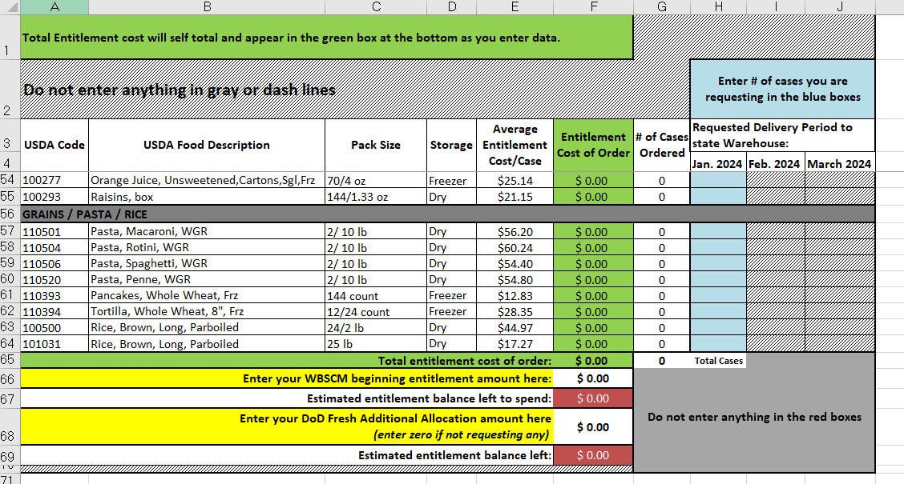

Line 65:
Total entitlement amount of product ordered (in green)

Line 81:
Enter beginning WBSCM entitlement amount in this box. You can access this by going to WBSCM>Reports>Entitlement Management>Entitlement/Bonus Summary Report. Enter Program/NSLP, Program Year 2024.

Line 67:
Subtracts line 65 from 66. This is your remaining balance that you need to either continue to spend by adding to worksheet or sending to USDA DoD Fresh

Line 68:
If participating, Enter DoD Fresh Additional Allocation you would like to request. It will subtract from balance on line 69 in red.

Line 69:
This is your final estimated entitlement balance left. It will subtract the DoD Fresh amount from line 67 balance
3- Links to Resources:
ODE USDA Foods website
WBSCM
ODE DoD Frash Additional Allocation Request Form

