Sheet1
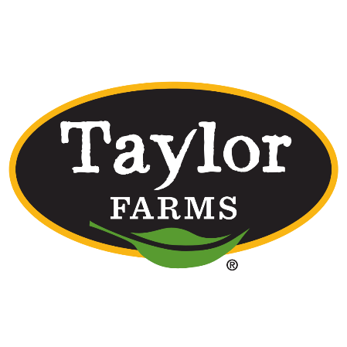
Taylor Farms School Commodity Calculator
 |  |  |  |  |  |  |  |  |  |  |  |  |  | SY 26-27

FRESH CUT
110149 | Raw Whole Apples For Processing - Bulk
Product Code | Description | Net Weight Per Case | Serving Size | Total Servings Per Case | Total Servings Per Bag | Average Weekly Servings | Estimated Annual Servings/yr (32 Weeks) | Estimated Number of Finished Cases/yr (32 weeks) | USDA Inventory Drawdown lbs per case | Raw Pound Value | USDA Value Per Case | Total Raw Pounds Needed | USDA Value Per Case | Total Dollar Value
126181 | 100ct 2.0oz Fresh Sliced Apple | 12.50 | 2.00 | 100.00 | 1 |  | 0 | 0 | 11.66 | $0.3285 | $3.83 | - | $3.83 | $-
126182 | 10-1 lbs Bulk Fresh Sliced Apple | 10.00 | 2.00 | 80.00 | 8 |  | 0 | 0 | 9.33 | $0.3285 | $3.06 | - | $3.06 | $-
127435 | 200ct 2.0oz Fresh Sliced Apple | 25.00 | 2.00 | 200.00 | 1 |  | 0 | 0 | 23.32 | $0.3285 | $7.66 | - | $7.66 | $-
127497 | 100ct 2.0oz Fresh Sliced Green Apple | 12.50 | 2.00 | 100.00 | 1 |  | 0 | 0 | 11.66 | $0.3285 | $3.83 | - | $3.83 | $-
127498 | 10-1 lbs Bulk Fresh Sliced Apple Green | 10.00 | 2.00 | 80.00 | 8 |  | 0 | 0 | 9.33 | $0.3285 | $3.06 | - | $3.06 | $-
127499 | 200ct 2.0oz Fresh Green Sliced Apple | 25.00 | 2.00 | 200.00 | 1 |  | 0 | 0 | 23.32 | $0.3285 | $7.66 | - | $7.66 | $-
128646 | 100ct 3.0oz Fresh Sliced Apple | 18.75 | 3.00 | 100.00 | 1 |  | 0 | 0 | 17.49 | $0.3285 | $5.75 | - | $5.75 | $-
Total for 110149 |  |  |  |  |  |  |  |  |  |  |  | - |  | $-
 |  |  |  |  |  |  | Total pounds 110149 to order for fresh-cut |  |  |  |  | -

