Instructions

Oregon achieves . . . together!
WBSCM Direct Delivery Catalog Worksheet for USDA Foods
School Year 2022-23
This is an optional tool to help Agencies pre-plan orders prior to entry into WBSCM

Column S - U:
Enter desired cases for first quarter seasonal Fruits & Veggies for delivery July-September 2022. These costs will not be included in SY 2021-22 entitlement, but rather 2022-23 entitlement. There is a separate calculation box on line 81.
The tab titled 'SY 2022-23 Catalog Worksheet' shows the WBSCM products available, the date(s) each product will be delivered to the warehouse, and the estimated per case entitlement cost of each product. *However, when you enter your order into WBSCM, it will use the most recent average actual prices. Keep this in mind; WBSCM will display a more current average price and you may have to make adjustments.
2-STEP INSTRUCTIONS
1 - ENTER NUMBER OF CASES - AS INSTRUCTED IN RED
Column C:
USDA Foods Pack Size
Column E:
Average Entitlement Cost per Case*
Column H:
This is the total number of cases for all months (sum of columns J to R)
Column J - R:
Enter number of cases desired for each product in blue cells for preferred delivery months.
Column A:
USDA Foods Item
Column B:
Description includes link to USDA Foods Product information
Column D:
Storage Type
Column G:
This is the total cost for each product line for all months (sum of columns J through R)
Column I:
This is optional. Enter quantities of first quarter seasonal Fruit & Veggie products arriving July-September 2022 that were ordered last year. These will be included in the total entitlement calculation on line 78. You can access these orders/cost by going to WBSCM>Reports>Entitlement Management>RA Entitlement/Bonus Detail Report. Enter Program/NSLP, Program year/2022.

2 - CHECK YOUR TOTAL ORDER, ENTER ENTITLEMENT AND SET-ASIDE AMOUNT - AS INSTRUCTED IN RED

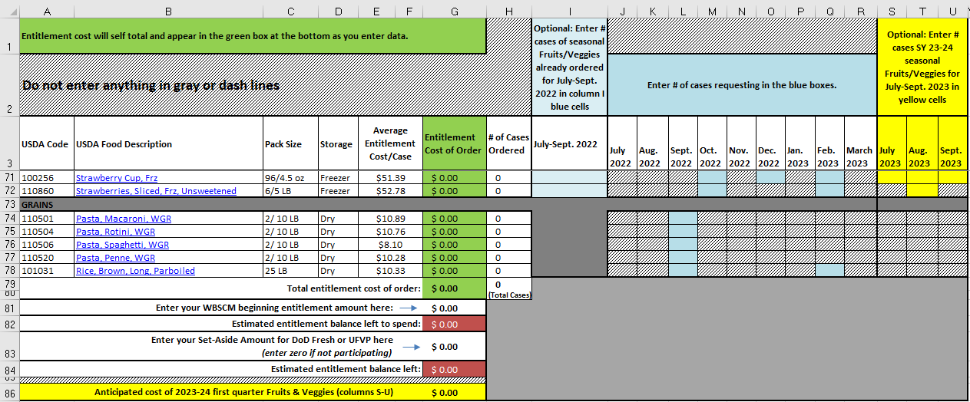

Line 79:
Total entitlement amount of SY 2022-23 product ordered

Line 81:
Enter beginning WBSCM entitlement amount in this box. You can access this by going to WBSCM>Reports>Entitlement Management>Entitlement/Bonus Summary Report. Enter Program/NSLP, Program Year 2023.

Line 82:
Subtracts line 79 from 81. This is your remaining balance that you need to either continue to spend by adding to worksheet or sending to USDA DoD Fresh or Unprocessed F&V Pilot.

Line 83:
If participating, Enter USDA DoD Fresh or Unprocessed F&V Pilot Funds you've already set-aside. It will subtract from balance on line 84 in red.

Line 86:
Optional Field. This is the total anticipated costs of products ordered on columns S-U for first quarter seasonal Fruits & Veggies for delivery July-September 2023. This is for information only, as anything ordered in WBSCM for these months will not come from SY 2022-23 entitlement, rather SY 2023-24.
Line 84:
This is your final estimated entitlement balance left. It will subtract the set-aside amount from line 82 balance
3- Links to Resources:
ODE USDA Foods website
WBSCM
ODE USDA DoD Fresh & Pilot Entitlement Request Form

