Introduction
USDA Foods Cost Analysis Tool

This tool can be used to assist SFAs in assessing the cost effectiveness of USDA Foods vs. purchasing a equivalent commercial product. Effectively assessing your financial assets can help to ensure that you are effectively using your financial resources. This tool contains a number of worksheets: |  | 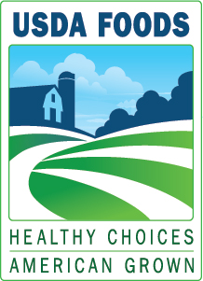

 | Direct Delivery Analysis: to compare Direct Delivered USDA Foods (aka/Brown Box) with equivalent commercially purchased product
 | Processed USDA Foods Analysis: to compare Processed USDA Foods with equivalent commercially purchased product

Please carefully review the respective instructions for each type of analysis to ensure you enter the correct information into each field to get accurate results.

Jun-14

