OAM - Per Diem Rates
**For more information on Travel Riemburement, see https://www.oregon.gov/das/Financial/Acctng/Documents/40.10.00.pdf

GSA Website https://www.gsa.gov/travel/plan-book/per-diem-rates/per-diem-rates-lookup

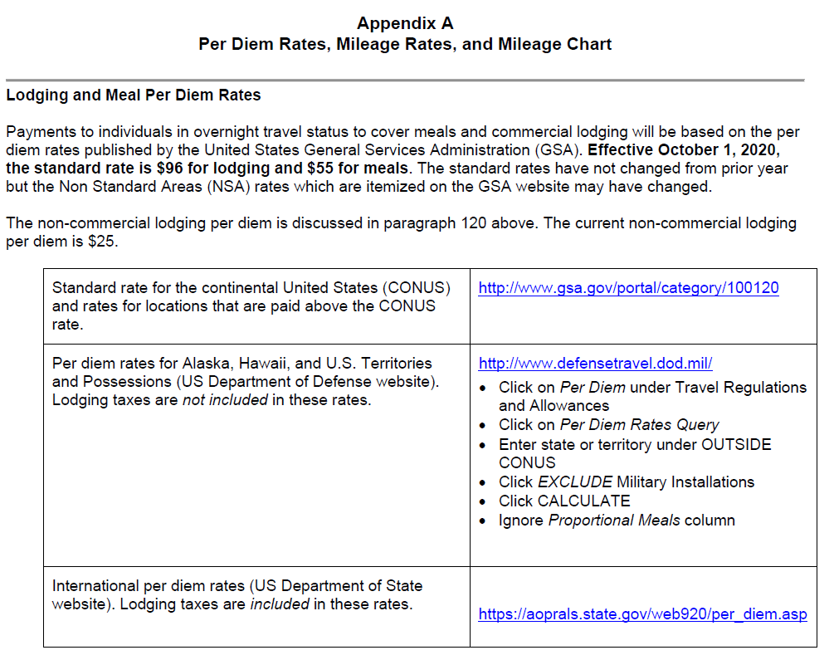
** Disclosure: You are required to check links for current GSA Per Diem Rates prior to submission

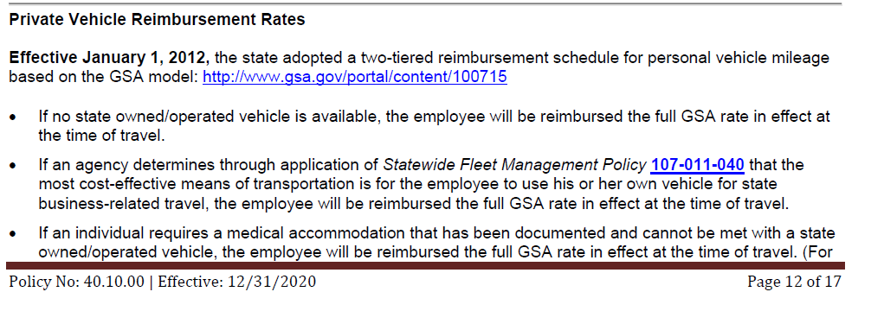

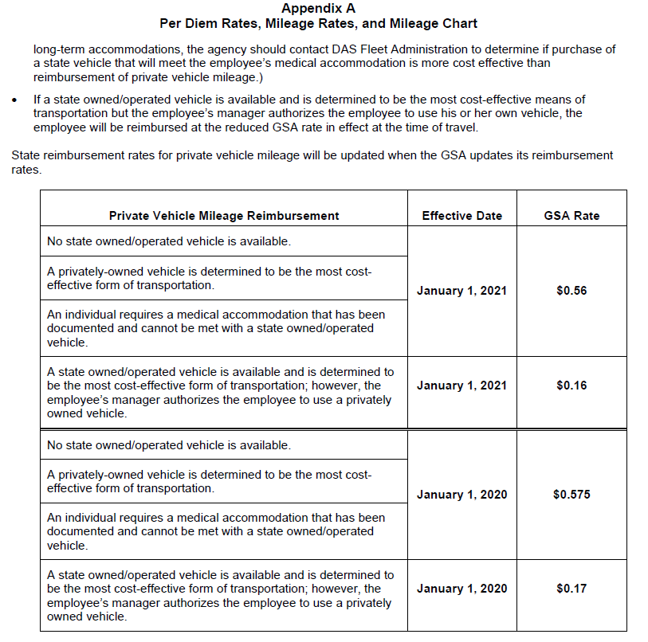

Other Resources
Consultant Invoice Resources | Location
Consultant Invoice Requirments Standard | https://www.oregon.gov/odot/Business/Procurement/Pages/PSK.aspx
T&M Invoice Requirements Checklist
Fixed Price Invoice Requirements Checklist
Cost Plus Fixed Fee Invoice Requirements Checklist
Progress Report Example | Click on 'Cost, Billing Rate, & Compensation Related Forms'
T&M Invoice Example
Fixed Price Invoice Example

