Supporting Documentation
Mileage Report
Date | Person Traveling | Location | Travel Reason | Odometer Start | Odometer End | Total Miles
2020-09-12 | Davis, Sammie | Lincoln City to Salem | Site Visit | 34480 | 34530 | 50
2020-09-14 | Davis, Sammie | Salem to Lincoln City | Site Visit | 34530 | 34580 | 50

 |  |  |  |  | Total Miles | 100

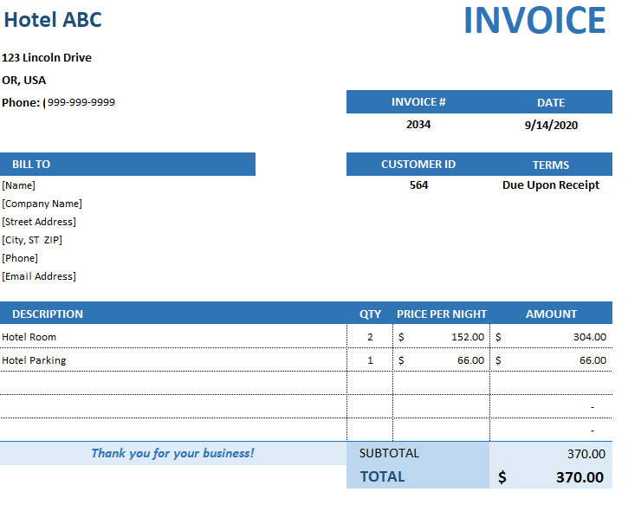

OAM - Per Diem Rates
**For more information on Travel Riemburement, see https://www.oregon.gov/das/Financial/Acctng/Documents/40.10.00.pdf

GSA Website https://www.gsa.gov/travel/plan-book/per-diem-rates/per-diem-rates-lookup

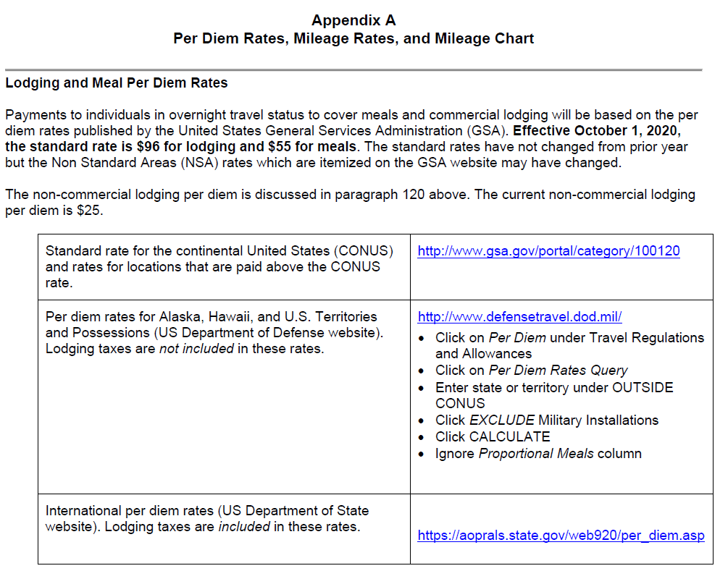
** Disclosure: You are required to check links for current GSA Per Diem Rates prior to submission

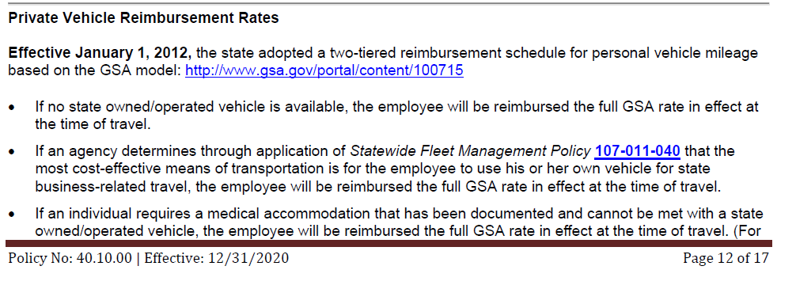

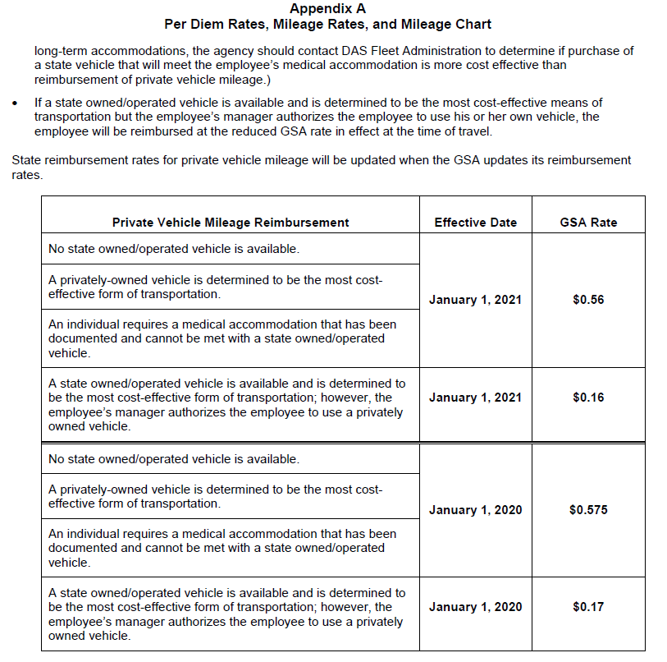

Other Resources
Consultant Invoice Resources | Location
Consultant Invoice Requirments Standard | https://www.oregon.gov/odot/Business/Procurement/Pages/PSK.aspx
T&M Invoice Requirements Checklist
Fixed Price Invoice Requirements Checklist
Cost Plus Fixed Fee Invoice Requirements Checklist
 | Click on 'Cost, Billing Rate, & Compensation Related Forms'

