Instructions
 | OREGON DEPARTMENT OF TRANSPORTATION
 | Highway Safety Projects
 | BENEFIT/COST ANALYSIS WORKSHEET
 |  |  |  | August 2023
Instructions
Worksheets

This spreadsheet contains following worksheets:

Worksheet Name |  |  | When to Use

Instructions |  |  | Current worksheet displaying overview and instructions on how to use this spreadsheet.

Cover |  |  | Required information in this worksheet must be filled in order to make auto calculation work on other worksheets.

BC Form by Severity |  |  | Use this worksheet if countermeasures targets all crash types. For example, Improve Signal Hardware ( Lenses, Reflectorized Back plates, Size, and Number) and Improve Intersection Warning (Stop Ahead Pavement Markings, Stop Ahead Signs, Larger Signs, Additional Stop Signs and/or Other Intersection Warning or Regulatory Signs)

BC Form by Type |  |  | Use this worksheet if countermeasures target a particular crash type(s) or severity(s). For example, installing lighting at an intersection will likely reduce the number of night time crashes.

Combination of BC's |  |  | Use this worksheet when both of the above are used for a particular project.

Corridor BC |  |  | Use this worksheet to calculate project benefit cost ratio when the project includes more than one segment/intersection.

Important: an interest rate of 5% has been used to calculate Present Worth Factor (PWF).

Cover

1. Complete project header information, as necessary. FHWA defines urban area as an area with population greater than 5,000.

2. Enter Road Character (Cell D20) and Facility Type (Cell F20) data from the drop-down menu. These data are required.

3. Enter Crash Data From and To (Cells N22 and S22) in the date (MM/DD/YYYY) format. These data are required.

BC Form by Severity

1. Most of the information on this page will be auto generated/calculated.

2. In Cell D32, pick a countermeasure from the drop-down list. Target crash type, target severity type, CRFs, and service life will be automatically populated in the respective cells. Pick countermeasures in Cells D34, D36, and D38, if more than one countermeasure is used.

3. Using ODOT-Reported Crashes ONLY, enter the number of crashes for each crash severity in Cells G45 thru G49 for the specified time period.

4. In Cell O58, enter estimated cost to implement the countermeasures shown in Cells D32 thru D38.

5. In Cell O61, enter annual maintenance and operation cost, if any, for the countermeasures shown in Cells D32 thru D38.

BC Form by Type

1. Most of the information on this page will be auto generated/calculated.

2. In Cell D31, pick a countermeasure from the drop-down list. Target crash type, target severity type, CRFs, and service life will be automatically populated in the respective cells. Pick countermeasures in Cells D33, D35, and D37, if more than one countermeasure is used.

3. For each countermeasure entered in Cells D31 thru D37, in Cells G41 thru G61 enter the number of crashes of target crash types for different severities (ODOT-Reported Crashes ONLY) for the specified time period. If you also used 'BC Form by Severity' for your project and the countermeasure(s) being used in the 'BC Form by Type' Worksheet apply to some of the same crashes used in the 'BC Form by Severity' Worksheet, the number of crashes that are expected to be reduced from the countermeasure(s) on the 'BC Form by Severity' Worksheet MUST be subtracted from the total number of crashes being used in the 'BC Form by Type' Worksheet. Input this reduced number of crashes in Rows G41 thru G61. See Example 1 below.

4. In Cell O73, enter estimated cost to implement the countermeasure(s) shown in Cells D31 thru D37.

5. In Cell O76, enter annual maintenance and operation costs for the countermeasures, if any, shown in Cell D31 thru D37.

Combination of BC's

Use this workbook ONLY if you use both 'BC Form by Severity' and 'BC Form by Type' workbooks for your project.

All information in this worksheet will be auto populated from the previous two worksheets.

Corridor BC

Use this workbook if different countermeasures are used on different intersections/segments/curves within the same corridor.

Before completing this worksheet, complete analysis for individual intersection/segment/curve using the appropriate worksheets mentioned above.

1. Complete project header information, as necessary. FHWA defines urban area as an area with population greater than 5,000.

2. Enter annual benefits, estimated cost, and the Present Worth Factor for each individual intersection/segment/curve in the Table. If multiple countermeasures with different service lives are used for an individual intersection/segment/curve, use the highest PWF for that intersection/segment/curve .

Note: Every intersection/segment/curve may or may not have the same PWF.

Example 1

Based on last five year’s data, following are observed crashes of an urban intersection (state highway and local road):
· Fatal: 1
· Injury A: 4 (1 ped crash)
· Injury B: 10 (2 ped crashes)
· Injury C: 15
· PDO: 28

As part of a safety project, following three countermeasures will be implemented at this intersection.

Countermeasure |  |  | Target Crash | Target Severity |  | CRF
I2 |  |  | All | All |  | 20%
I13 |  |  | All | All |  | 17%
BP1 |  |  | Pedestrian | All |  | 70%

Countermeasures listed above target different crash types; therefore, all three BC Worksheets must be utilized.

Since countermeasures I2 and I13 target all crash types and all severities, ‘BC Form by Severity’ worksheet will be used for these two countermeasures.

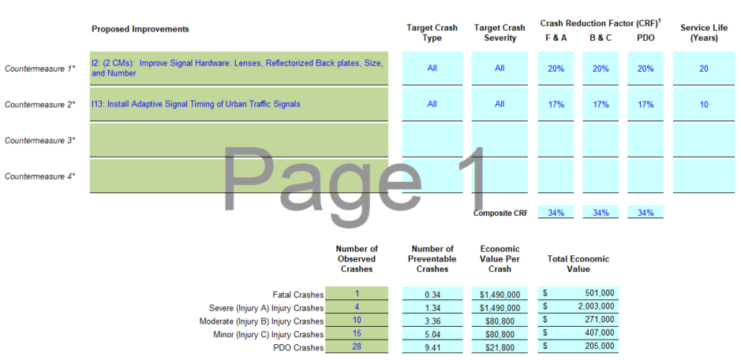

Countermeasure BP1 targets only Pedestrian crashes. So, ‘BC Form by Type’ and pedestrian crashes will be used for analysis. Since these Pedestrian crashes were also included in the calculation shown above, the reduced pedestrian crashes from the analysis above need to be subtracted from the subsequent calculation. The following pedestrian crashes shall be used in the 'BC Form by Type' Worksheet:

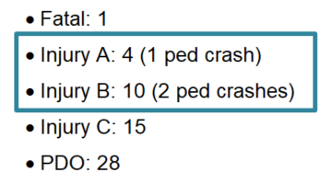
 |  |  | Recall from example:

 |  | Fatal & Inj A Crashes = 1-(1*0.34) = 0.66 |  |  | Injury B & C Crashes: 2-(2*0.34) = 1.32

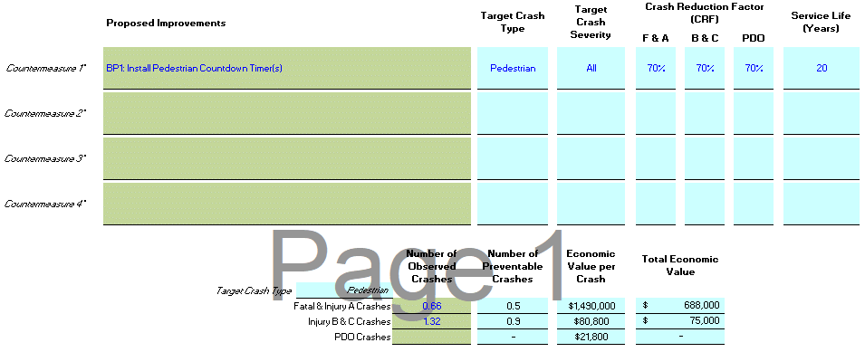

Contact

If you have any questions on this workbook, please contact:

Christina McDaniel-Wilson, PE, RSP1
State Traffic Safety Engineer
Oregon Department of Transportation
christina.a.mcdaniel-wilson@odot.state.or.us
(503) 986-3573

BC Form by Severity
OREGON DEPARTMENT OF TRANSPORTATION
HIGHWAY SAFETY PROJECTS
BENEFIT/COST ANALYSIS WORKSHEET

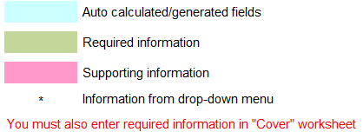

Project Name: |  |  |  |  |  |  |  |  | ODOT Region: |  |  |  | Date:

Project on Local Agency Facility
Street Name: |  |  | MP Range: |  |  |  |  |  | Cross Street:

Project on State Highway
Route Number: |  | Hwy Number: |  | Hwy Name: |  |  |  |  | MP From: |  |  |  | To:

Road Character: | Urban | Facility Type: | Other State Highway

County: |  | City: |  |  |  |  |  |  | Crash Data From: | 2017-01-01 |  |  | To: | 2021-12-31

Project Description:

Prepared By: |  |  |  |  |  | Title:

 | Proposed Improvements |  |  |  | Target Crash Type |  | Target Crash Severity |  | Crash Reduction Factor (CRF)1 |  |  |  |  | Service Life (Years)
 |  |  |  |  |  |  |  |  | F & A |  | B & C | PDO

Countermeasure 1* | H1: Median U-Turn Intersection Treatment |  |  |  | All |  | All Injury (Excludes PDO's) |  | 30% |  | 30% | 0% |  | 20

Countermeasure 2*

Countermeasure 3*

Countermeasure 4*

 |  |  |  |  |  |  | Composite CRF |  | 30% |  | 30% | 0%

 |  |  |  | Number of Observed Crashes | Number of Preventable Crashes |  | Economic Value Per Crash |  | Total Economic Value

 |  |  | Fatal Crashes | 1 | 0.30 |  | $3,691,600 |  | $1,107,000
 |  |  | Severe (Injury A) Injury Crashes |  | - |  | $3,691,600 |  | -
 |  |  | Moderate (Injury B) Injury Crashes |  | - |  | $182,400 |  | -
 |  |  | Minor (Injury C) Injury Crashes |  | - |  | $182,400 |  | -
 |  |  | PDO Crashes |  | - |  | $27,000 |  | -

 |  |  |  |  |  | Total Crash Value for | 60 | Months |  | = | $1,107,000
Comprehensive Economic Value per Crash 2,3
Highway Type | Urban | Rural
...

Combination of BC's
...
Road Character: | Urban |  | Facility Type: | Other State Highway

County: |  |  | City: |  |  |  |  | Crash Data From: | 2017-01-01 | to | 2021-12-31

Project Description:

Prepared By: |  |  |  |  |  |  | Title:

This worksheet is an auto-generated worksheet (i.e. no user input is required on this worksheet) when both "BC Form by Severity" worksheet and the "BC Form by Type" worksheet are used for a project.

 |  | From Severity Worksheet: | Annual Benefits= | - | Project Costs= | -
 |  | From Crash Type Worksheet: | Annual Benefits= | - | Project Costs= | -

 |  |  | B/C Ratio = | -

Corridor BC
...
Date:
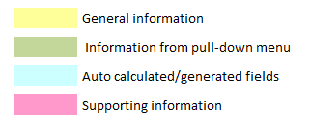
...
To:
...

