Guidance
Email the program with questions and/or feedback: |  | Threat Risk Response Actions
Select link >>>> | PRM@ODOT.state.or.us
 |  | Avoid: | “Risk avoidance is when the project team acts to eliminate the threat or protect the project from its impact (reducing the probability of occurrence of a risk to 0%). [Risk avoidance] may be appropriate for high-priority threats with a high probability of occurrence and a large negative impact” (PMI, 2017). “There are two types of avoidance action: (1) remove the cause of the risk (risk trigger), or (2) execute the project in a different way while still aiming to achieve project objectives. Not all risks can be avoided or eliminated, and for others this approach may be too expensive or time-consuming. However, this should be the first strategy considered for each risk and should be the primary strategy for high probability or high impact risks” (Hillson, 2004). Avoidance action should be taken on risks that have a high probability of occurrence and a high impact on project objectives.

Proper use of this tool assumes familiarity with Project Risk Management concepts. A guide has been developed to assist users in managing projects risks:

https://www.oregon.gov/ODOT/Engineering/Pages/VE-RM.aspx

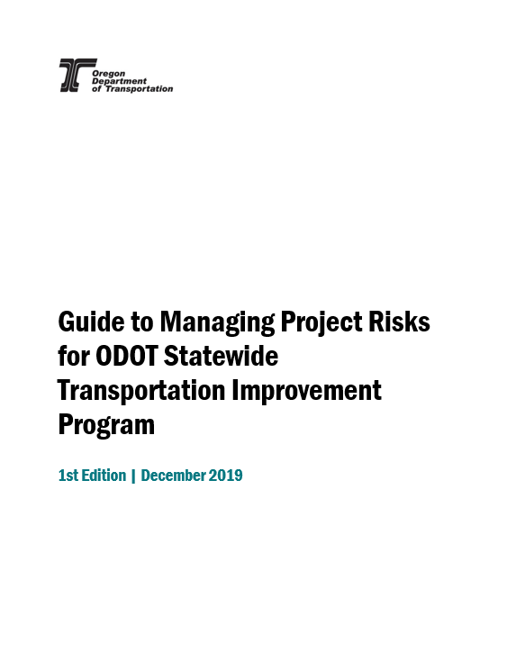

 |  | Transfer: | “Transfer involves shifting ownership of a threat to a third party to manage the risk and to bear the impact if the threat occurs. Risk transfer often involves payment of risk premium to the party taking on the threat. We can transfer risk through a range of actions that include, but are not limited to, the use of insurance, performance bonds, warranties, guarantees and so on. Agreements may be used to transfer ownership and liability for specified risks to another party” (PMI, 2017).

 |  | Mitigate: | Take risk response action to reduce impact or probability of occurrence of a risk event. “In risk mitigation, we take action to reduce the probability of occurrence and/or impact of the threat” (PMI, 2017). This is the most common risk response strategy.

 |  | Accept: | Risk acceptance acknowledges the existence of a threat, but no proactive action is taken. This strategy may be appropriate for low-priority threats, and it may also be adopted where it is not possible or cost-effective to address a threat in any other way. Acceptance can be either active or passive. “The most common active acceptance strategy is to establish a contingency reserve, including amounts of time, money, or resources to handle the threat if it occurs. Passive acceptance involves no proactive action apart from periodic review of the threat to ensure that it does not change significantly” (PMI, 2017). “Risks that are uncontrollable (no response actions are practical) are also accepted” (Hillson, 2004). Acceptance is a common strategy for risks that have a low probability of occurrence. However, accepted risks that have a very low to low probability of occurrence and very high to extreme impact on project objectives should be closely monitored, as they can have devastating consequences to a project. These occurrences are known as black swan events.

 |  | Opportunity Risk Response Actions

 |  | Exploit: | The exploit strategy may be selected for the high-priority opportunities where the organization wants to ensure that the opportunity is realized. This strategy seeks to capture the benefit associated with a particular opportunity by ensuring that it definitely happens, increasing the probability of occurrence to 100%. “Examples of exploiting responses may include assigning an organization’s most talented resources to the project to reduce the time to completion, or using new technologies or technology upgrades to reduce cost and duration” (PMI, 2017). Opportunity risks that have high positive impact on project objectives, known as golden opportunities, should be exploited.

 |  | Share: | Sharing involves transferring ownership of an opportunity to a third party so that it shares some of the benefit if the opportunity occurs. It is important to select the new of owner of a shared opportunity carefully so they are best able to capture the opportunity for the benefit of the project. “Risk sharing often involves payment of a risk premium to the party taking on the opportunity. Examples of sharing actions include forming risk-sharing partnerships, teams, special-purpose companies, or joint ventures” (PMI, 2017). “Transferring threats and sharing opportunities are similar in that a third party is used. Those to whom threats are transferred take on the liability and those to whom opportunities are allocated should also be allowed to share in the potential benefits” (Hillson, 2004). Avoidance action should be taken on risks that have a high probability of occurrence and a high impact on project objectives.

 |  | Enhance: | The enhance strategy is used to increase the probability and/or impact of an opportunity. Early enhancement action is often more effective than trying to improve the benefit after the opportunity has occurred. “The probability of occurrence of an opportunity may be increased by focusing attention on its causes. Where it is not possible to increase probability, an enhancement response might increase the impact by targeting factors that drive the size of the potential benefit” (PMI, 2017). “This response aims to modify the size or scope of the positive risk. We enhance the opportunity by increasing its probability, impact or both, thereby maximizing benefits realized for the project. If the probability can be increased to 100% this is effectivity an exploit response” (Hillson, 2004).

 |  | Accept: | Accepting an opportunity acknowledges its existence, but we do not take proactive steps to realize it. “This strategy may be appropriate for low-priority opportunities, or those in which it is not possible or cost-effective to address an opportunity in any other way” (PMI, 2017).

