ZoneConfigurationTable
332S default cabinet input configuration (radar using SDLC, standard Device, Phase, and Function are shown) |  |  |  |  |  |  |  |  |  | Instructions: Signal Timer - for standard detection zone set up (using SDLC, with an ATC controller), place an "x" in column A only (blue shaded area). Changes to the "device", "function", or "phase" is allowed as deemed necessary to accomidate site specific detection needs (note: any changes made to these default standards will be highlighted yellow to make them standout). If SDLC is NOT used or if there is mixed detection (e.g. loops and SDLC), place an "x" in column A AND column B when a device will be installed in the input slot (blue shaded area). If loops are used, write "Loop" in the "Device" column. Columns O through R can be customized as needed. Place an "x" in the blue shaded cells of Row 10 if the column is used. Note: this worksheet is formatted to properly print the table for field use if desired. Signal Designer - after signal timer has filled out table, just click then paste selection into Microstation Connect cabinet print detector sheet. To see the entire table again, click on "show entire table".

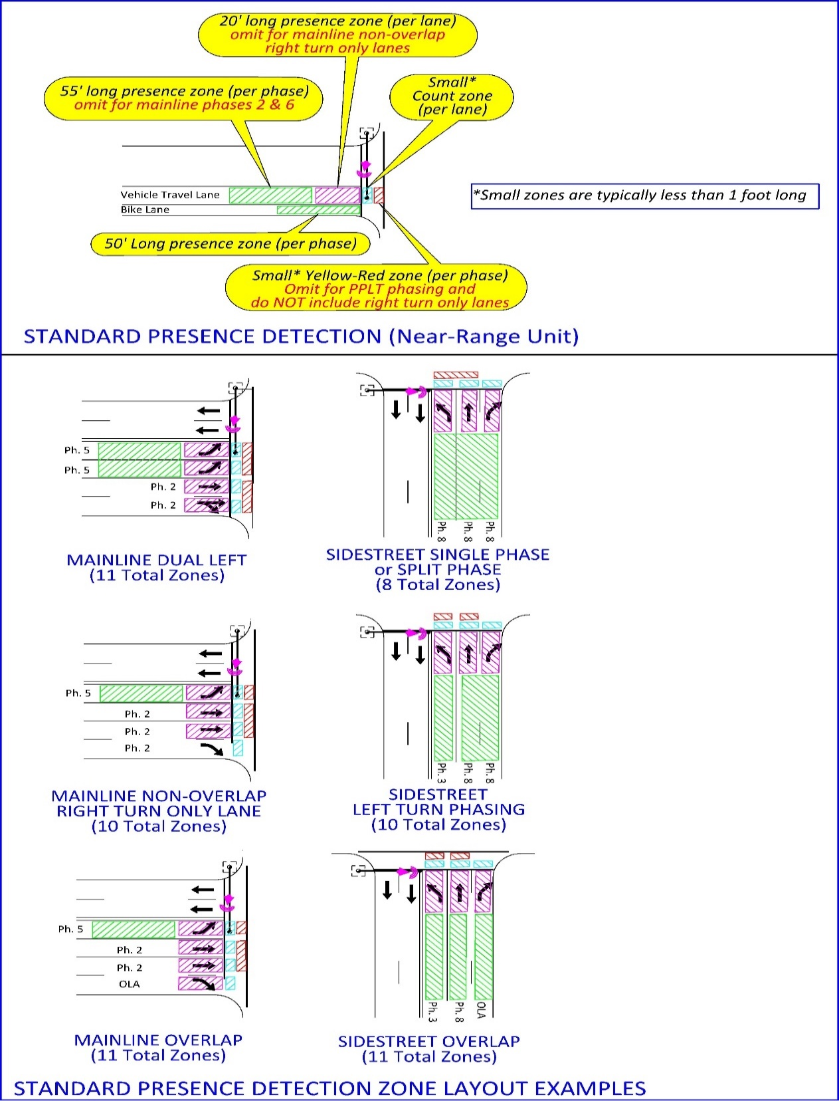
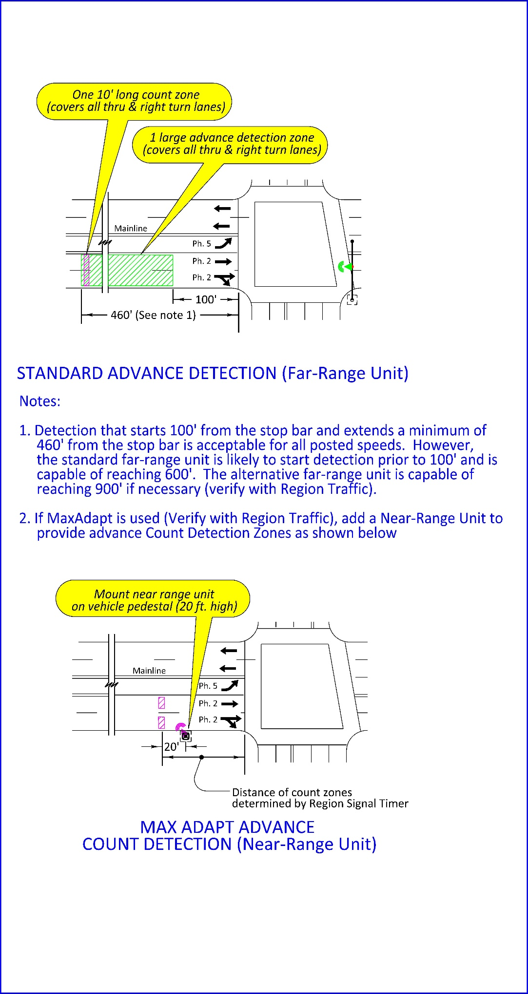
 |  |  | Intersection:

 |  |  | TSSU ID: |  | Highway: |  | Milepoint:

 |  |  |  |  |  |  | Place"x" if Column is used
Place "x" if MT# is used | place "x" input slot is used | slot reference | Device | Phase | Function | MT # | BIU or INPUT SLOT | software zone | software channel
 |  | I3U | A | 2 |  | 2 | 9
 |  | I3L | A | 2 |  | 3 | 9
 |  | I4U | A | 2 |  | 4 | 9
 |  | I4L | A | 2 |  | 5 | 9
 |  | I5U | A | 2 |  | 6 | 9
 |  | I5L | A | 2 |  | 31 | 10
 |  |  | A | 2 | YR* | 42 | 11
 |  | J1U | A | 5 |  | 15 | 9
 |  | J1L | A | 5 |  | 27 | 10
 |  | J2U | A | 5 |  | 35 | 11
 |  | J2L | A | 5 |  | 36 | 11
 |  |  | A | 5 | YR* | 45 | 11
 |  | I8U | B | 4 |  | 8 | 9
 |  | I8L | B | 4 |  | 9 | 9
 |  | I9U | B | 4 |  | 10 | 9
 |  | I9L | B | 4 |  | 11 | 9
 |  | I10U | B | 4 |  | 12 | 9
 |  | I10L | B | 4 |  | 34 | 11
 |  |  | B | 4 | YR* | 44 | 11
 |  | J6U | B | 7 |  | 21 | 10
 |  | J6L | B | 7 |  | 28 | 10
 |  | J7U | B | 7 |  | 38 | 11
 |  | J7L | B | 7 |  | 39 | 11
 |  |  | B | 7 | YR* | 47 | 11
 |  | I1U | C | 1 |  | 1 | 9
 |  | I1L | C | 1 |  | 13 | 9
 |  | I2U | C | 1 |  | 29 | 10
 |  | I2L | C | 1 |  | 30 | 10
 |  |  | C | 1 | YR* | 41 | 11
 |  | J3U | C | 6 |  | 16 | 9
 |  | J3L | C | 6 |  | 17 | 10
 |  | J4U | C | 6 |  | 18 | 10
 |  | J4L | C | 6 |  | 19 | 10
 |  | J5U | C | 6 |  | 20 | 10
 |  | J5L | C | 6 |  | 37 | 11
 |  |  | C | 6 | YR* | 46 | 11
 |  | I6U | D | 3 |  | 7 | 9
 |  | I6L | D | 3 |  | 14 | 9
 |  | I7U | D | 3 |  | 32 | 10
 |  | I7L | D | 3 |  | 33 | 11
 |  |  | D | 3 | YR* | 43 | 11
 |  | J8U | D | 8 |  | 22 | 10
 |  | J8L | D | 8 |  | 23 | 10
 |  | J9U | D | 8 |  | 24 | 10
 |  | J9L | D | 8 |  | 25 | 10
 |  | J10U | D | 8 |  | 26 | 10
 |  | J10L | D | 8 |  | 40 | 11
 |  |  | D | 8 | YR* | 48 | 11
 |  |  | E | 2 | A* | 49 | 11
 |  |  | E | 2 | CO* | 50 | 12
 |  |  | F | 4 | A* | 53 | 12
 |  |  | F | 4 | CO* | 54 | 12
 |  |  | G | 6 | A* | 51 | 12
 |  |  | G | 6 | CO* | 52 | 12
 |  |  | H | 8 | A* | 55 | 12
 |  |  | H | 8 | CO* | 56 | 12
 |  |  |  |  | misc | 57 | 12
 |  |  |  |  | misc | 58 | 12
 |  |  |  |  | misc | 59 | 12
 |  |  |  |  | misc | 60 | 12
 |  |  |  |  | misc | 61 | 12
 |  |  |  |  | misc | 62 | 12
 |  |  |  |  | misc | 63 | 12
 |  |  |  |  | misc | 64 | 12

