Sheet1
Field Verification of Light Pole Length/Height

PROJECT NAME: |  | CONTRACT No.:
DATE: |  | PREPARED BY:
POLE Number/Station: |  | LOCATION:
 | Known Parameters:
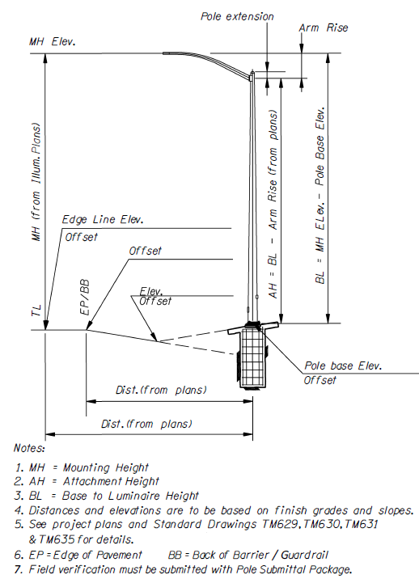
 | Elevation at TL/EP/BB |  | 100.0 | ft
 | Mounting height of Luminaire |  | 40.0 | ft
 | Arm length |  | 15.0 | ft
 | Arm rise (See TM629 below) |  | 5.8 | ft
 | Pole's offset from Illum. Plans |  | 30 | ft
 | Elevation at pole base |  | 105.0 | ft

 | Calculated Parameters:
 | Elevation at Luminaire |  | 140.0 | ft
 | BL |  | 35.0 | ft
 | AH |  | 29.2 | ft
 | Pole length |  | 29.7 | ft
 | (=AH+Pole extension (6"))

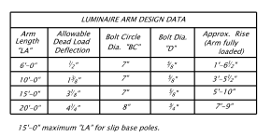

 |  | (From ODOT Standard Dwg TM 629)

 | For PM office use:
 | Date received from Contractor |  | 2024-04-15
 | Date reviewed by PM office |  | 2024-04-15
 | Date sent to Illumination Engr. |  | 2024-04-15
 | Date received from Illum Engr. |  | 2024-04-15
 | PM office processed by (name) |  | E K

