Notes
Most of this calculator is based on the published 2010 Highway Capacity Manual roundabout |  |  |  |  |  | Cells not shaded are likely input cells.
automobile analysis methodology and may not be valid if there is an HCM update. |  |  |  |  |  | On Singlelane tab look for red cells

An engineer is responsible for decisions and judgement, this is meant to be a starting point. |  |  |  |  |  | In an effort to help the user to avoid input errors, a cell may turn red if:
The studied data set did not include large percentages of: pedestrians, trucks, or bicycles. |  |  |  |  |  |  | A bicycle, medium, or heavy truck volume larger than hourly total
 |  |  |  |  |  |  | A number of legs greater than four or smaller than 3
Order of Use | Use tabs in the order they appear |  |  |  |  |  | 4 legs entered without 4 selected movements greater than zero
Notes | Instructions/clarifications |  |  |  |  |  | Study portion of an hour is over 1.0
Input | Geometric and volume input, Make changes in Input tab.
Singlelane | General information input, user checks inputs, roundabout analysis output |  |  |  |  | Input:
Bypasslane | Bypass lane analysis (if needed) & roundabout anaylsis with bypass |  |  |  |  | Analyst name |  | Project
2ndBypasslane | 2ndBypass lane analysis (if needed) & roundabout anaylsis with 2 bypasses |  |  |  |  | Agency |  | Street names
3rd and 4th Bypasslanes | Bypass lane analysis (if needed) & roundabout anaylsis with 3 or 4 bypasses |  |  |  |  | Date |  | Year

General & Roundabout Information |  |  |  |  |  | Roundabout Information:
Fill in the input sheet, recommendations may be in grey to the right. Passenger Car Equivalent (PCE): ODOT |  |  |  |  |  | number of legs, use pull down
recommends bicycles =1, medium trucks =1.5, heavy trucks =2. WB67, buses, and other vehicles of such |  |  |  |  |  | portion of an hour studied (0.25 is recommended)
length should be considered heavy trucks. If hour is to be PHF adjusted, then input 0.25 for portion of an hour. |  |  |  |  |  | Passenger Car Equivalents (ODOT recommended values to the right in grey):
 |  |  |  |  |  | bicycle
 |  |  |  |  |  | medium trucks
Volumes, PCEs, and Headways |  |  |  |  |  | heavy trucks
For all vehicles, enter hourly movement volumes on the Input tab, as well as Peak Hour Factors (PHF). |  |  |  |  |  | number of pedestrian crossings of each approach in the studied hour
 |  |  |  |  |  | PHF
Input separate hourly volumes of medium and heavy trucks. Vehicle length or number of axles could determine |  |  |  |  |  | hourly movement volumes
classification. With these and bicycle inputs, the PCEs are automatically applied. This can change due to
future land use or facility type changes. For such a case, PCE or PHF values can be manually overridden.

Headways are entered at the lower right corner of the Input tab. The recommended headways for Bend, OR
and the rest of Oregon are shown in grey to the right of the input location. |  |  |  |  |  | Disclaimer:
This calculator is provided to you by the Oregon Department of Transportation (ODOT) "as is" without warranty of any kind. ODOT makes no warranties, either express or implied, including, but not limited to the implied warranties of merchantability, fitness for a particular purpose, and noninfringement. The entire risk as to the quality and performance of this calculator is with you. You are advised to test use of the calculator thoroughly before you rely on it. The author and ODOT disclaim all liability for direct, indirect or consequential damages, arising out of your use of the calculator .
Single Lane Roundabouts
This spreadsheet computes:

- Entry capacity | - Ped impedance |  | - Conflict flow |  | - Approach LOS
- Approach Delay | - Leg v/c ratio |  | - Intersection LOS |  | - Intersection delay
These calculations are mostly 2010 HCM based, but results may differ if inputs vary from HCM depending
on user input. For instance, ODOT recommends PCEs of 1 for bicycles, 1.5 for medium trucks, and 2 for
heavy trucks. HCM does not have these PCE inputs at this time.
 |  |  |  |  |  | If there are questions or issues with the Single Lane Roundabout Calculator, please contact:
Bypass Lanes |  |  |  |  |  | Oregon Dept of Transportation, Transportation Planning Analysis Unit
If considering a bypass lane, input the leg the bypass approach would be from on the Bypasslane tab and if it
is a yielding or nonyielding bypass; bypass calculations will be shaded over if a nonyielding bypass is chosen.

- Bypass capacity (veh/h) |  | - Bypass Flow Rates (veh/h) |  | - Bypass v/c ratio
- Bypass Control Delay (sec/veh) |  | - Bypass LOS
See tab for considerations of bypass types. If a V/C output is over 1.0, then that cell is highlighted yellow. The
second printed page (same tab) shows roundabout analysis with the bypass taken into account.

Analyze a second bypass lane with the next tab, 2ndBypasslane. The second printed page (same tab) is the
roundabout analysis with both bypasses taken into account. If a third or fourth bypass lane would be of benefit,
then use those tabs much like the 2ndBypass tab.

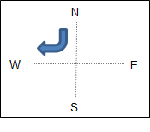
Dismiss:
North leg bypass |  |  |  |  |  | A Policy on Geometric Design of Highways and Streets, Figure 9-70 Basic Geometric Elements of a Roundabout

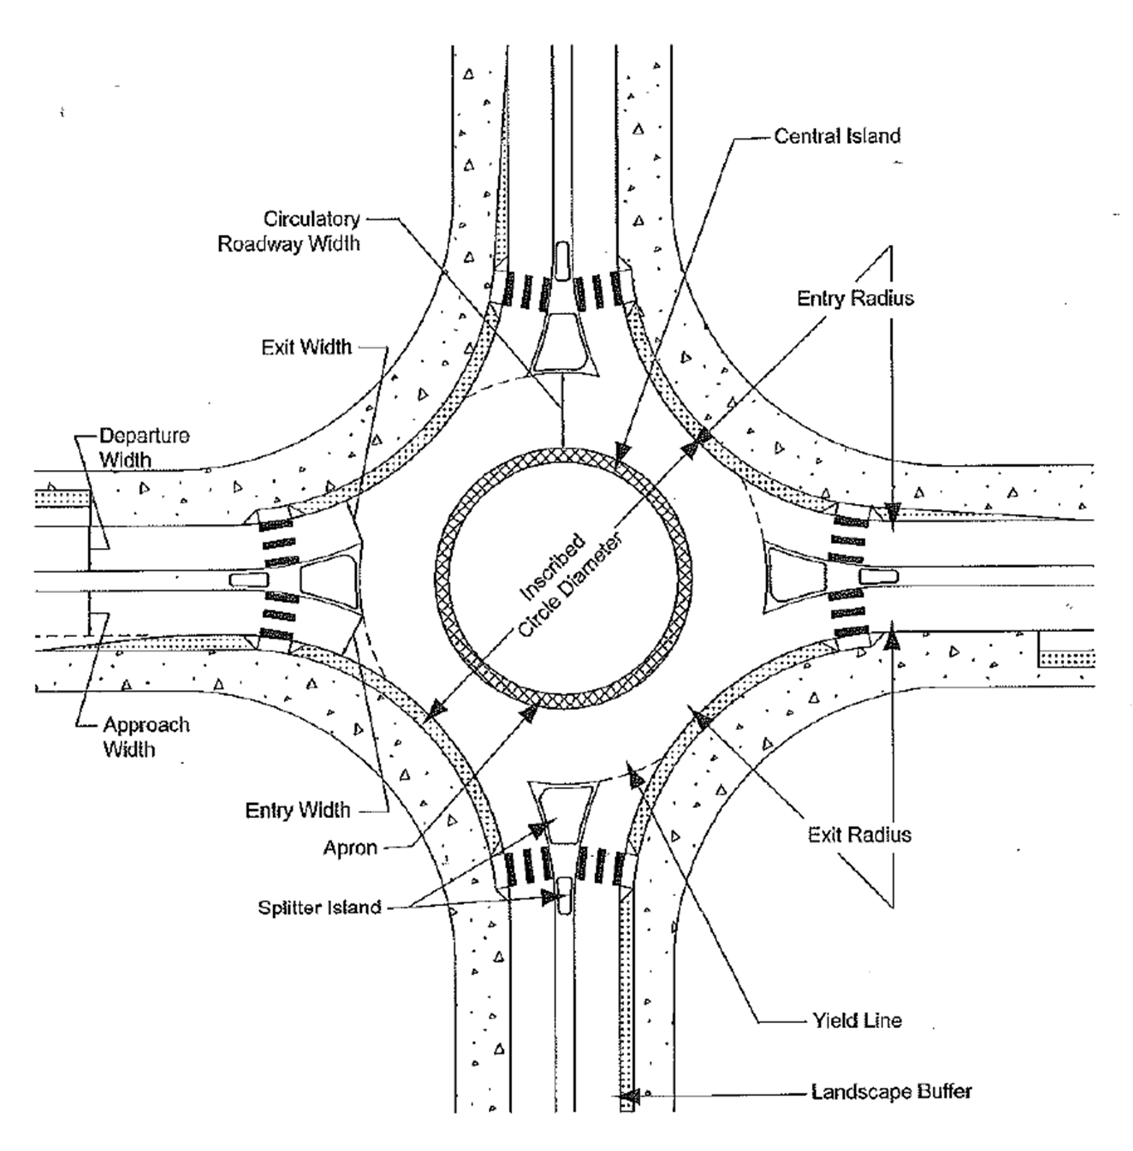

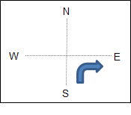
South leg bypass

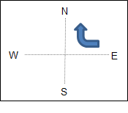
East leg bypass

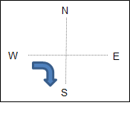
West leg bypass

Input
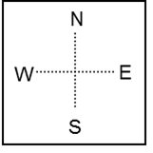
Roundabout Input |  |  |  |  |  | Rec |  |  |  |  |  |  |  |  |  |  |  | This does not print:
3 or 4 legs |  |  |  |  | 4 | 3 or 4
Portion of an hour: |  |  |  |  | 0.25 | 0.25 or 1 |  |  | Pedestrian Crossings |  |  |  |  |  |  |  |  | PHF, by definition of the HCM equation, is limited to 0.25 – 1.00 by calculation.
Start of peak hour |  |  |  | 0 | 00 | PM
 |  |  |  |  |  |  |  |  |  |  |  |  |  |  |  |  |  | TPAU is following the spirit of HCM equation 18-1 by not letting PHFs exceed 1.0 at an intersection level where movement PHF is appropriate.
 |  |  |  |  | Hourly volumes |  |  |  |  |  |  |  |  |  |  |  | PHF

 |  |  | Peak Hour Factor | 0.00 | 0.00 | 0.00 | 0.00 |  |  |  |  |  | All vehicles | Bicycles | Medium Trucks | Heavy Trucks
 |  |  | (PHF)
 |  |  | Heavy trucks | 0 | 0 | 0 | 0
 |  |  |  |  |  |  |  |  | 0
 |  |  | Medium trucks | 0 | 0 | 0 | 0
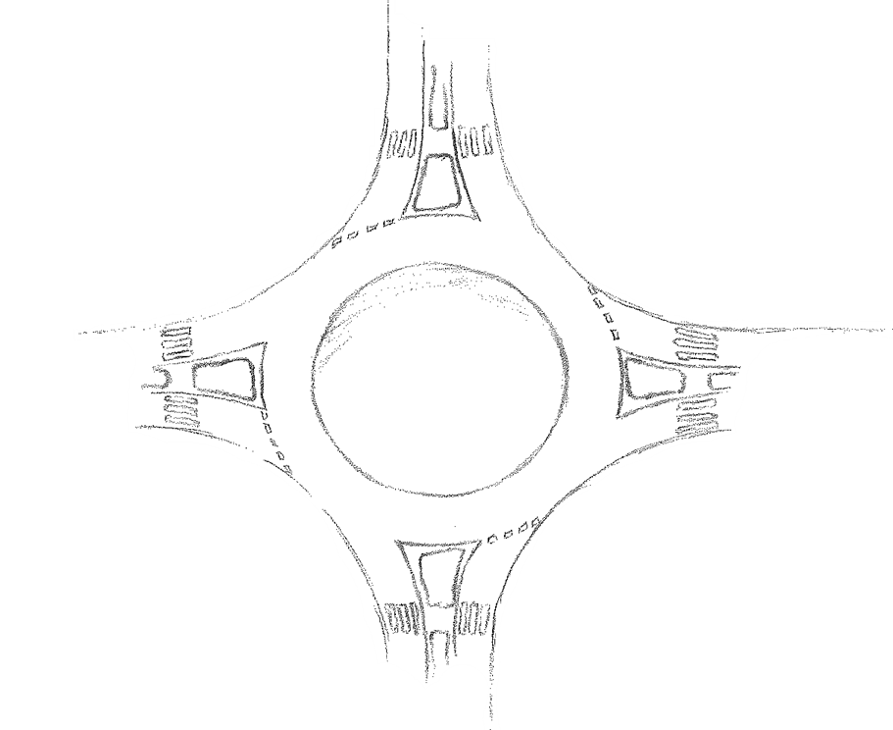
 |  |  | Bicycles | 0 | 0 | 0 | 0 |  |  |  |  |  | 0 | 0 | 0 | 0 | 0.00

 |  |  | All vehicles | 0 | 0 | 0 | 0 |  |  |  |  |  | 0 | 0 | 0 | 0 | 0.00

 |  |  |  |  |  |  |  |  |  |  |  |  | 0 | 0 | 0 | 0 | 0.00

 |  |  |  |  |  |  |  |  |  |  |  |  | 0 | 0 | 0 | 0 | 0.00

 |  |  |  |  |  |  |  |  |  |  |  |  |  |  |  |  |  | hour count
0 | Pedestrian crossings |  |  |  |  |  |  |  |  |  |  |  |  |  |  |  |  |  |  | 0
 |  |  |  |  |  |  |  |  |  |  |  |  |  |  |  |  |  | divided by |  |  |  | #DIV/0!

 |  |  |  |  |  |  |  |  |  |  |  |  |  |  |  |  |  | peak 15 min count | 0 | X | 4
 |  |  |  |  |  |  |  |  |  |  |  |  |  | East Leg:
 |  |  |  |  |  |  |  |  |  |  |  |  |  | 0

 |  |  |  |  |  |  |  |  |  |  |  |  |  |  |  | Pedestrian crossings | 0

0.00 | 0 | 0 | 0 | 0

0.00 | 0 | 0 | 0 | 0

0.00 | 0 | 0 | 0 | 0 |  |  |  |  |  |  | 0 | 0 | 0 | 0 | All vehicles

0.00 | 0 | 0 | 0 | 0 |  |  | South Leg: | 0 |  |  | 0 | 0 | 0 | 0 | Bicycles
 |  |  |  |  |  |  |  |  | 0
PHF | Heavy Trucks | Medium Trucks | Bicycles | All Vehicles |  |  |  |  |  |  | 0 | 0 | 0 | 0 | Medium trucks
 |  |  |  |  |  |  |  |  | Pedestrian Crossings
 |  |  |  |  |  |  |  |  |  |  | 0 | 0 | 0 | 0 | Heavy trucks

 |  |  |  |  |  |  |  |  |  |  | 0.00 | 0.00 | 0.00 | 0.00 | PHF

 |  |  |  |  |  |  |  |  |  | Entry Capacity |  | (+) Input |  | Rec |  | Bend
 |  |  |  |  |  |  |  |  |  | A intercept |  | 1130 |  | 1130 |  | 1333
Passenger Car Equivalents |  |  |  |  | Rec |  |  |  |  | B coefficient |  | 0.0010 |  | 0.001 |  | 0.0008
bicycle |  | Eb | 1 |  | 1 |  |  |  |  | Bypass Capacity |  | (+) Input |  | Rec |  | Bend
medium |  | Em | 1.5 |  | 1.5 |  |  |  |  | A intercept |  | 1130 |  | 1130 |  | 1333
heavy |  | Eh | 2 |  | 2 |  |  |  |  | B coefficient |  | 0.0010 |  | 0.001 |  | 0.0008

 |  |  |  |  |  |  | Project Name

Singlelane
N
E
S
W
General Information |  |  |  | Passenger Car Equivalents |  |  |  | Rec | Roundabout Input
Analyst: | Pat Stoplight PE |  |  | bicycle | Eb | 1 |  | 1 | 3 or 4 legs |  |  | 4 | legs? | 3
Agency: | Safety City |  |  | medium | Em | 1.5 |  | 1.5 | Portion of an hour: |  |  | 0.25
Date: | 2015-09-22 |  |  | heavy | Eh | 2 |  | 2 | Peak hr | 0 | 00 | PM
East leg: | 0 |  | South leg: | 0 |  |  |  |  | Pedestrian |  |  | Approaches
Project: | Project Name |  |  | Year: | 20yrs > build |  |  |  | crossings per leg |  | N | E | S | W
 |  |  |  |  |  |  |  |  | # |  | 0 | 0 | 0 | 0
Hour Volumes |  |  | Approaches |  |  |  |  |  | Flow Rate |  |  | Approaches
vph |  | N | E | S | W |  |  |  | vi |  | N | E | S | W
Exits | N | 0 | 0 | 0 | 0 | Changes here |  |  | Exits | N | 0 | 0 | 0 | 0
 | E | 0 | 0 | 0 | 0 |  | do not go to |  |  | E | 0 | 0 | 0 | 0
 | S | 0 | 0 | 0 | 0 |  | Input tab. |  |  | S | 0 | 0 | 0 | 0
 | W | 0 | 0 | 0 | 0 |  |  |  |  | W | 0 | 0 | 0 | 0
Peak Hour Factor |  |  | Approaches |  |  |  |  |  | Vehicle Factor |  |  | Approaches
PHF |  | N | E | S | W |  |  |  | fhv |  | N | E | S | W
Exits | N | 0.00 | 0.00 | 0.00 | 0.00 |  |  |  | Exits | N | 1.000 | 1.000 | 1.000 | 1.000
 | E | 0.00 | 0.00 | 0.00 | 0.00 |  |  |  |  | E | 1.000 | 1.000 | 1.000 | 1.000
 | S | 0.00 | 0.00 | 0.00 | 0.00 |  |  |  |  | S | 1.000 | 1.000 | 1.000 | 1.000
 | W | 0.00 | 0.00 | 0.00 | 0.00 |  |  |  |  | W | 1.000 | 1.000 | 1.000 | 1.000
# of Bicycles |  |  | Approaches |  |  |  |  |  | Proportion of Bicycle |  |  | Approaches
vph |  | N | E | S | W |  |  |  | Pb |  | N | E | S | W
Exits | N | 0 | 0 | 0 | 0 |  |  |  | Exits | N | 0.000 | 0.000 | 0.000 | 0.000
 | E | 0 | 0 | 0 | 0 |  |  |  |  | E | 0.000 | 0.000 | 0.000 | 0.000
 | S | 0 | 0 | 0 | 0 |  |  |  |  | S | 0.000 | 0.000 | 0.000 | 0.000
 | W | 0 | 0 | 0 | 0 |  |  |  |  | W | 0.000 | 0.000 | 0.000 | 0.000
# of Medium Trucks |  |  | Approaches |  |  |  |  |  | Proportion of Medium |  |  | Approaches
vph |  | N | E | S | W |  |  |  | Pm |  | N | E | S | W
Exits | N | 0 | 0 | 0 | 0 |  |  |  | Exits | N | 0.000 | 0.000 | 0.000 | 0.000
 | E | 0 | 0 | 0 | 0 |  |  |  |  | E | 0.000 | 0.000 | 0.000 | 0.000
 | S | 0 | 0 | 0 | 0 |  |  |  |  | S | 0.000 | 0.000 | 0.000 | 0.000
 | W | 0 | 0 | 0 | 0 |  |  |  |  | W | 0.000 | 0.000 | 0.000 | 0.000
# of Heavy Trucks |  |  | Approaches |  |  |  |  |  | Proportion of Heavy |  |  | Approaches
vph |  | N | E | S | W |  |  |  | Ph |  | N | E | S | W
Exits | N | 0 | 0 | 0 | 0 |  |  |  | Exits | N | 0.000 | 0.000 | 0.000 | 0.000
 | E | 0 | 0 | 0 | 0 |  |  |  |  | E | 0.000 | 0.000 | 0.000 | 0.000
 | S | 0 | 0 | 0 | 0 |  |  |  |  | S | 0.000 | 0.000 | 0.000 | 0.000
 | W | 0 | 0 | 0 | 0 |  |  |  |  | W | 0.000 | 0.000 | 0.000 | 0.000
Adjusted Flow Rate |  |  | Approaches
vi |  | N | E | S | W |  | Output |  |  |  |  | Approaches
Exits | N | 0 | 0 | 0 | 0 |  |  |  |  |  | N | E | S | W
 | E | 0 | 0 | 0 | 0 |  | Conflict flow (veh/h) |  |  | vc | #DIV/0! | #DIV/0! | #DIV/0! | #DIV/0!
 | S | 0 | 0 | 0 | 0 |  | Entry flow (veh/h) |  |  | vi | #DIV/0! | #DIV/0! | #DIV/0! | #DIV/0!
 | W | 0 | 0 | 0 | 0 |  | Entry capacity (veh/h) |  |  | ci | #DIV/0! | #DIV/0! | #DIV/0! | #DIV/0!
Entry Flow Rate (pc/h) |  | 0 | 0 | 0 | 0 |  | Pedestrian impedance |  |  | fped | 1 | 1 | 1 | 1
Conflict Flow (pc/h) |  | 0 | 0 | 0 | 0 |  | Leg v/c ratio |  |  | xi | #DIV/0! | #DIV/0! | #DIV/0! | #DIV/0!
Exits w/o right vol pch |  | Weighted Entry Vehicle Factors |  |  |  |  | Control delay (sec/veh) |  |  | di | #DIV/0! | #DIV/0! | #DIV/0! | #DIV/0!
N | 0 | #DIV/0! | #DIV/0! | #DIV/0! | #DIV/0! |  | LOS |  |  | n/a | #DIV/0! | #DIV/0! | #DIV/0! | #DIV/0!
E | 0 |  |  |  |  |  | HCM 95th% Queue (veh) |  |  | Qm | #DIV/0! | #DIV/0! | #DIV/0! | #DIV/0!
S | 0 | Weighted Conflict Vehicle Factors
W | 0 | #DIV/0! | #DIV/0! | #DIV/0! | #DIV/0! |  | Int cntrl delay (sec/veh) |  |  | dint | #DIV/0!
 |  |  |  |  |  |  | Intersection LOS |  |  | n/a | #DIV/0!

 |  |  |  |  |  | Project Name

Bypasslane
N
E
S
W
Bypass Lane Merge Point Analysis |  |  |  |  |  |  |  | General Information |  |  |  | Passenger Car Equivalents |  |  |  | Rec | Roundabout Input
Only two selections are necessary (cell E13 and yield selection button). |  |  |  |  |  |  |  | Analyst: | Pat Stoplight PE |  |  | bicycle | Eb | 1 |  | 1 | 3 or 4 legs |  |  | 4 | legs?
 |  |  |  |  |  |  |  | Agency: | Safety City |  |  | medium | Em | 1.5 |  | 1.5 | Portion of an hour: |  |  | 0.25
Entry on the Single Lane Roundabout Calculator: |  |  |  |  |  |  |  | Date: | 2015-09-22 |  |  | heavy | Eh | 2 |  | 2 | Peak hr | 0 | 00 | PM | legs? | 3
Hour Volumes |  |  | Approaches |  |  |  |  | East leg: | 0 |  |  | South leg: | 0 |  |  |  | Pedestrian |  |  | Approaches
vph |  | N | E | S | W |  |  | Project: | Project Name |  |  |  | Year: | 20yrs > build |  |  | crossings per leg |  | N | E | S | W
Exits | N | 0 | 0 | 0 | 0 |  |  |  |  |  |  |  |  |  |  |  | # |  | 0 | 0 | 0 | 0
 | E | 0 | 0 | 0 | 0 |  |  | Hour Volumes |  |  | Approaches |  |  |  |  |  | Flow Rate |  |  | Approaches
 | S | 0 | 0 | 0 | 0 |  |  | vph |  | N | E | S | W |  |  |  | vi |  | N | E | S | W
 | W | 0 | 0 | 0 | 0 |  |  | Exits | N | 0 | 0 | 0 | 0 |  |  |  | Exits | N | 0 | 0 | 0 | 0
 |  |  |  |  |  |  |  |  | E | 0 | 0 | 0 | 0 |  | ONE |  |  | E | 0 | 0 | 0 | 0
 |  |  |  |  |  |  |  |  | S | 0 | 0 | 0 | 0 |  | BYPASS |  |  | S | 0 | 0 | 0 | 0
A heavy right turn volume approaches at the |  |  |  | South | leg. |  |  |  | W | 0 | 0 | 0 | 0 |  |  |  |  | W | 0 | 0 | 0 | 0
The heavy right turn volume then exits on the |  |  |  | East | leg. |  |  | Peak Hour Factor |  |  | Approaches |  |  |  |  |  | Vehicle Factor |  |  | Approaches
 |  |  |  |  |  |  |  | PHF |  | N | E | S | W |  |  |  | fhv |  | N | E | S | W
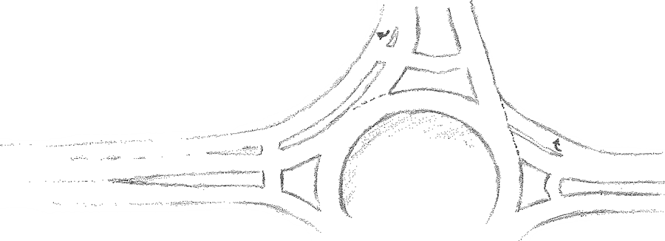
 |  |  |  |  |  |  |  | Exits | N | 0.00 | 0.00 | 0.00 | 0.00 |  |  |  | Exits | N | 1.000 | 1.000 | 1.000 | 1.000
 |  |  |  |  |  |  |  |  | E | 0.00 | 0.00 | 0.00 | 0.00 |  |  |  |  | E | 1.000 | 1.000 | 1.000 | 1.000
 |  |  |  |  |  |  |  |  | S | 0.00 | 0.00 | 0.00 | 0.00 |  |  |  |  | S | 1.000 | 1.000 | 1.000 | 1.000
 |  | Type 2 |  |  |  |  | Type 1 |  | W | 0.00 | 0.00 | 0.00 | 0.00 |  |  |  |  | W | 1.000 | 1.000 | 1.000 | 1.000
 |  | (Nonyielding) |  |  |  |  | (yielding) | # of Bicycles |  |  | Approaches |  |  |  |  |  | Proportion of Bicycle |  |  | Approaches
 |  |  |  |  |  |  |  | vph |  | N | E | S | W |  |  |  | Pb |  | N | E | S | W
 |  |  |  |  |  |  |  | Exits | N | 0 | 0 | 0 | 0 |  |  |  | Exits | N | 0.000 | 0.000 | 0.000 | 0.000
 |  |  |  |  |  |  |  |  | E | 0 | 0 | 0 | 0 |  |  |  |  | E | 0.000 | 0.000 | 0.000 | 0.000
 |  |  |  |  |  |  |  |  | S | 0 | 0 | 0 | 0 |  |  |  |  | S | 0.000 | 0.000 | 0.000 | 0.000
 |  |  |  |  |  |  |  |  | W | 0 | 0 | 0 | 0 |  |  |  |  | W | 0.000 | 0.000 | 0.000 | 0.000
 |  |  |  |  |  |  |  | # of Medium Trucks |  |  | Approaches |  |  |  |  |  | Proportion of Medium |  |  | Approaches
 |  |  |  |  |  |  |  | vph |  | N | E | S | W |  |  |  | Pm |  | N | E | S | W
 |  |  |  |  |  |  |  | Exits | N | 0 | 0 | 0 | 0 |  |  |  | Exits | N | 0.000 | 0.000 | 0.000 | 0.000
 | Type 2 Nonyielding Bypass lane |  |  |  |  |  |  |  | E | 0 | 0 | 0 | 0 |  |  |  |  | E | 0.000 | 0.000 | 0.000 | 0.000
If there is room for a new lane, then bypass LOS is A and capacity is expected to be high (higher |  |  |  |  |  |  |  |  | S | 0 | 0 | 0 | 0 |  |  |  |  | S | 0.000 | 0.000 | 0.000 | 0.000
than yielding bypass values shown below) and the analysis is complete for this bypass lane. |  |  |  |  |  |  |  |  | W | 0 | 0 | 0 | 0 |  |  |  |  | W | 0.000 | 0.000 | 0.000 | 0.000
Considerations for a Type 2 nonyielding bypass lane: |  |  |  |  |  |  |  | # of Heavy Trucks |  |  | Approaches |  |  |  |  |  | Proportion of Heavy |  |  | Approaches
- A median refuge should ensure a pedestrian only crosses one lane at a time |  |  |  |  |  |  |  | vph |  | N | E | S | W |  |  |  | Ph |  | N | E | S | W
- Bypass travel path geometrically slows traffic |  |  |  |  |  |  |  | Exits | N | 0 | 0 | 0 | 0 |  |  |  | Exits | N | 0.000 | 0.000 | 0.000 | 0.000
- Is there a heavy left turn volume down this leg to create a demand to quickly merge? |  |  |  |  |  |  |  |  | E | 0 | 0 | 0 | 0 |  |  |  |  | E | 0.000 | 0.000 | 0.000 | 0.000
 |  |  |  |  |  |  |  |  | S | 0 | 0 | 0 | 0 |  |  |  |  | S | 0.000 | 0.000 | 0.000 | 0.000
 | Type 1 Yielding Bypass lane |  |  |  |  |  |  |  | W | 0 | 0 | 0 | 0 |  |  |  |  | W | 0.000 | 0.000 | 0.000 | 0.000
Items to keep in mind if constrained to a Type 1 nonyielding bypass lane: |  |  |  |  |  |  |  | Adjusted Flow Rate |  |  | Approaches
- Angle that driver has to look over the shoulder to merge, then forward to yield to pedestrians |  |  |  |  |  |  |  | vi |  | N | E | S | W |  | Output |  |  |  |  | Approaches
- All traffic volume is now in one lane, consider what gaps exist for pedestrian |  |  |  |  |  |  |  | Exits | N | 0 | 0 | 0 | 0 |  |  |  |  |  | N | E | S | W
- Safety of heavy right movement merging into all movements exiting roundabout |  |  |  |  |  |  |  |  | E | 0 | 0 | 0 | 0 |  | Conflict flow (veh/h) |  |  | vc | #DIV/0! | #DIV/0! | #DIV/0! | #DIV/0!
 |  |  |  |  |  |  |  |  | S | 0 | 0 | 0 | 0 |  | Entry flow (veh/h) |  |  | vi | #DIV/0! | #DIV/0! | #DIV/0! | #DIV/0!
 |  |  | 1130 | pc/h |  |  |  |  | W | 0 | 0 | 0 | 0 |  | Entry capacity (veh/h) |  |  | ci | #DIV/0! | #DIV/0! | #DIV/0! | #DIV/0!
Capacity |  | c | 1130 | veh/h |  |  |  | Entry Flow Rate (pc/h) |  | 0 | 0 | 0 | 0 |  | Pedestrian impedance |  |  | fped | 1 | 1 | 1 | 1
Entry Flow Rates |  | v | 0 | veh/h |  |  |  | Conflict Flow (pc/h) |  | 0 | 0 | 0 | 0 |  | Leg v/c ratio |  |  | xi | #DIV/0! | #DIV/0! | #DIV/0! | #DIV/0!
Volume to Capacity ratio |  | v/c | 0.00 |  |  |  |  | Bypass Delay |  | 0.0 | 0.0 | #DIV/0! | 0.0 |  | Control delay (sec/veh) |  |  | di | #DIV/0! | #DIV/0! | #DIV/0! | #DIV/0!
Delay |  |  | 3.2 | s/veh |  |  |  | Weighted Entry Veh Factor |  | #DIV/0! | #DIV/0! | #DIV/0! | #DIV/0! |  | LOS |  |  | n/a | #DIV/0! | #DIV/0! | #DIV/0! | #DIV/0!
LOS |  |  | A |  |  |  |  | 1st Bypass Entry Flow Rate |  | 0 | 0 | 0 | 0 |  | HCM 95th% Queue (veh) |  |  | Qm | #DIV/0! | #DIV/0! | #DIV/0! | #DIV/0!
HCM Queue |  |  | 0 | veh |  |  |  | Weighted Conflict Factors |  | #DIV/0! | #DIV/0! | #DIV/0! | #DIV/0!
 |  |  |  |  |  |  |  |  |  |  |  |  |  |  | Int cntrl delay (sec/veh) |  |  | dint | #DIV/0!
 |  | The roundabout analysis with the | South approach to the East |  |  | leg bypass volume removed |  |  |  |  |  |  |  |  | Intersection LOS |  |  | n/a | #DIV/0!
is to the right. Please print and electronically save this information for your records.
 |  |  |  |  |  |  |  |  |  |  |  |  |  | Project Name
 |  |  | Project Name

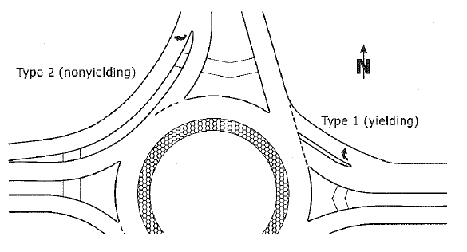

 | 2

2ndBypasslane
N
E
S
W
2nd Bypass Lane Merge Point Analysis |  |  |  |  |  |  | General Information |  |  |  | Passenger Car Equivalents |  |  |  | Rec | Roundabout Input
The first bypass you entered: |  |  |  |  |  |  | Analyst: | Pat Stoplight PE |  |  | bicycle | Eb | 1 |  | 1 | 3 or 4 legs |  |  | 4 | legs?
 |  |  | A heavy right turn volume approaches at the | South | leg. |  | Agency: | Safety City |  |  | medium | Em | 1.5 |  | 1.5 | Portion of an hour: |  |  | 0.25
 |  |  | The heavy right turn volume then exits on the | East | leg. |  | Date: | 42269 |  |  | heavy | Eh | 2 |  | 2 | Peak hr | 0 | 00 | PM | 5 | 3
Entry on the Single Lane Roundabout Calculator with no volume from 1st Bypass: |  |  |  |  |  |  | East leg: | 0 |  |  | South leg: | 0 |  |  |  | Pedestrian |  |  | Approaches
Hour Volumes |  |  | Approaches |  |  |  | Project: | Project Name |  |  |  | Year: | 20yrs > build |  |  | Crossings per leg |  | N | E | S | W
vph |  | N | E | S | W |  |  |  |  |  |  |  |  |  |  | # |  | 0 | 0 | 0 | 0
Exits | N | 0 | 0 | 0 | 0 |  | Hour Volumes |  |  | Approaches |  |  |  |  |  | Flow Rate |  |  | Approaches
 | E | 0 | 0 | 0 | 0 |  | vph |  | N | E | S | W |  |  |  | vi |  | N | E | S | W
 | S | 0 | 0 | 0 | 0 |  | Exits | N | 0 | 0 | 0 | 0 |  |  |  | Exits | N | 0 | 0 | 0 | 0
 | W | 0 | 0 | 0 | 0 |  |  | E | 0 | 0 | 0 | 0 |  | TWO |  |  | E | 0 | 0 | 0 | 0
 |  |  |  |  |  |  |  | S | 0 | 0 | 0 | 0 |  | BYPASSES |  |  | S | 0 | 0 | 0 | 0
 |  |  |  |  |  |  |  | W | 0 | 0 | 0 | 0 |  |  |  |  | W | 0 | 0 | 0 | 0
The heavy right turn volume enters from the |  |  |  | North | approach. |  | Peak Hour Factor |  |  | Approaches |  |  |  |  |  | Vehicle Factor |  |  | Approaches
The heavy right turn volume then exits on the |  |  |  | West | leg. |  | PHF |  | N | E | S | W |  |  |  | fhv |  | N | E | S | W
 |  |  |  |  |  |  | Exits | N | 0.00 | 0.00 | 0.00 | 0.00 |  |  |  | Exits | N | 1.000 | 1.000 | 1.000 | 1.000
 |  |  |  |  |  |  |  | E | 0.00 | 0.00 | 0.00 | 0.00 |  |  |  |  | E | 1.000 | 1.000 | 1.000 | 1.000
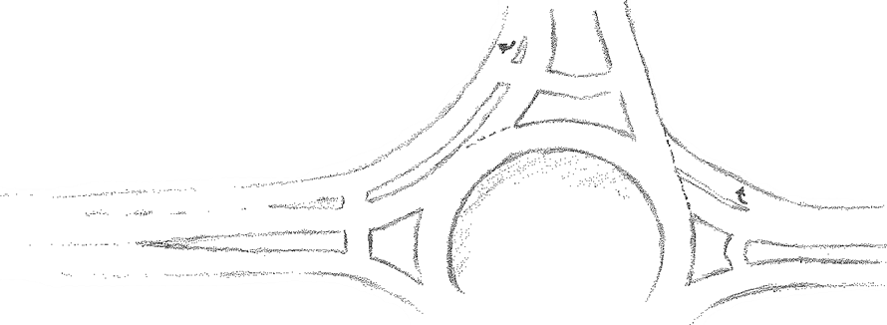
 |  |  |  |  |  |  |  | S | 0.00 | 0.00 | 0.00 | 0.00 |  |  |  |  | S | 1.000 | 1.000 | 1.000 | 1.000
 |  |  |  |  |  |  |  | W | 0.00 | 0.00 | 0.00 | 0.00 |  |  |  |  | W | 1.000 | 1.000 | 1.000 | 1.000
 |  | Type 2 |  |  |  | Type 1 | # of Bicycles |  |  | Approaches |  |  |  |  |  | Proportion of Bicycle |  |  | Approaches
 |  | (Nonyielding) |  |  |  | (yielding) | vph |  | N | E | S | W |  |  |  | Pb |  | N | E | S | W
 |  |  |  |  |  |  | Exits | N | 0 | 0 | 0 | 0 |  |  |  | Exits | N | 0.000 | 0.000 | 0.000 | 0.000
 |  |  |  |  |  |  |  | E | 0 | 0 | 0 | 0 |  |  |  |  | E | 0.000 | 0.000 | 0.000 | 0.000
 |  |  |  |  |  |  |  | S | 0 | 0 | 0 | 0 |  |  |  |  | S | 0.000 | 0.000 | 0.000 | 0.000
 |  |  |  |  |  |  |  | W | 0 | 0 | 0 | 0 |  |  |  |  | W | 0.000 | 0.000 | 0.000 | 0.000
 |  |  |  |  |  |  | # of Medium Trucks |  |  | Approaches |  |  |  |  |  | Proportion of Medium |  |  | Approaches
 |  |  |  |  |  |  | vph |  | N | E | S | W |  |  |  | Pm |  | N | E | S | W
 |  |  |  |  |  |  | Exits | N | 0 | 0 | 0 | 0 |  |  |  | Exits | N | 0.000 | 0.000 | 0.000 | 0.000
 |  |  |  |  |  |  |  | E | 0 | 0 | 0 | 0 |  |  |  |  | E | 0.000 | 0.000 | 0.000 | 0.000
 | Type 2 Nonyielding Bypass lane |  |  |  |  |  |  | S | 0 | 0 | 0 | 0 |  |  |  |  | S | 0.000 | 0.000 | 0.000 | 0.000
If there is room for a new lane, then bypass LOS is A and capacity is expected to be high (higher |  |  |  |  |  |  |  | W | 0 | 0 | 0 | 0 |  |  |  |  | W | 0.000 | 0.000 | 0.000 | 0.000
than yielding bypass values shown below) and the analysis is complete for this bypass lane. |  |  |  |  |  |  | # of Heavy Trucks |  |  | Approaches |  |  |  |  |  | Proportion of Heavy |  |  | Approaches
Considerations for a Type 2 nonyielding bypass lane: |  |  |  |  |  |  | vph |  | N | E | S | W |  |  |  | Ph |  | N | E | S | W
- A median refuge should ensure a pedestrian only crosses one lane at a time |  |  |  |  |  |  | Exits | N | 0 | 0 | 0 | 0 |  |  |  | Exits | N | 0.000 | 0.000 | 0.000 | 0.000
- Bypass travel path geometrically slows traffic |  |  |  |  |  |  |  | E | 0 | 0 | 0 | 0 |  |  |  |  | E | 0.000 | 0.000 | 0.000 | 0.000
- Is there a heavy left turn volume down this leg to create a demand to quickly merge? |  |  |  |  |  |  |  | S | 0 | 0 | 0 | 0 |  |  |  |  | S | 0.000 | 0.000 | 0.000 | 0.000
 |  |  |  |  |  |  |  | W | 0 | 0 | 0 | 0 |  |  |  |  | W | 0.000 | 0.000 | 0.000 | 0.000
 | Type 1 Yielding Bypass lane |  |  |  |  |  | Adjusted Flow Rate |  |  | Approaches
Items to keep in mind if constrained to a Type 1 nonyielding bypass lane: |  |  |  |  |  |  | vi |  | N | E | S | W |  | Output |  |  |  |  | Approaches
- Angle that driver has to look over the shoulder to merge, then forward to yield to pedestrians |  |  |  |  |  |  | Exits | N | 0 | 0 | 0 | 0 |  |  |  |  |  | N | E | S | W
...

3rdBypasslane
N
E
S
W
Rec | Roundabout Input
1 | 3 or 4 legs |  |  | 4 | legs?
1.5 | Portion of an hour: |  |  | 0.25
2 | Peak hr | 0 | 00 | PM | 5 | 3
 | Pedestrian |  |  | Approaches
 | Crossings per leg |  | N | E | S | W
 | # |  | 0 | 0 | 0 | 0
 | Flow Rate |  |  | Approaches
 | vi |  | N | E | S | W
 | Exits | N | 0 | 0 | 0 | 0
 |  | E | 0 | 0 | 0 | 0
 |  | S | 0 | 0 | 0 | 0
 |  | W | 0 | 0 | 0 | 0
 | Vehicle Factor |  |  | Approaches
...

4thBypasslane
N
E
S
W
Rec | Roundabout Input
1 | 3 or 4 legs |  |  | 4 | legs?
1.5 | Portion of an hour: |  |  | 0.25
2 | Peak hr | 0 | 00 | PM | 5 | 3
 | Pedestrian |  |  | Approaches
 | Crossings per leg |  | N | E | S | W
 | # |  | 0 | 0 | 0 | 0
 | Flow Rate |  |  | Approaches
 | vi |  | N | E | S | W
 | Exits | N | 0 | 0 | 0 | 0
 |  | E | 0 | 0 | 0 | 0
 |  | S | 0 | 0 | 0 | 0
 |  | W | 0 | 0 | 0 | 0
 | Vehicle Factor |  |  | Approaches
 | fhv |  | N | E | S | W
...

