Instructions
OHA CCO Value-based Payment Targets and PCPCH Data Template

OHA VBP PCPCH Data and CDA VBP data template - General Instructions
1. Complete all yellow highlighted cells on the "PCPCH" tab, the "Model_descriptions" and the "CDA VBP Data" tab/s. CDA tabs are voluntary for this reporting year. 2. For payments that span multiple HCP-LAN categories, use the most advanced category. If for example you have a contract that includes a shared savings arrangement with a pay-for-performance component - such as a quality incentive pool - then you should put the total value of the annual contract in Category 3A for shared savings because 3A (shared savings) is more advanced than 2C (pay-for-performance). 3. In addition to the LAN Framework, Contractor shall use the VBP Roadmap for Coordinated Care Organizations and the OHA VBP Technical Guide for Coordinated Care Organizations for the VBP specifications and the appropriate LAN VBP category for each payment model, located at the following URL: https://www.oregon.gov/oha/HPA/dsi-tc/Documents/OHA-CCO-VBP-Technical-Guide.pdf 4. Note: Due to disruptions in the health care delivery system as a result of COVID -19, CCOs are now required to develop care delivery area (CDA) VBPs in 2021 but NOT required to implement them until 2022. If your CCO did not implement a CDA in 2020, you may leave CDA worksheets blank. 5. The completed VBP PCPCH Data and CDA VBP data template must be submitted to the following email address: OHA.VBP@dhsoha.or.us no later than May 6, 2021. It may not be submitted as a PDF document and must remain a Microsoft Excel spreadsheet. Please use the following naming convention when submitting the template: CCO + reporting year + title of template (e.g. CCOABC 2020 VBP PCPCH Data and CDA Template).

HCP-LAN framework
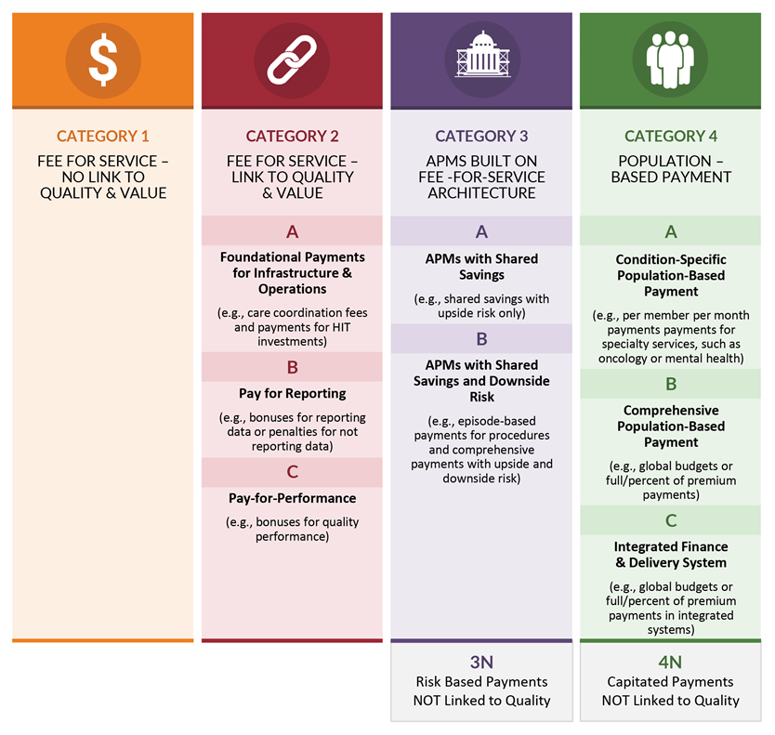
https://hcp-lan.org/groups/apm-refresh-white-paper/

