Instructions
OHA CCO Value-based Payment Targets and PCPCH Data Template

OHA CCO Value-based Payment Targets and PCPCH
Data Template

General Instructions
1. Complete all yellow highlighted cells, if applicable, on the "VBP Data_template" tab, the "PCPCH" tab, the "CDA VBP Data" tab, and the "Model_descriptions" tab. 2. Include payments associated with VBPs on an incurred basis (as opposed to a paid basis). 3. Include all payments to providers or contracted entities for which the payment aligns with one or more of the HCP-LAN categories for VBP. See the "HCP-LAN Framework" tab for definitions of the categories. 4. In order for a payment arrangement to qualify as a value-based payment, there must be a quality component. Arrangements without any quality component should be listed under fee-for-service in the "data_template" tab. 5. For payments that span multiple HCP-LAN categories, use the most advanced category. If for example you have a contract that includes a shared savings arrangement with a pay-for-performance component - such as a quality incentive pool - then you should put the total value of the annual contract in Category 3A for shared savings because 3A (shared savings) is more advanced than 2C (pay-for-performance). 6. In addition to the LAN Framework, Contractor shall use the VBP Roadmap for Coordinated Care Organizations and the OHA VBP Technical Guide for Coordinated Care Organizations for the VBP specifications and the appropriate LAN VBP category for each payment model, located at the following URL: https://https://www.oregon.gov/oha/HPA/dsi-tc/Pages/Value-Based-Payment.aspx 7. Note: CCOs are required to develop care delivery area (CDA) VBPs in 2020 but NOT required to implement them until 2021. If your CCO did not implement a CDA in 2020, leave CDA worksheets blank. 8. The completed VBP Targets and PCPCH Data Template must be submitted to the following email address: OHA.VBP@dhsoha.or.us no later than February 15, 2021. It may not be submitted as a PDF document and must remain a Microsoft Excel spreadsheet. Please use the following naming convention when submitting the template: CCO + reportin

HCP-LAN framework
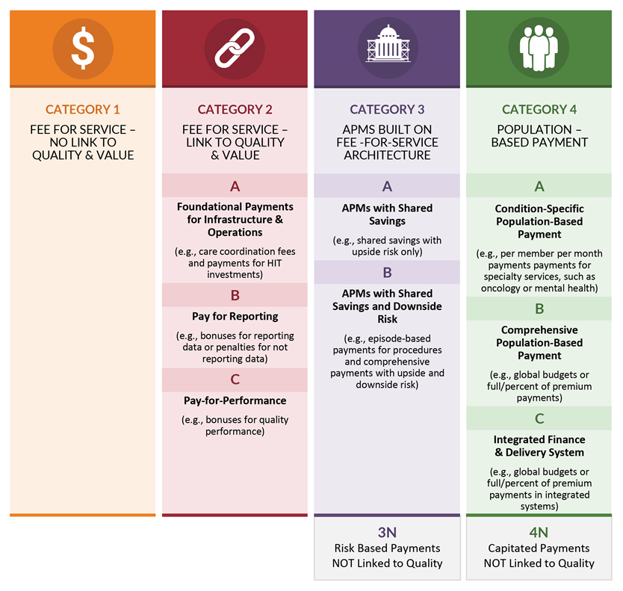
https://hcp-lan.org/groups/apm-refresh-white-paper/

