HCP-LAN framework
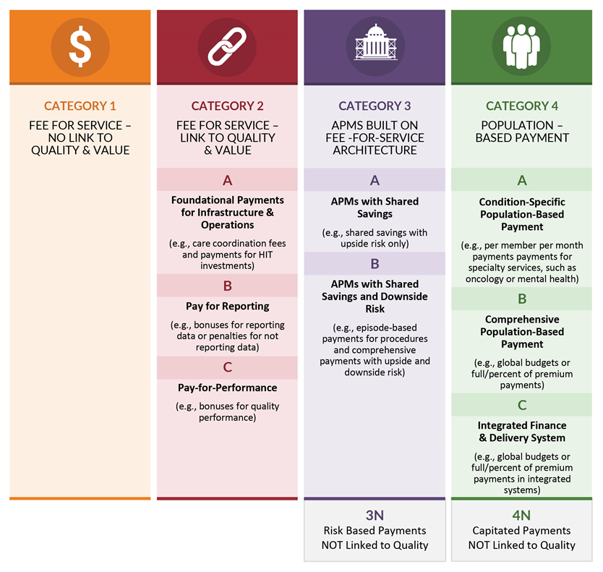
https://hcp-lan.org/groups/apm-refresh-white-paper/

