Start here
Responsibilities for the sectors of public health
As part of your integration into the team, we have developed a training and mentoring program that helps new coordinators navigate the complex landscape of public health preparedness and response. This onboarding program will help provide you with the foundational knowledge, skills, connections, and resources you need to successfully coordinate public health emergency preparedness planning and response activities within [Insert County Name]. Throughout the next several weeks and months, you will be introduced to critical emergency preparedness and response functions pertaining to your role and responsibilities as a new Public Health Emergency Preparedness and Response (PHEPR) Coordinator. The purpose of this resource is to serve as a guide for onboarding PHEPR Coordinators as they become familiar with the role within their unique jurisdictions. This resource is not an obligatory checklist; rather, it is meant to provide a means of conceptualizing the PHEPR scope of work at a higher, more general level while also allowing the user to “zoom in” on specific elements and access more in-depth literature and trainings as needed. Situational awareness is emphasized by encouraging a knowledge of current, collaborative work and the relationship LPHAs have with regional, state and national PHEPR organizations. This guide is broken down into several integration milestones to include Day 1, Week 1, First 30 days, First 60 days, and First 90 days. It is meant to be flexible and the order of topics may be reorganized in consultation with your manager to meet the goals and objectives of the agency. PHEPR Managers/Supervisors may find utility in this resource as they map out the onboarding process for new coordinators. Elements of the resource may assist in establishing timelines and priorities to best serve the unique needs of the specific jurisdiction. PHEPR Managers/Supervisors may also find in the resource helpful prompts for preparing and/or updating specific, local informa | 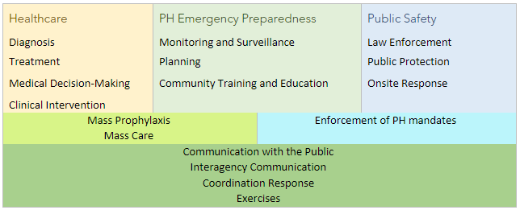

Table of Contents
Topic | Description
PHEP Onboarding Topic Areas | Overview and resources for Public Health, PHEP, PHEP Projects and Deliverables, Community, Education, and Plans
Day 1 Onboarding | Suggested Tasks to be completed on Day 1 of Onboarding (can vary)
Week 1 Onboarding | Suggested Tasks to be completed within 1 week of Onboarding (can vary)
30 Day Onboarding | Suggested Tasks to be completed within 30 days of Onboarding (can vary)
60 Day Onboarding | Suggested Tasks to be completed within 60 days of Onboarding (can vary)
90 Day Onboarding | Suggested Tasks to be completed within 90 days of Onboarding (can vary)
Team Contact Information | Contact information for team members to be added here as you meet them
PHEPR Coordinators Contact List | Contact information for other PHEPR Coordinators to be added here as you meet them
Acronyms | List of common acronyms used with definition and additional related resources
Professional Conferences | Annual national and state conferences that might be of interest
Other Resources | Public health supportive organizations/ schools, other trainings/ webinars on PH, EM, & PHEPR, and resources for personal preparedness.

