Request
 |  |  |  |  |  |  | RIR.1.2026
OREGON HOUSING AND COMMUNITY SERVICES
RENT INCREASE REQUEST INCREASE WORKSHEET

Property Name: |  |  |  |  |  | Date:
Property Address: |  |  |  |  |  | County:
Management Co.: |  |  |  |  |  | Last Increase:
Contact Email: |  |  |  |  |  | Proposted Effective Date:
 |  |  |  |  |  | Effective Date of Current Utility Allowance:
OAHTC Passthrough: |  | Period |  | (annual or monthly)

Fill in all information for each unit type. Gray columns are auto calculated and locked.

NOTE: Rents must not exceed program limits which will be expressed negatively in red

 | Narrative and certification below grid must be completed

Unit Type | AMI | Current Lowest Net Rent | Proposed % Increase (not to exceed 7% + CPI) | Proposed Net Rent | Current Utility Allowances | Current Program Max Rent Limit | Difference from Program Max Limit
 |  | $- |  | $- | $- | $- | $-
 |  | $- |  | $- | $- | $- | $-
 |  | $- |  | $- | $- | $- | $-
 |  | $- |  | $- | $- | $- | $-
 |  | $- |  | $- | $- | $- | $-
 |  | $- |  | $- | $- | $- | $-
 |  | $- |  | $- | $- | $- | $-
 |  | $- |  | $- | $- | $- | $-
 |  | $- |  | $- | $- | $- | $-
 |  | $- |  | $- | $- | $- | $-
 |  | $- |  | $- | $- | $- | $-
 |  | $- |  | $- | $- | $- | $-
 |  | $- |  | $- | $- | $- | $-
 |  | $- |  | $- | $- | $- | $-
 |  | $- |  | $- | $- | $- | $-

Please provide a narrative outlining information related to operational needs, replacement reserves, capital plans, resident impact, etc. which is specific to the property's needs justifying this Rent Increase Request (greater than 5%).

By checking this box , I certify the information submitted on this form is true and correct and that I acknowledge the following:
1. OHCS reserves the right to request additional information to support the need for rent increases.
2. Any and all rent increases require a ninety (90) day written notice to tenants pursuant to ORS 90-323.
3. Failure to receive OHCS approval and/or provide tenants with proper notice of rental increases may require a reduction in rent and restitution paid to affected residents.
4. Partner is submitting for OHCS approval, a percentage increase based on the lowest net rent per unit type/program. Partner understands tenant's net rent plus applicable utility allowance must be less than or equal to program maximum limits for all units after applying a rent increase.


Name and Title |  |  |  | Baker
 |  |  |  | Benton
 |  |  |  | Clackamas
 |  |  |  | Clatsop
 |  |  |  | Columbia
 |  |  |  | Coos
 |  |  |  | CrookCurry
 |  |  |  | Curry
 |  |  |  | Deschutes
 |  |  |  | Douglas
 |  |  |  | Gilliam
 |  |  |  | Grant
 |  |  |  | Harney
 |  |  |  | Hood River
 |  |  |  | Jackson
 |  |  |  | Jefferson
 |  |  |  | Josephine
 |  |  |  | Klamath
 |  |  |  | Lane
 |  |  |  | Lincoln
 |  |  |  | Linn
 |  |  |  | Malheur
 |  |  |  | Marion
 |  |  |  | Multnomah
 |  |  |  | Morrow
 |  |  |  | Polk
 |  |  |  | Sherman
 |  |  |  | Tillamook
 |  |  |  | Umatilla
 |  |  |  | Union
 |  |  |  | Wallowa
 |  |  |  | Wasco
 |  |  |  | Washington
 |  |  |  | Wheeler
 |  |  |  | Yamhill

Example & instruction
Directions for Completing Elevated Rent Increase Worksheet

Heading | Complete contact information and all fields pertaining to applicable unit types
Column A - | Unit Type - Select approporiate unit type from drop down list.
Column B - | AMI - Select appropriate set-aside from drop down list.
Column C - | Current Lowest Net Rent - Insert lowest net rent currently charged per selected unit/set-aside type
Column D - | Insert proposed increase percentage
Column E - | $ amount of increase, auto calculated and hidden
Column F - | Proposed Net Rent - auto calculated
Column G - | Current Utility Allowance - Insert current OHCS approved Utility Allowance.
Column H - | Current Program Max Rent Limit - Insert number obtained from Current Income & Rent Limits worksheet located on OHCS website
Column I - | Difference from program max limits - auto calculated. MUST BE A POSITIVE NUMBER.

Elevated Rent Increase Example

 |  | Red indicates the increase is greater than max rents and will not be approved

Directions for Completing Rent Burden Worksheet

Heading | Complete initial information including property name, date of request, and contact information of person completing the form
Column A* - | Insert unit number
Column B* - | Insert unit type (SRO, studio, 1-bed, 2-bed, 3-bed, 4-bed, etc.)
Column C* - | Insert current set-aside (AMI %)
Column D* - | Insert HOME low, HOME high and floating
Column E* - | Insert initial move-in date
Column F* - | Insert date of current certification
Column G* - | Insert present household income from current certification
Column H* - | Insert current most restrictive gross program maximum rent limits which includes utility allowance
Column I* - | Insert current utility allowance
Column J* - | Current maximum allow tentant rent (Auto calculated)
Coumn K* - | Enter current rent paid by tentant
Column L - | If applicable, insert current monthly rent subsidy
Column M - | If applicable, insert type of subsidy
Column N - | Hidden column
Column O - | Auto calculated
*Data information may be populated from another Excel sheet

Rent Burden Worksheet Example
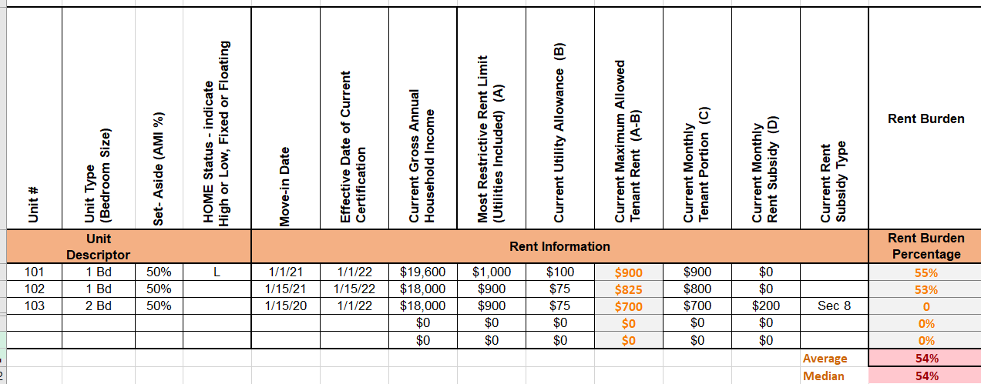

 |  | Desired rent burden is 30% or less

